Machines
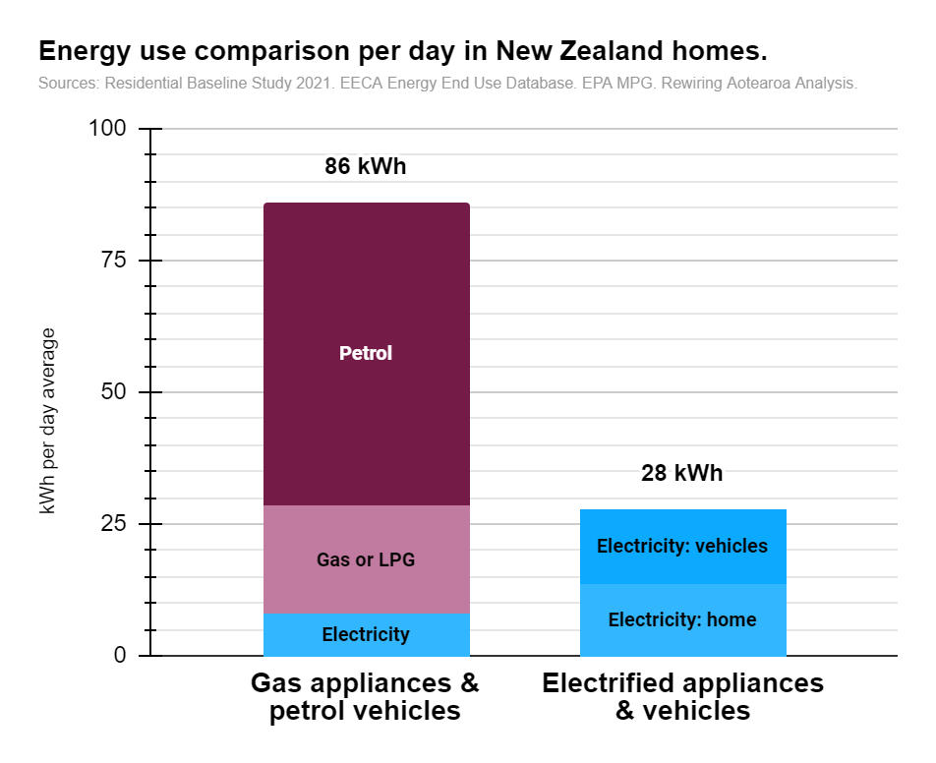
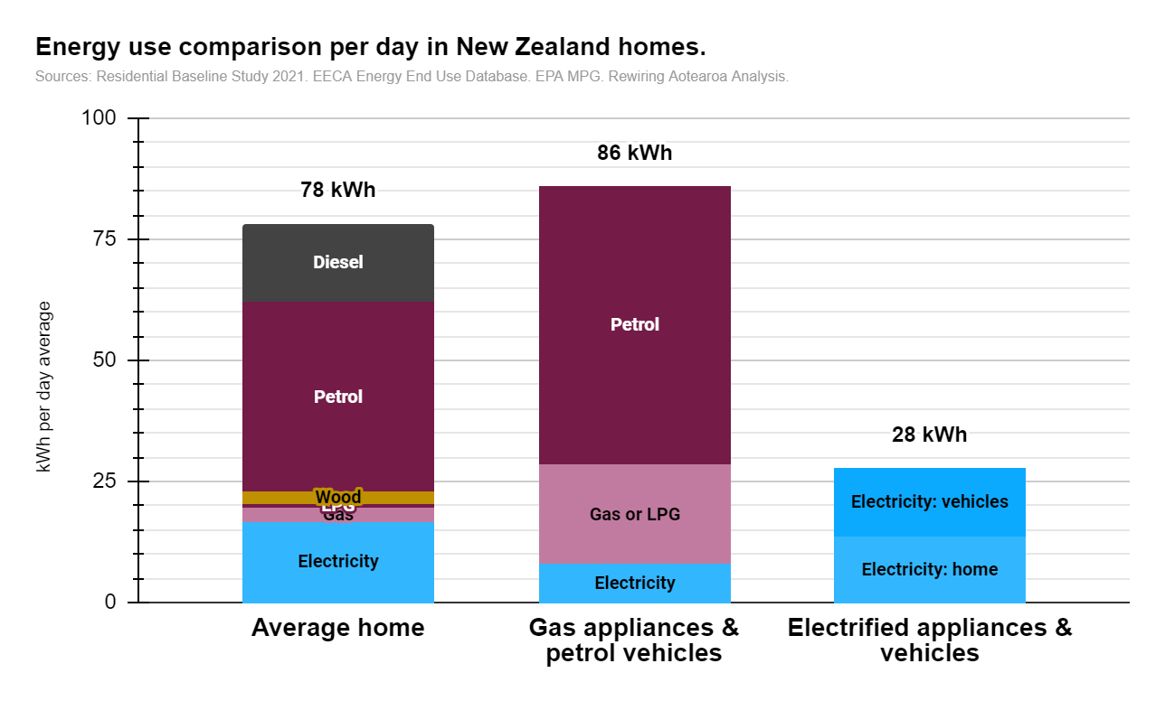
Home energy types | Electricity kWh/day | Gas kWh/day | LPG kWh/day | Wood kWh/day | Petrol kWh/day | Diesel kWh/day | Total kWh/day
Average home | 16.83 | 2.71 | 0.77 | 2.58 | 39.2 | 16.3
LPG & petrol home | 7.88 |  | 20.6 |  | 57.6
Gas & petrol home | 7.88 | 20.604 |  |  | 57.6 |  | 86.13
Electrified home on grid | 27.95
Solar electrified home | 27.95

Archetypes | Electricity kWh/day | Gas kWh/day | LPG kWh/day | Wood kWh/day | Petrol kWh/day | Diesel kWh/day | Total | Emissions
Gas stove and water, heat pump | 10.541 | 8.960 |  |  | 57.6 |  | 77 | 6182.6
Gas heating, water, and stove | 7.88 | 20.604 |  |  | 57.6 |  | 86 | 7010.2
LPG stove and water, heat pump | 10.54 |  | 8.960 |  | 57.6 |  | 77 | 6185.8
LPG heating, water, and stove | 7.88 |  | 20.604 |  | 57.6 |  | 86 | 7017.7
Wood fire, Gas water heater, gas stove petrol cars | 7.88 | 8.960 |  | 14.3 | 57.6 |  | 89 | 6218.1
Electric resistance everything | 25.35 |  |  |  | 57.6 |  | 83 | 6002.3
Electric heat pump, resistance everything else | 18.69 |  |  |  | 57.6 |  | 76 | 5764.2
Electrified on grid | 27.953 |  |  |  |  |  | 28 | 1000.6
Electrified solar + grid | 27.953 |  |  |  |  |  | 28
Electrified solar & battery | 27.953 |  |  |  |  |  | 28

Chart energy use in main home types | Electricity - home | Electricity - vehicles | Gas kWh/day | LPG kWh/day | Wood kWh/day | Petrol kWh/day | Diesel kWh/day | Total | Label - electrcity | Label - electricity vehicles | Label - gas | Label - LPG | Label - wood | Label - petrol | Label - diesel
Average home | 16.83 |  | 2.71 | 0.77 | 2.58 | 39.2 | 16.3 |  | Electricity |  | Gas | LPG | Wood | Petrol | Diesel
Gas appliances & petrol vehicles | 7.88 |  | 20.604 |  |  | 57.6 |  | 86 | Electricity |  | Gas or LPG |  |  | Petrol
Electrified appliances & vehicles | 13.506 | 14.4 |  |  |  |  |  | 28 | Electricity: home | Electricity: vehicles
Label | Electricity |  | Gas | LPG | Wood | Petrol | Diesel | 86 kWh
 |  |  |  |  |  |  |  | 28 kWh
Chart househould energy proportions | Average home energy use (excluding vehicles) |  | Electrified | Label | Gas and Petrol |  | Househould energy proportions |  | Average home energy use (including vehicles)
Space heating | 7.0 |  | 2.7 | Space heating | 11.6 |  | Space heating |  | 7.0
Space cooling | 0.3 |  |  |  |  |  | Space cooling |  | 0.3
Water heating | 7.1 |  | 2.1 |  | 6.9 |  | Water heating |  | 7.1
Cooktops | 0.7 |  | 4.0 |  | 5.1 |  | Cooktops |  | 0.7
Refrigeration | 2.1 |  |  |  |  |  | Refrigeration |  | 2.1
Lighting | 0.8 |  | 0.8 |  | 0.8 |  | Lighting |  | 0.8
Laundry | 0.4 |  | 0.4 |  | 0.4 |  | Laundry |  | 0.4
Other | 4.3 |  | 3.3 |  | 3.3 |  | Other |  | 4.3
Vehicles | 55.5 | 55.5 | 14.4 |  | 57.6 |  | Vehicle fuels |  | 55.5

Label Space heating | Space heating | Space heating | Space heating
Labe space coolinh | Space cooling | Space cooling | Space cooling
Label water | Water heating | Water heating | Water heating
Label Cook | Cooktops | Cooktops | Cooktops
Refrigeration | Refrigeration | Refrigeration | Refrigeration
Label Light | Lighting | Lighting | Lighting
Label Laundry | Laundry | Laundry | Laundry
Label Other | Other | Other | Other
Label Vehicles | Vehicle fuels | Vehicles | Vehicles
Label saving | Savings | Savings | Savings

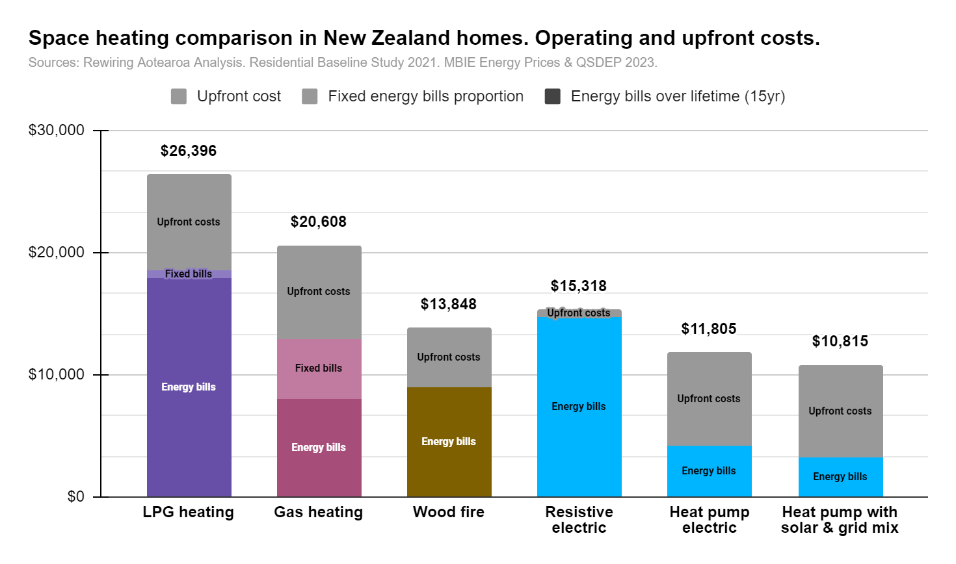
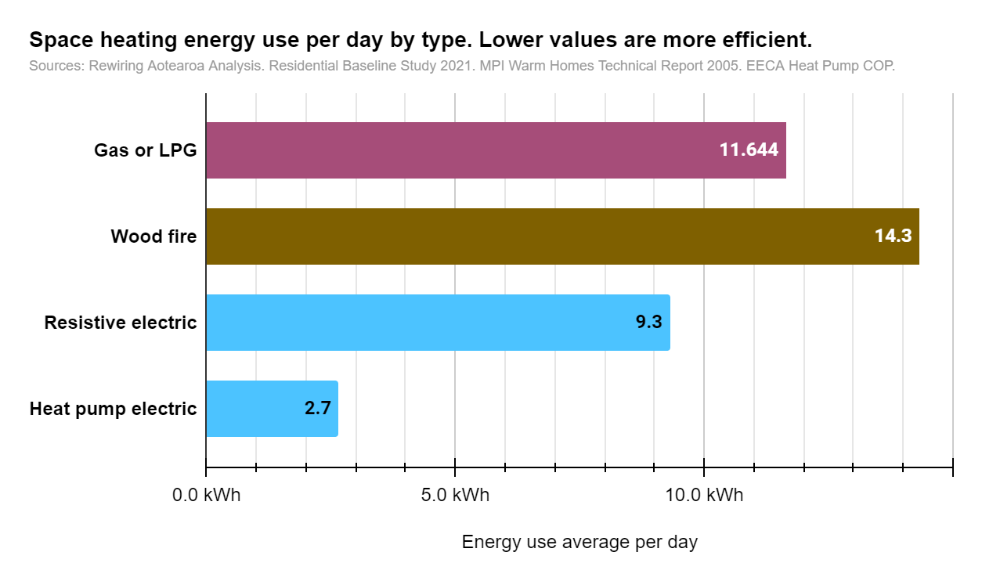
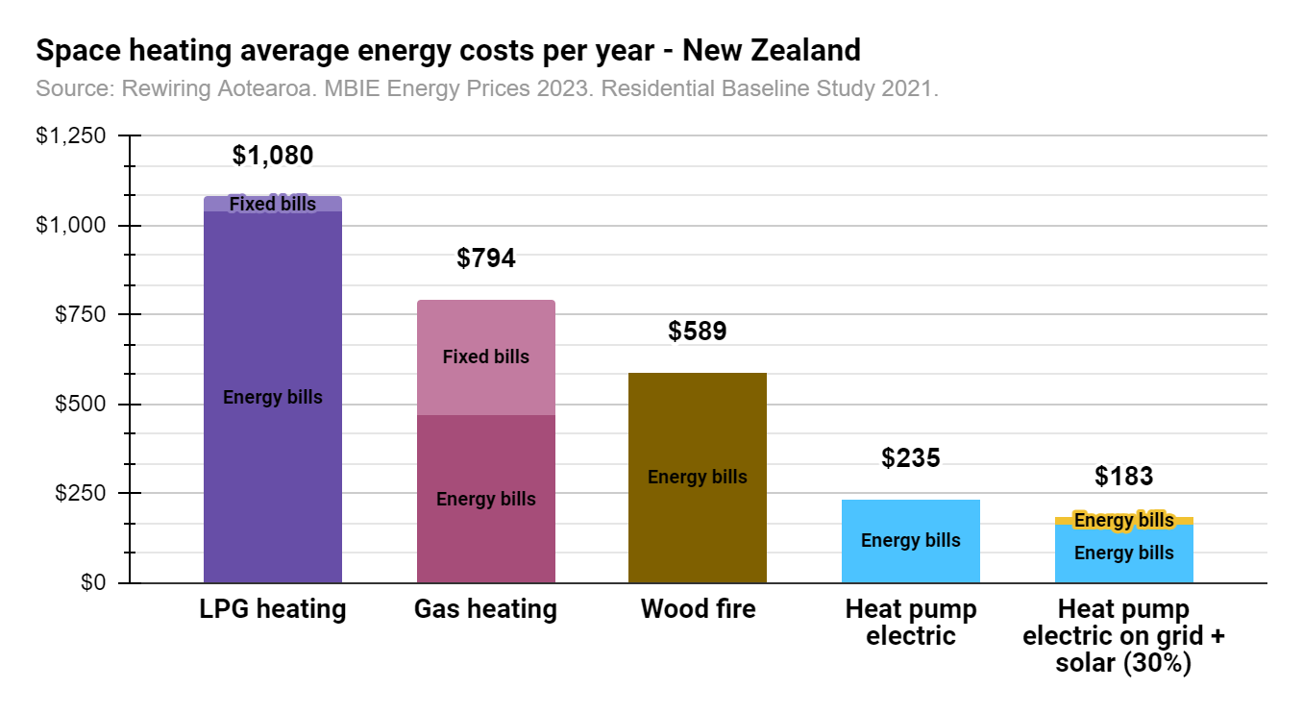
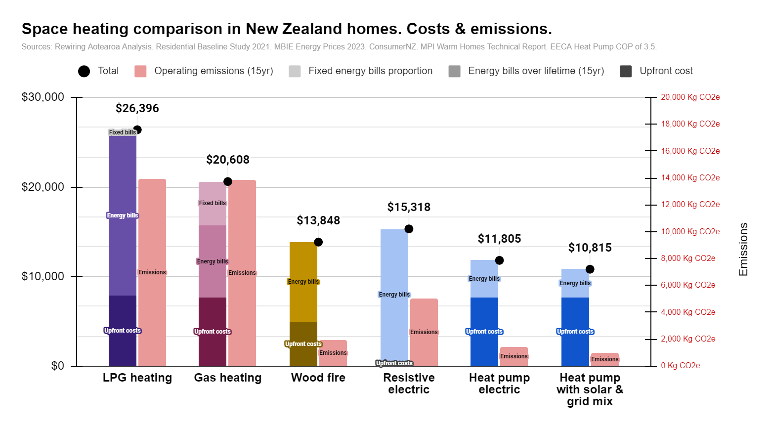
Space heating
Type | How many in country | How many per home | COP | Electricity | Gas | LPG | Wood | Total | Base energy needs
 | # | # / home | % | kWh/day | kWh/day | kWh/day | kWh/day |  | kWh/day
AC ducted | 74,160 | 0.04 | 350% | 0.21 |  |  |  |  | 0.72
AC non-ducted (split and WW) | 1,141,859 | 0.59 | 350% | 1.14 |  |  |  |  | 4.00
Electric resistive | 2,202,766 | 1.15 | 100% | 1.89 |  |  |  |  | 1.89
LPG gas non-ducted | 228,541 | 0.12 | 80% |  |  | 0.23 | 0.00 |  | 0.19
Mains gas ducted | 21,316 | 0.01 | 80% |  | 0.39 |  | 0.00 |  | 0.31
Mains gas non-ducted | 200,765 | 0.10 | 80% |  | 1.11 |  | 0.00 |  | 0.89
Wood Heaters | 494,410 | 0.26 | 65% |  |  |  | 2.03 |  | 1.32
Total energy use |  |  |  | 3.24 | 1.50 | 0.23 | 2.03 | 7.00 | 9.32

Time of use |  | Grid | Solar window | n/a
Natural behaviour |  | 40.40% | 19.57%
Ideal (and feasible) behaviour |  | 70% | 30% | 100%

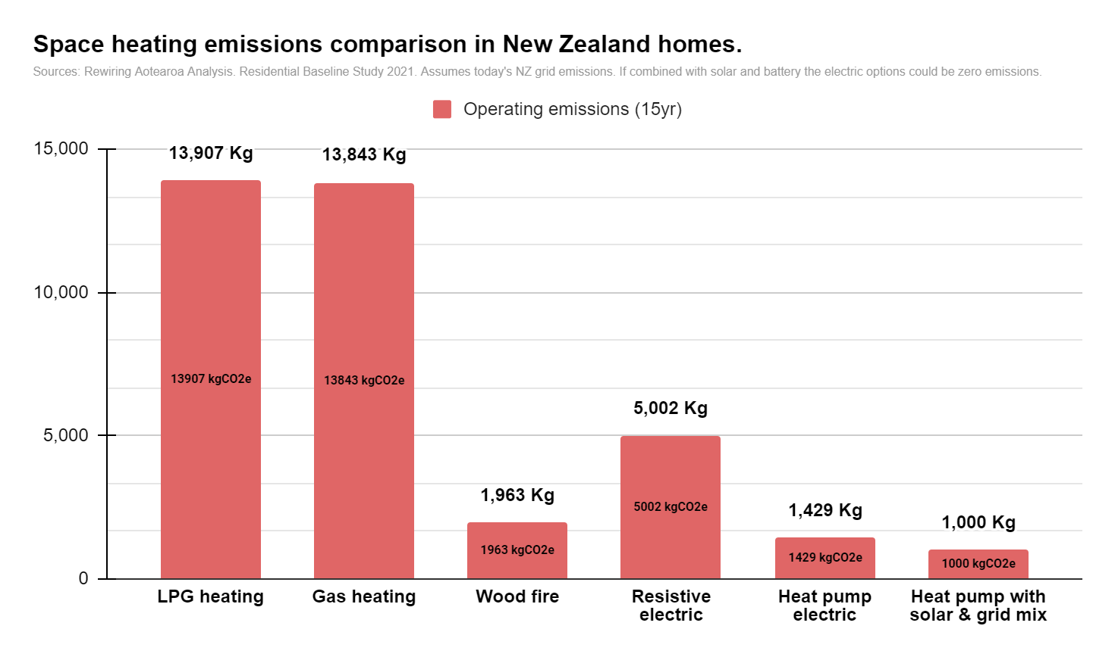
Options for homes > | Average home devices | If Ngas | If LPG | If Wood | If diesel boiler | If resistive | If heat pump on grid | If heat pump + solar |  | Chart | LPG heating | Gas heating | Wood fire | Resistive electric | Heat pump electric | Heat pump with solar & grid mix | Chart costs | LPG | Gas | Resistive on grid + ripple control | Resistive with solar + grid | Heat pump on grid
kWh/day | 7.0 | 11.644 | 11.644 | 14.3 | 12.8 | 9.3 | 2.662 | 2.7 |  | Running cost per year | $1,038 | $468 | $589 | $823 | $235 | $183 | Energy costs (15yr) | $10,582 | $4,768 | $7,160 | $4,720 | $3,277
kWh/year | 2557 | 4253 | 4253 | 5234 | 4693 | 3402 | 972 | 972 |  | Energy use per day | 11.644 | 11.644 | 14.3 | 9.3 | 2.662 | 2.7 | Upfront costs | $3,580 | $3,580 | $4,000 | $4,000 | $7,020
Running cost per year | $451 | $468 | $1,038 | $589 | $969 | $823 | $235 | $183 |  | Approx. Efficiency | 80% | 80% | 65% | 100% | 350% | 350% | Fixed
Lifetime (years) | 15 | 15 | 15 | 15 | 15 | 15 | 15 | 15 |  | Upfront cost | 7850 | 7650 | $4,900 | $600 | 7600 | 7600
Running cost over lifetime | $6,759 | $8,072 | $17,915 | $8,948 | $14,889 | $14,718 | $4,205 | $3,215 |  | Energy bills over lifetime (15yr) | $17,915 | $8,072 | $8,948 | $14,718 | $4,205 | $3,215 | Chart - Energy efficiency | Gas or LPG | Wood fire | Resistive electric | Heat pump electric
Additional fixed cost portion (for Gas) over lifetime |  | $4,885 | $631.30 |  |  |  |  |  |  | Fixed energy bills proportion | $631.30 | $4,885 |  |  |  |  | Gas or LPG | 11.6
Total operating costs |  | $12,958 | $18,546 | $8,948 | $14,889 | $14,718 | $4,205 | $3,215 |  | Total | $26,396 | $20,608 | $13,848 | $15,318 | $11,805 | $10,815 | Wood |  | 14.3
 |  |  |  |  |  |  |  |  |  |  |  |  |  |  |  |  | Electricity |  |  | 9.3 | 2.7
Replacement capital costs |  | 6400 | 6600 | 4900 |  | 600 |  |  |  | Operating emissions (15yr) | 13907 kgCO2e | 13843 kgCO2e | 1963 kgCO2e | 5002 kgCO2e | 1429 kgCO2e | 1000 kgCO2e
Replacement install costs |  | 1250 | 1250 | 1000 |  | 0 | 1050 | 1050
Total replacement costs |  | 7650 | 7850 | 4900 |  | 600 | 7600 | 7600 | 3 | Energy chart | Wood heating | Gas or LPG Heating | Resistive electric | Heat pump electric
 |  |  |  |  |  |  |  |  |  | Energy use per day | 14.3 | 11.644 | 9.3 | 2.662

 |  |  |  |  |  |  |  |  |  | Operating cost chart | LPG heating | Gas heating | Wood fire | Heat pump electric | Heat pump electric on grid + solar (30%)
 |  |  |  |  |  |  |  |  |  | Gas |  | $468
 |  |  |  |  |  |  |  |  |  | LPG | $1,038
 |  |  |  |  |  |  |  |  |  | Wood |  |  | $589
 |  |  |  |  |  |  |  |  |  | Grid electricity |  |  |  | $235 | $165
 |  |  |  |  |  |  |  |  |  | Solar |  |  |  |  | $18
 |  |  |  |  |  |  |  |  |  | Fixed costs | $42.09 | $326
 |  |  |  |  |  |  |  |  |  | Total | $1,080 | $794 | $589 | $235 | $183

Emissions |  |  |  |  |  |  |  |  |  | Labels
Emissions per year (KgCO2e) |  | 923 | 927 | 131 | 1187 | 333 | 95 | 66.686965627 |  | Label - Energy costs | Energy bills | Energy bills | Energy bills | Energy bills | Energy bills | Energy bills
Emissions over lifetime (KgCO2e) |  | 13843 | 13907 | 1963 | 17810 | 5002 | 1429 | 1000 |  | Label - Upfront costs | Upfront costs | Upfront costs | Upfront costs | Upfront costs | Upfront costs | Upfront costs
 |  |  |  |  |  |  |  |  |  | Label - Fixed energy costs | Fixed bills | Fixed bills
 |  |  |  |  |  |  |  |  |  | Label - Emissions | Emissions | Emissions | Emissions | Emissions | Emissions | Emissions

Space cooling
 | How many in country | How many per home | Electricity | Total | Base energy needs
Space cooling | # | # / home | kWh/day |  | kWh/day
AC ducted | 0 | 0.00 | 0.05
AC non-ducted (split and WW) | 0 | 0.00 | 0.29
Fans | 0 | 0.00 | 0.00
Total |  |  | 0.34
Heat pump use percentage fro cooling | Cooling days | Solar window utilisation
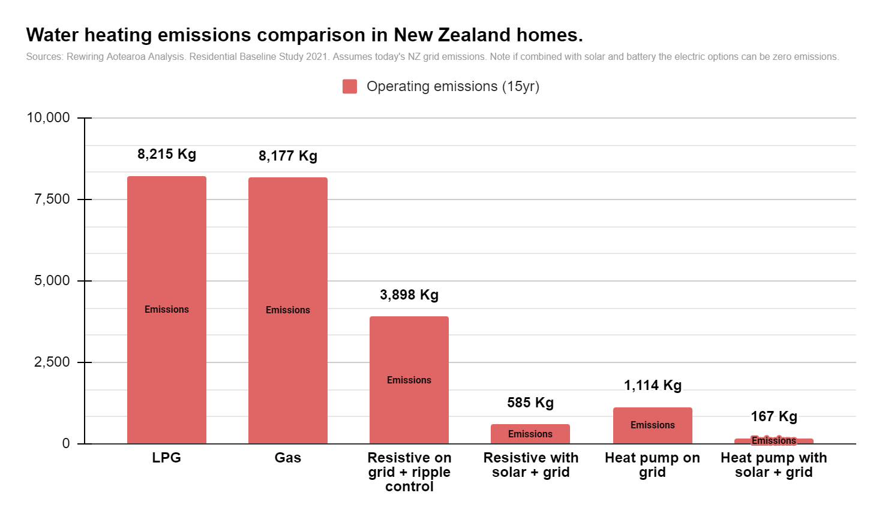
20% |  | 70%
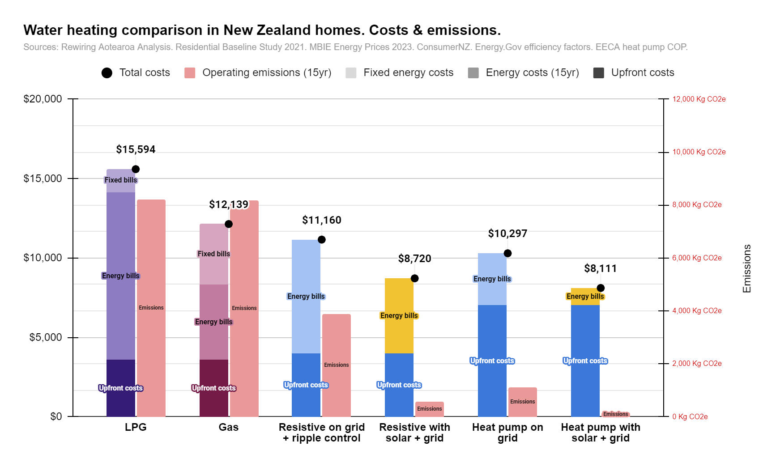
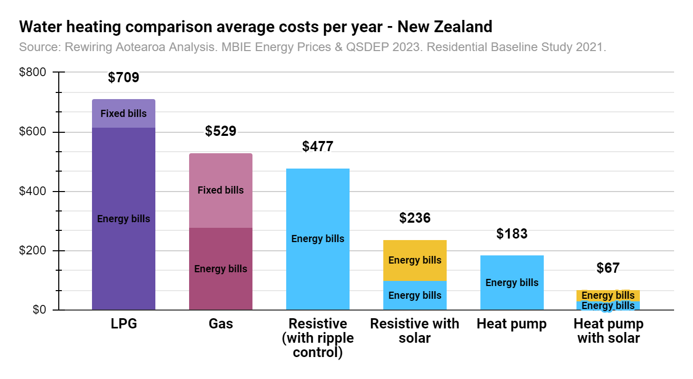
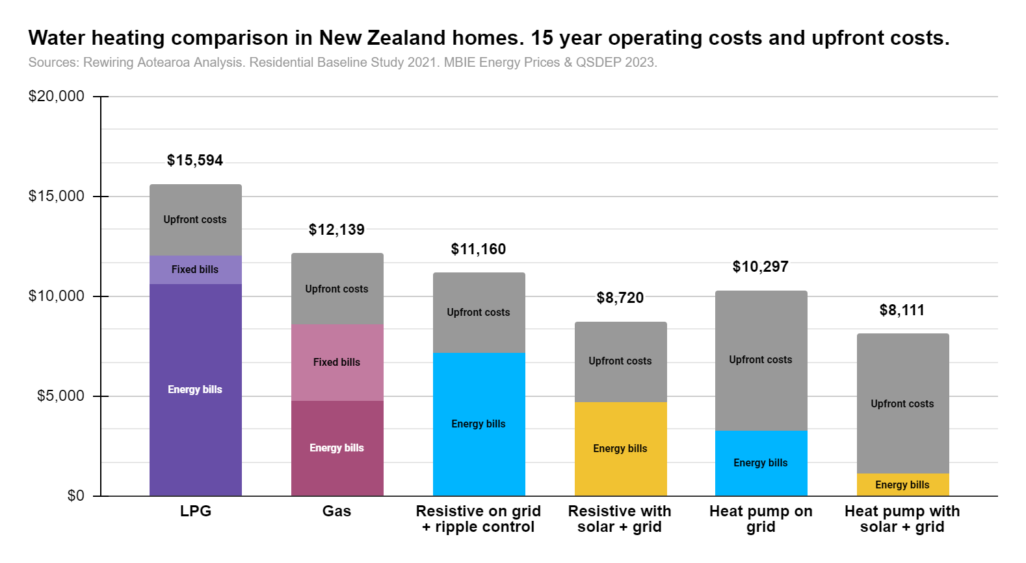
Options for homes | Average home | If heat pump on grid | If heat pump + solar
kWh/day |  | 0.34 | 0.34
kWh/year |  | 124 | 124
Running cost per year |  | $30 | $14

Water heating
 | # | # / home | % | kWh/day | kWh/day | kWh/day | kWh/day |  | kWh/day
Water heaters | How many in country | How many per home | COP | Electricity | Gas | LPG | Wood | Total | Base energy needs
Electric Water - Med/Large | 792,094 | 0.41 | 90% | 3.49 |  |  |  |  | 3.14
Electric Water - Small | 458,067 | 0.24 | 90% | 1.26 |  |  |  |  | 1.13
Gas instant (LPG) | 142,039 | 0.07 | 95% |  |  | 0.52 |  |  | 0.50
Gas instant (mains) | 299,344 | 0.16 | 95% |  | 1.10 |  |  |  | 1.04
Gas storage (LPG) | 1,439 | 0.00 | 95% |  |  | 0.01 |  |  | 0.01
Gas storage (mains) | 16,355 | 0.01 | 95% |  | 0.07 |  |  |  | 0.07
Heat pump | 10,859 | 0.01 | 315% | 0.01 |  |  |  |  | 0.04
Solar electric | 49,990 | 0.03 | 315% | 0.06 |  |  |  |  | 0.20
Solar gas | 0 | 0.00 | N/A
Wood | 183,082 | 0.10 | 75% |  |  |  | 0.55 |  | 0.41
Total |  |  |  | 4.82 | 1.17 | 0.53 | 0.55 | 7.07 | 6.53

 | Peak | Off peak | Solar window |  | Solar window utilisation heat pump |  | Solar window utilisation resistive
Natural behaviour | 57.32% | 42.68% | 28.39% |  | 85% |  | 75%
Ideal (and feasible) behaviour | 0% | 15% | 85% |  | 15% |  | 25%

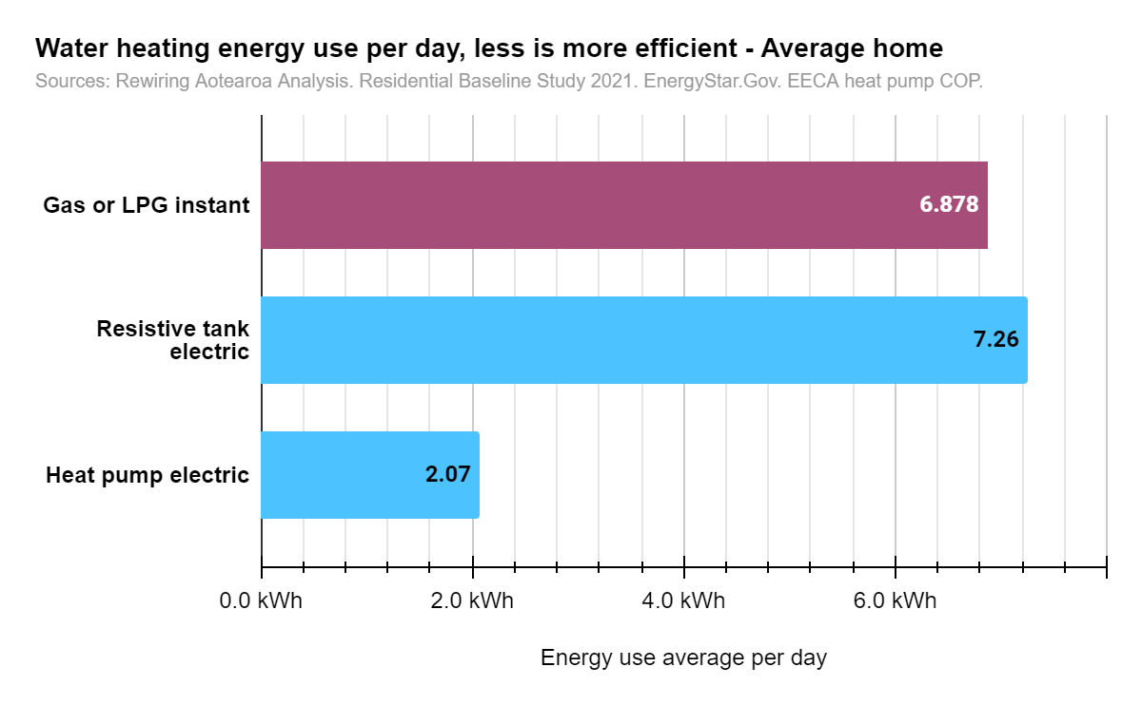
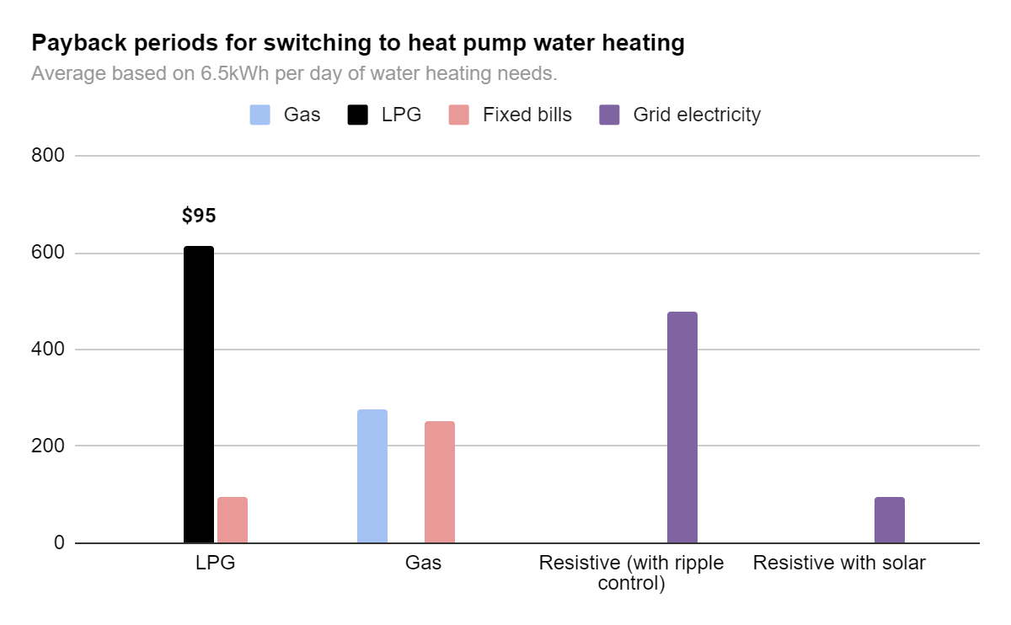
Options for homes | Average home devices | If Ngas | If LPG | If diesel boiler | If resistive (& ripple control) | If resistive + solar | If heat pump on grid | If heat pump + solar |  | Chart | Gas or LPG instant | Resistive tank electric | Heat pump electric
kWh/day | 0.0 | 6.878 | 6.878 | 9.01 | 7.26 | 7.26 | 2.074 | 2.07 |  | Gas or LPG | 6.878
kWh/year | 0 | 2512 | 2512 | 3292 | 2652 | 2652 | 758 | 758 |  | Electricity |  | 7.26 | 2.074
Running cost per year | $47 | $276 | $613 | $679 | $477 | $284 | $183 | $67
Lifetime (years) | 15 | 15 | 15 | 15 | 15 | 15 | 15 | 15
Running cost over lifetime | $700 | $4,768 | $10,582 | $10,443 | $7,160 | $4,720 | $3,277 | $1,091 |  | Chart costs | LPG | Gas | Resistive on grid + ripple control | Resistive with solar + grid | Heat pump on grid | Heat pump with solar + grid
Additional fixed cost portion (for Gas) |  | $253 | $95 |  |  |  |  |  |  | Energy costs (15yr) | $10,582 | $4,768 | $7,160 | $4,720 | $3,277 | $1,091
 |  |  |  |  |  |  |  |  |  | Upfront costs | $3,580 | $3,580 | $4,000 | $4,000 | $7,020 | $7,020
Installation cost differences |  |  |  |  |  |  |  |  |  | Operating emissions (15yr) | 8214.8 | 8177.1 | 3898.0 | 584.7 | 1113.7 | 167.1
Replacement capital costs |  | $1,400 | $1,400 |  | $2,000 | $2,000 | $4,700 | $4,700 |  | Fixed energy costs | $1,432 | $3,791
Replacement install costs |  | $2,180 | $2,180 |  | $2,000 | $2,000 | $2,320 | $2,320 |  | Total costs | $15,594 | $12,139 | $11,160 | $8,720 | $10,297 | $8,111
Total replacement costs |  | $3,580 | $3,580 | 0 | $4,000 | $4,000 | $7,020 | $7,020
Difference to heat pump costs
Difference to heat pump + solar |  |  |  |  |  |  |  |  |  | Chart operating costs | LPG | Gas | Resistive (with ripple control) | Resistive with solar | Heat pump | Heat pump with solar
Difference to resistance + solar |  |  |  |  |  |  |  |  |  | Gas |  | $276
 |  |  |  |  |  |  |  |  |  | LPG | $613
Total lifetime cost |  | $8,348 | $14,162 |  | $11,160 | $8,720 | $10,297 | $8,111 |  | Grid electricity |  |  | $477 | $96 | $183 | $27
 |  |  |  |  |  |  |  |  |  | Solar |  |  |  | $140 |  | $40
Savings comparison |  |  |  |  |  |  |  |  |  | Fixed bills | $95 | $253
Savings compared to average over lifetime |  |  |  |  |  |  |  |  |  | Total | $709 | $529 | $477 | $236 | $183 | $67
Savings compared to gas over lifetime
Savings compared to LPG over lifetime
Payback period - switching from gas |  |  |  |  |  |  |  |  |  | Labels
Payback period - switching from LPG |  |  |  |  |  |  |  |  |  | Label - Energy costs | Energy bills | Energy bills | Energy bills | Energy bills | Energy bills | Energy bills
Payback switching from resistive |  |  |  |  |  |  |  |  |  | Label - Upfront costs | Upfront costs | Upfront costs | Upfront costs | Upfront costs | Upfront costs | Upfront costs
 |  |  |  |  |  |  |  |  |  | Label - Fixed energy costs | Fixed bills | Fixed bills
Emissions |  |  |  |  |  |  |  |  |  | Label - Emissions | Emissions | Emissions | Emissions | Emissions | Emissions | Emissions
Emissions per year (KgCO2e) |  | 545.1 | 547.7 | 832.8 | 259.9 | 39.0 | 74.2 | 11.1
Emissions over lifetime (KgCO2e) |  | 8177.1 | 8214.8 | 12492.4 | 3898.0 | 584.7 | 1113.7 | 167.1

Cooking
 | # | # / home | % | kWh/day | kWh/day | kWh/day | kWh/day |  |  | kWh/day | kWh/day | kWh/day | kWh/day | kWh/day | kWh/day
Cooking | How many in country | How many per home | COP | Electricity | Gas | LPG | Total (kWh/day) |  |  | Base energy | If induction | if resistive | if gas | if LPG | if solar induction
Cooktops (from RBS) | 1,063,892 | 0.55 |  | 1.55 | 0.08 | 0.02 | 1.65
Microwave (from RBS) | 1,838,160 | 0.96 |  | 0.68 |  |  | 0.68
Ovens (from RBS) | 1,063,892 | 0.55 |  | 0.82 | 0.02 |  | 0.84
Uprights (from RBS) | 870,457 | 0.45 |  | 1.05 |  |  | 1.05
Cooktop - Electric resistance | 892398 | 0.46 | 71% | 0.59 |  |  | 0.59 |  |  | 0.42 |  | 0.63
Cooktop - Electric induction | 31917 | 0.02 | 79% | 0.02 |  |  | 0.02 |  |  | 0.02 | 0.57 |  |  |  | 0.57
Cooktop - Gas | 111662 | 0.06 | 30% |  | 0.03 |  | 0.03 |  |  | 0.01 |  |  | 1.48
Cooktop - LPG | 27915 | 0.01 | 30% |  |  | 0.01 | 0.01 |  |  | 0.00 |  |  |  | 1.48
Oven - Electric | 1037260 | 0.54 | 95% | 0.33 |  |  | 0.33 |  |  | 0.31 | 0.33 | 0.33 |  |  | 0.33
Oven - Gas | 25231 | 0.01 | 90% |  | 0.01 |  | 0.01 |  |  | 0.01 |  |  | 0.35
Oven - LPG | 0 | 0 | 90% |  |  |  | 0.00 |  |  |  |  |  |  | 0.35
Upright - Electric | 870,457 | 0.45 | 74% | 0.42 |  |  | 0.42 |  |  | 0.31 | 0.42 | 0.42 |  |  | 0.42
Upright - Gas | 0 | 0 | 39% |  |  |  | 0.00 |  |  |  |  |  | 0.80
Upright - LPG | 0 | 0 | 39% |  |  |  | 0.00 |  |  |  |  |  |  | 0.80
Microwave | 1,838,160 | 0.96 | 65% | 0.27 |  |  | 0.27 |  |  | 0.18 | 0.27 | 0.27 | 0.27 | 0.27 | 0.27
Total |  |  |  | 1.63 | 0.04 | 0.01 | 1.67 |  |  | 1.25 | 1.59 | 1.65 | 2.90 | 2.90 | 1.59

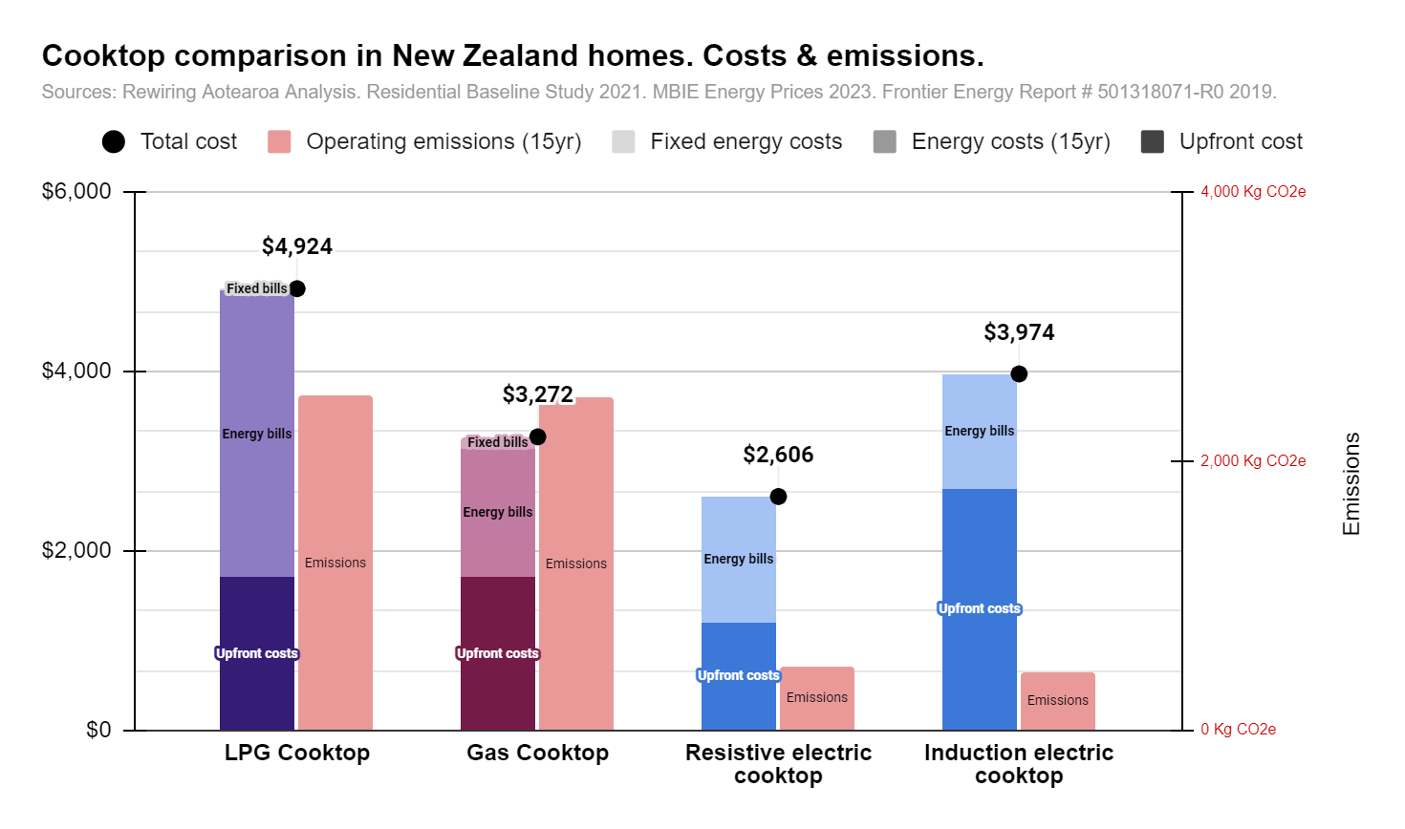
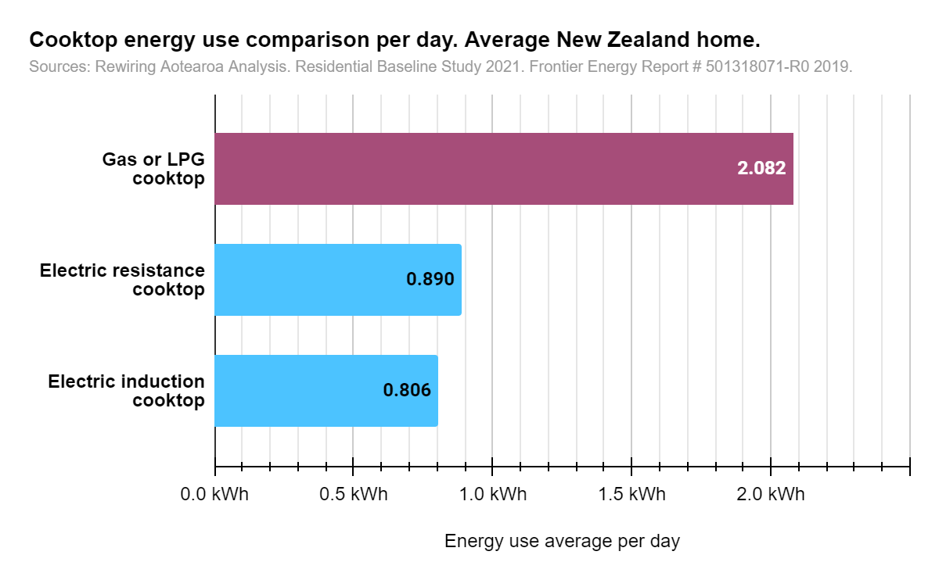
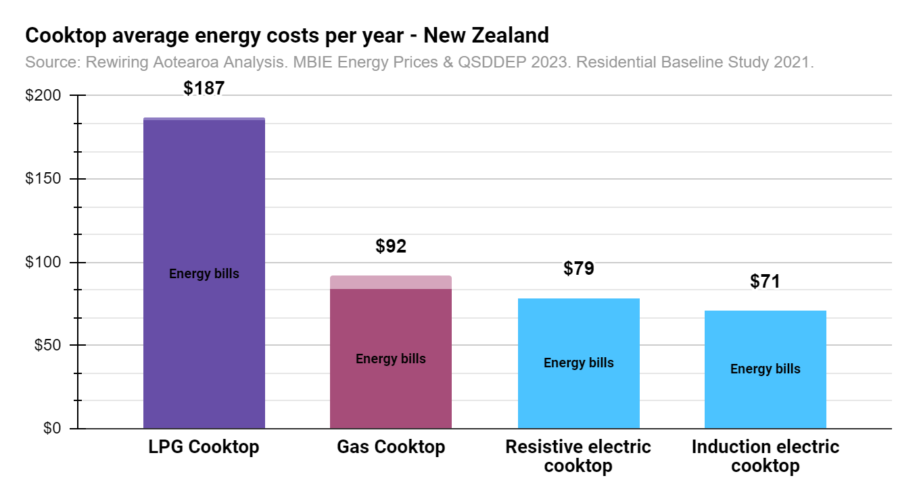
Ratio of cooktop to oven estimate | 58.77%
 |  |  |  |  | 0.63

Cooktop options | Average home | If Ngas | If LPG | If resistive | If induction |  | Chart | LPG Cooktop | Gas Cooktop | Resistive electric cooktop | Induction electric cooktop
kWh/day |  | 2.082 | 2.082 | 0.890 | 0.81 |  | Upfront cost | $1,700 | $1,700 | $1,200 | $2,700
kWh/year |  | 760 | 760 | 325 | 294 |  | Energy costs (15yr) | 3202.7 | 1443.1 | 1406.3 | $1,274
Running cost per year |  | $84 | $186 | $79 | $71 |  | Fixed energy costs | $21 | $129
Lifetime (years) | 15 | 15 | 15 | 15 | 15 |  | Total cost | $4,924 | $3,272 | $2,606 | $3,974
Running cost over lifetime |  | $1,443 | $3,203 | $1,406 | $1,274 |  | Operating emissions (15yr) | 2486 | 2475 | 478 | 433
Additional fixed cost portion (for Gas) |  | $129 | $21

Installation cost differences
Replacement capital costs |  | $1,000 | $1,000 | $900 | $1,400 |  | Chart operating costs | LPG Cooktop | Gas Cooktop | Resistive electric cooktop | Induction electric cooktop
Replacement install costs |  | $700 | $700 | $300 | $1,300 |  | LPG | $186
Total replacement costs |  | $1,700 | $1,700 | $1,200 | $2,700 |  | Gas |  | $84
 |  |  |  |  |  |  | Grid electricity |  |  | $79 | $71
Total lifetime cost |  | $3,143 | $4,903 | $2,606 | $3,974 |  | Fixed bills | $1 | $9
Payback period over gas |  | n/a | n/a | 0 | 80.6
Payback period over LPG |  | n/a | n/a | 0 | 8.7

Savings comparison |  |  |  |  |  |  | Chart energy use | Gas or LPG cooktop | Electric resistance cooktop | Electric induction cooktop
Savings compared to average over lifetime |  |  |  |  |  |  | Gas or LPG | 2.082
Savings compared to gas over lifetime |  |  |  |  |  |  | Electricity |  | 0.890 | 0.81
Savings compared to LPG over lifetime
Payback period - switching from gas |  |  |  |  |  |  | Labels
Payback period - switching from LPG |  |  |  |  |  |  | Label - Energy costs | Energy bills | Energy bills | Energy bills | Energy bills
 |  |  |  |  |  |  | Label - Upfront costs | Upfront costs | Upfront costs | Upfront costs | Upfront costs
Emissions |  |  |  |  |  |  | Label - Fixed energy costs | Fixed bills | Fixed bills
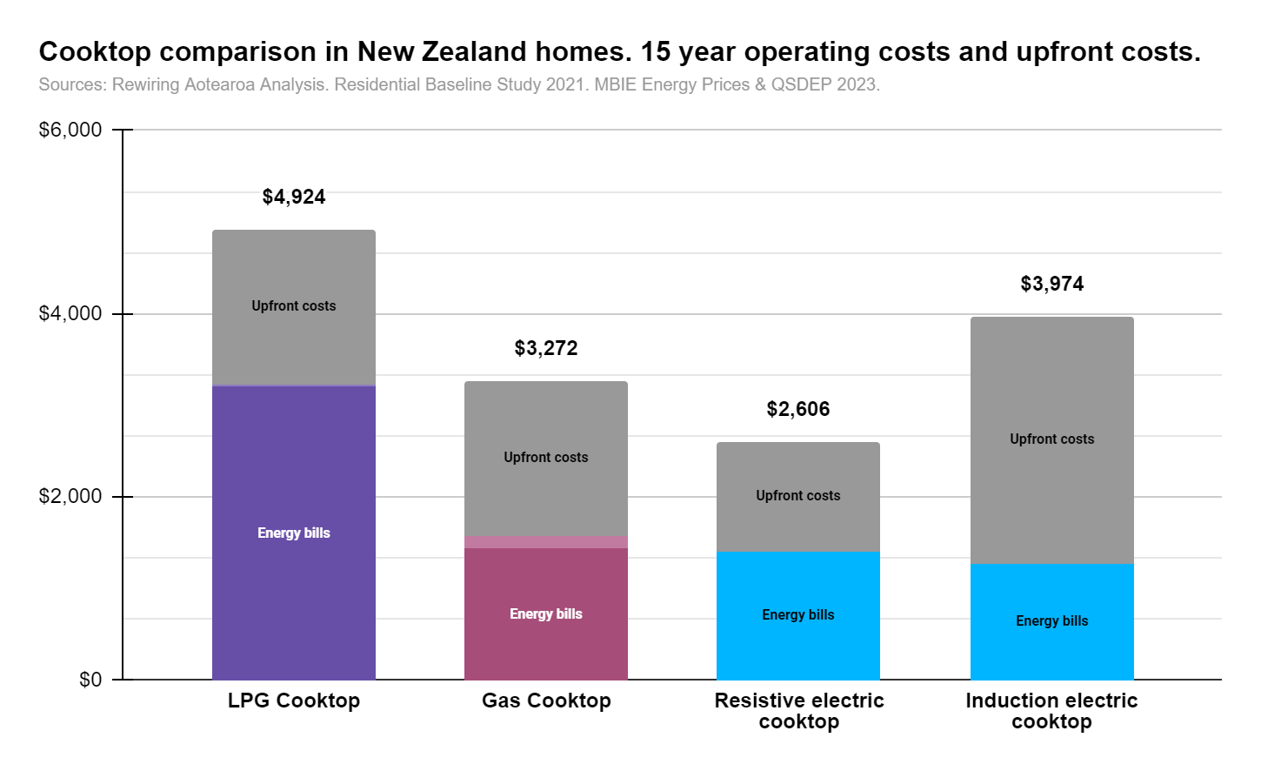
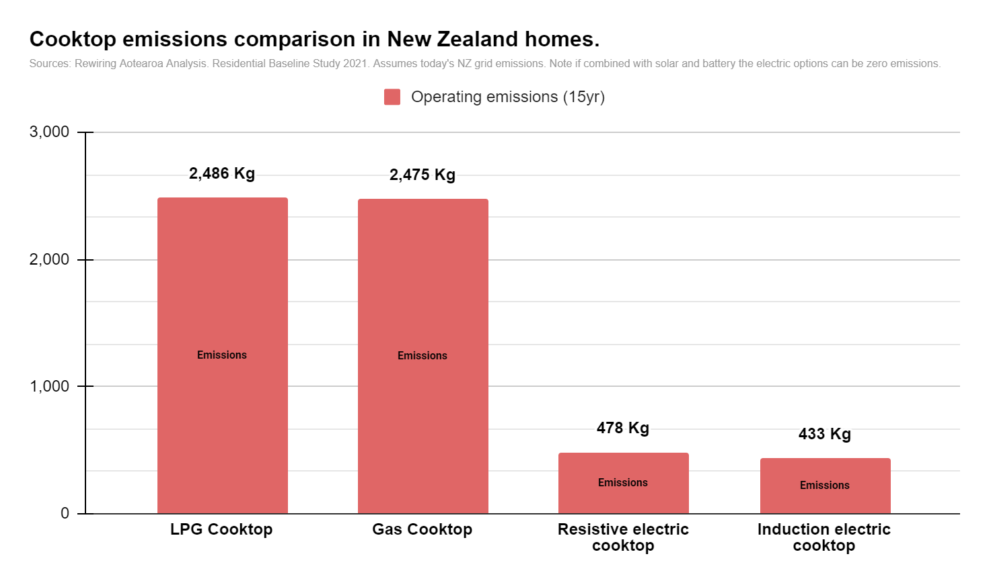
Emissions per year (KgCO2e) |  | 165 | 166 | 32 | 29 |  | Label - Emissions | Emissions | Emissions | Emissions | Emissions
Emissions over lifetime (KgCO2e) |  | 2475 | 2486 | 478 | 433

Other cooking | Electric
Oven | 0.47
Microwave | 0.27
Refrigeration | 2.06
Dishwasher | 0.26
Total other cooking | 3.06

Cost per year Other cooking | $270.686
Assumed lifetime | 15
Cost over lifetime Other cooking | $4,840

Total cooking emissions
Emissions per year (KgCO2e) | 110
Emissions over lifetime (KgCO2e) | 1645

Other appliances
Other usage | Electricity kWh/day | kWh/year | Cost per day | Cost per year | Lifetime | Cost over 15 years
Lights | 0.85 | 310 | $0.21 | $75 | 15 | $1,342
Washing machine | 0.25 | 92 | $0.06 | $22 | 15 | $396
Dryer | 0.13 | 46 | $0.03 | $11 | 15 | $199
Other | 3.25 | 1188 | $0.79 | $287 | 15 | $5,137
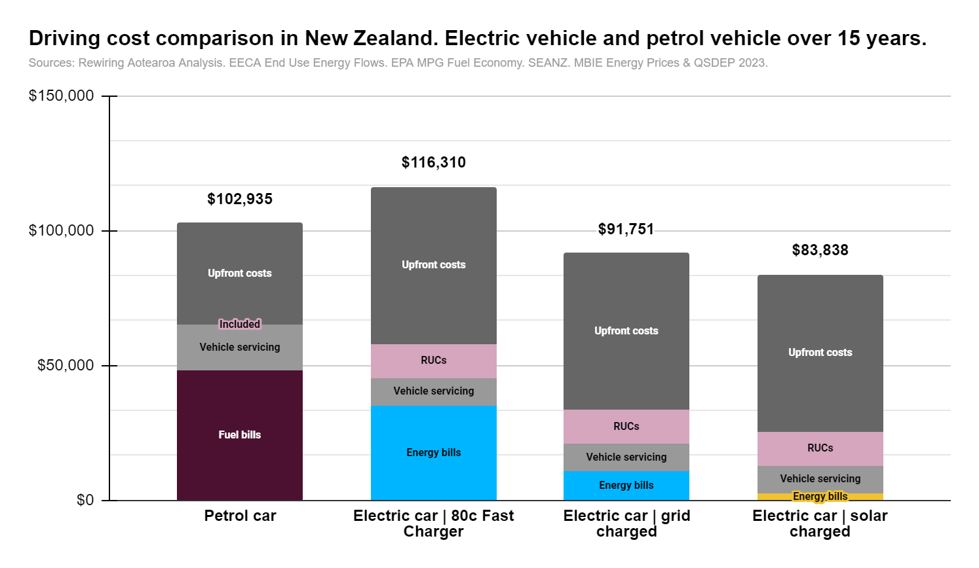
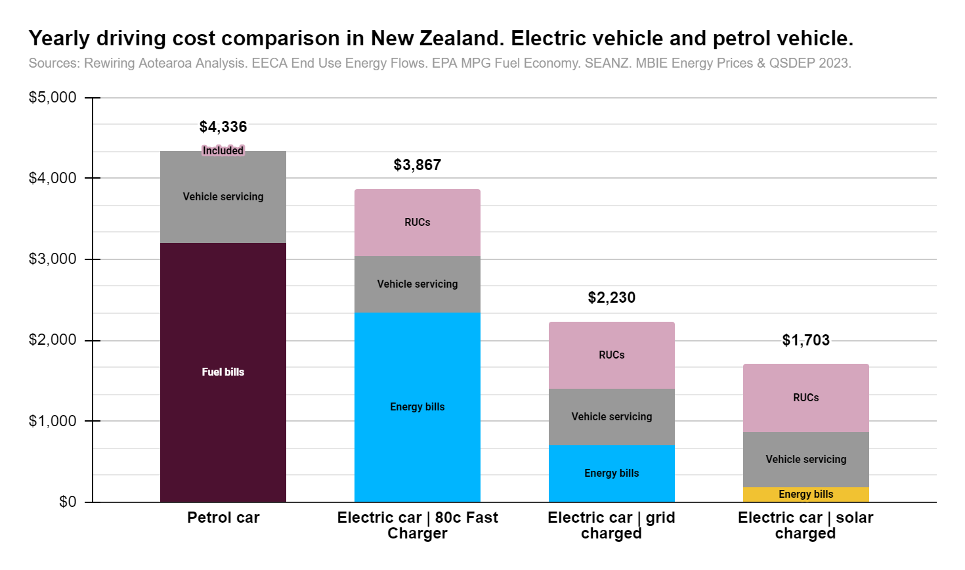
Total Other | 4.48 | 1635 | $1.08 | $396 |  | $7,074
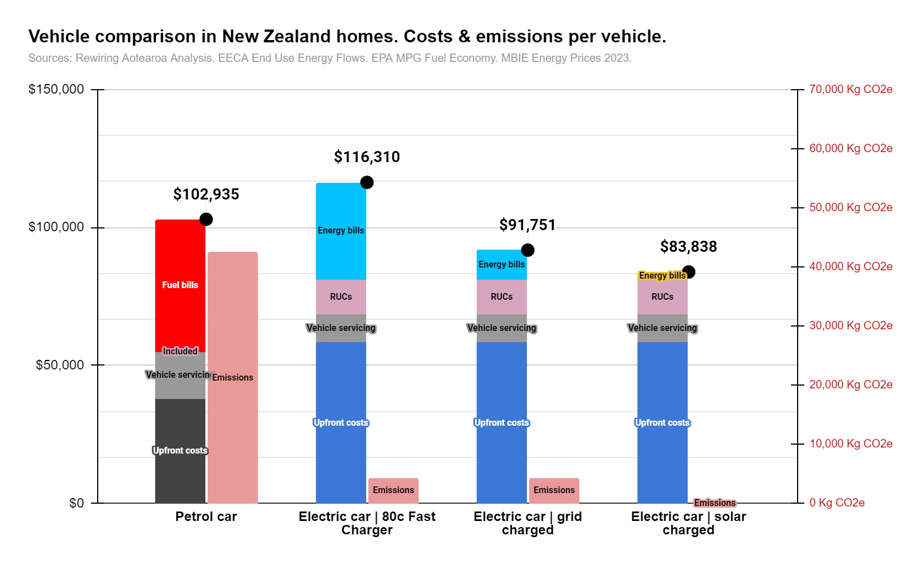

Vehicles
 | # | # / home | % | kWh/day | kWh/day | kWh/day | kWh/day
Vehicles |  | How many per home | COP | Electricity | Petrol | Diesel | LPG | Total
Per house (kWh/day) |  | 1.80 |  |  | 39.2 | 16.3 | 0.05 | 55.55
Per vehicle |  | 1 |  |  | 21.8 | 9.1 | 0.0 | 30.9

Options | Average home | Petrol vehicles | Diesel vehicles | Electric | Electric solar charged | Electric car | 80c Fast charger | RUCs Assumed km
kWh/day | 55.5 | 57.6 | 51.1 | 14.4 | 14.4 | 14.4
kWh/year | 20290 | 21054 | 18654 | 5277 | 5277 | 5277.0 |  | 100.00 | 9.2 | 10.869565217
Litres/day |  | 6.07 | 4.76 | n/a | n/a | n/a
Electric vehicle efficiency factor |  | n/a | n/a | 26.0% | 26.0% | 0.3 |  | Driving cost per "tank" (500km/50L) | Petrol car | at $3.00/L | Electric Car | Fast Charger (80c) | Electric car | Charged from Grid at home | Electric car | Charged from Solar at home
RUCs per year | 12000 |  |  | $1,505 | $1,505 | 1504.8 | 11000 | Cost per tank | 150 | 98.832620848 | $29.886 | $7.669
Running cost per year |  | $5,761 | $3,850 | $1,277 | $328 | 4221.6 |  | RUCS |  | 38 | 38 | 38
Lifetime (years) |  | 15 | 15 | 15 | 15 | 15.0
RUCs over lifetime |  |  |  | $22,572 | $22,572 | $22,572
Running cost over lifetime |  | $88,548 | $59,181 | $22,828 | $4,914 | $63,324 |  | Chart | Petrol car | Electric car | 80c Fast Charger | Electric car | grid charged | Electric car | solar charged
EV charger costs |  |  |  | $2,000 | $2,000 | $2,000 |  | Energy costs (15yr) | $48,038 | $35,204 | $10,646 | $2,732
Replacement capital costs for 1.8 cars |  | $68,000 |  | $103,000 | $103,000 | $103,000 |  | Upfront costs | $37,900 | 58300.0 | $58,300 | $58,300
Total lifetime costs 1.8 cars |  | $156,548 |  | $125,828 | $107,914 | $166,324 |  | Vehicle servicing | 16997.297619 | 10265.694602 | 10265.694602 | 10265.69
 |  |  |  |  |  |  |  | RUCs | 0.00 | $12,540 | $12,540 | $12,540
Emissions |  |  |  |  |  |  |  | Total cost | $102,935 | $116,310 | $91,751 | $83,838
Emissions per year (KgCO2e) |  | 5095.1 | 4719.5 | 517.1 | 0.0 | 517.1 |  | Operating emissions (15yr) | 42488.27 | 4312.5 | 4312.5 | 0.0
Emissions over lifetime (KgCO2e) |  | 76426.6 | 70792.7 | 7757.2 | 0.0 | 7757.2
 |  |  |  |  |  |  |  | Yearly per car | Petrol car | Electric car | 80c Fast Charger | Electric car | grid charged | Electric car | solar charged
Per vehicle |  |  |  |  |  |  |  | Energy costs - 1 yr | 3202.5309177 | 2346.9 | $710 | 182.1
kWh/day |  | 32.0 | 28.4 | 8.027 | 8.0 | 8.0 |  | RUCs |  | $836 | $836 | $836
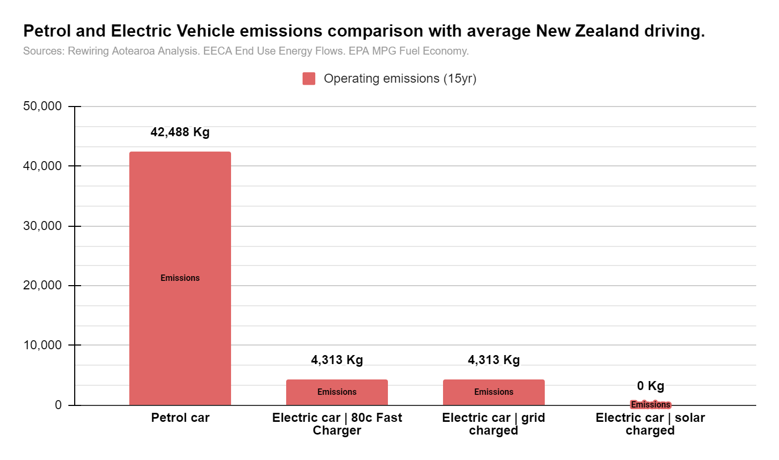
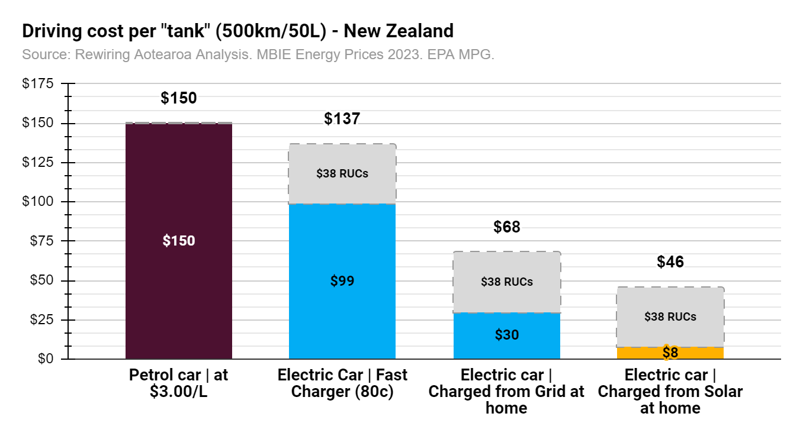
kWh/year |  | 11705 | 10371 | 2934 | 2934 | 2933.7 |  | Vehicle servicing | 1133.15 | 684.4 | 684.38 | 684.4
Litres/day |  | 3.37 | 2.65 | n/a | n/a |  | 13383.01
Electric vehicle efficiency factor |  |  |  | 26.0% | 26.0% | 26.0%
RUCs per year |  |  |  | $836 | $836 | $836
Running cost per year |  | 3202.5309177 | $2,140 | $710 | 182.1 | 2346.9
Lifetime (years) |  | 15 | 15 | 15 | 15.0 | 15.0
Running cost over lifetime |  | $48,038 | $32,106 | $10,646 | $2,732 | $35,204
Vehicle maintenance |  | 1133.15 | 1133.15 | 684.38 | 684.4 | 684.4 |  | Labels
Replacement capital costs per car |  | $37,900 |  | $58,300 | 58300.0 | 58300.0 |  | Label - Energy costs | Fuel bills | Energy bills | Energy bills | Energy bills
 |  |  |  |  |  |  |  | Label - Upfront costs | Upfront costs | Upfront costs | Upfront costs | Upfront costs
Total lifetime costs per car |  | $85,938 |  | $68,946 | $61,032 | $93,504 |  | Label - RUCs | Included | RUCs | RUCs | RUCs
 |  |  |  |  |  |  |  | Label - Emissions | Emissions | Emissions | Emissions | Emissions
Emissions |  |  |  |  |  |  |  | Label - servicing | Vehicle servicing | Vehicle servicing | Vehicle servicing | Vehicle servicing
Emissions per year (KgCO2e) |  | 2832.6 | 2623.7 | 287.5 | 0.0 | 287.50130506
Emissions over lifetime (KgCO2e) |  | 42488.3 | 39356.2 | 4312.5 | 0.0 | 4312.5

Fixed costs | $/day | $/year | Home heating costs in 2023 - Consumer NZ | Proportion assumptions for bringing fixed costs of gas/lpg into opex of appliances. All homes have fixed electricity costs.
Electricity | $1.9 | $689 |  | Space | Water | Cooking
Gas | $1.6 | $587 |  | 55.483% | 43.054% | 1.462%
LPG | $0.4 | $139 |  | 30.278% | 68.694% | 1.028%

Full home
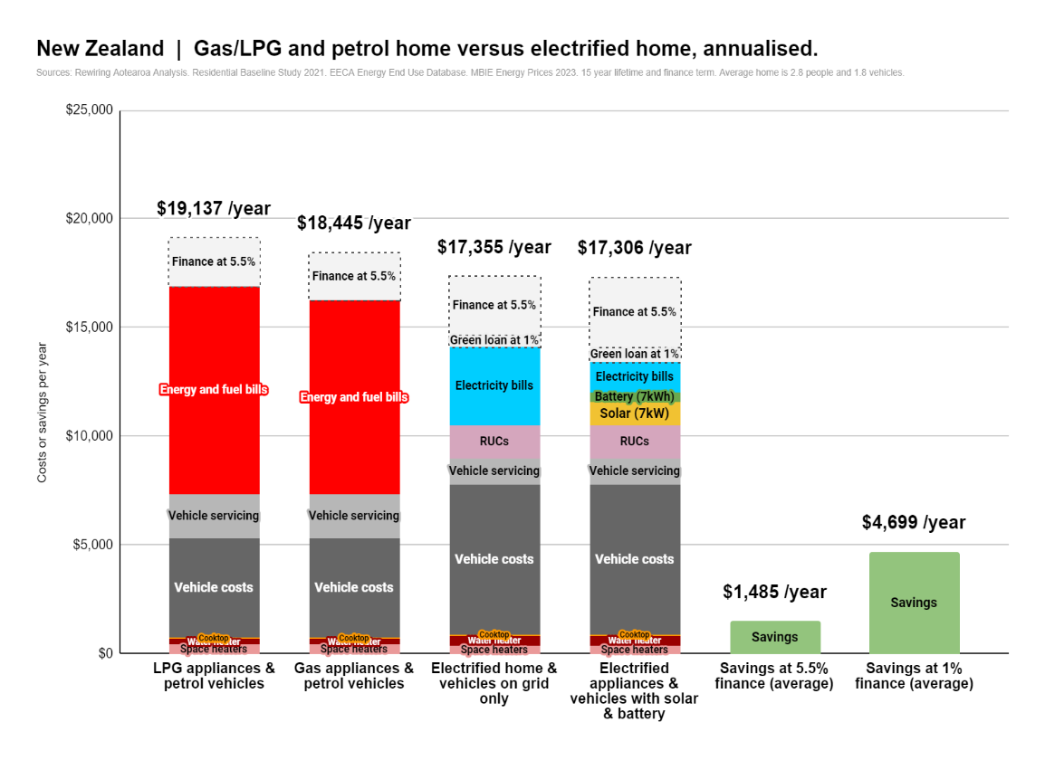
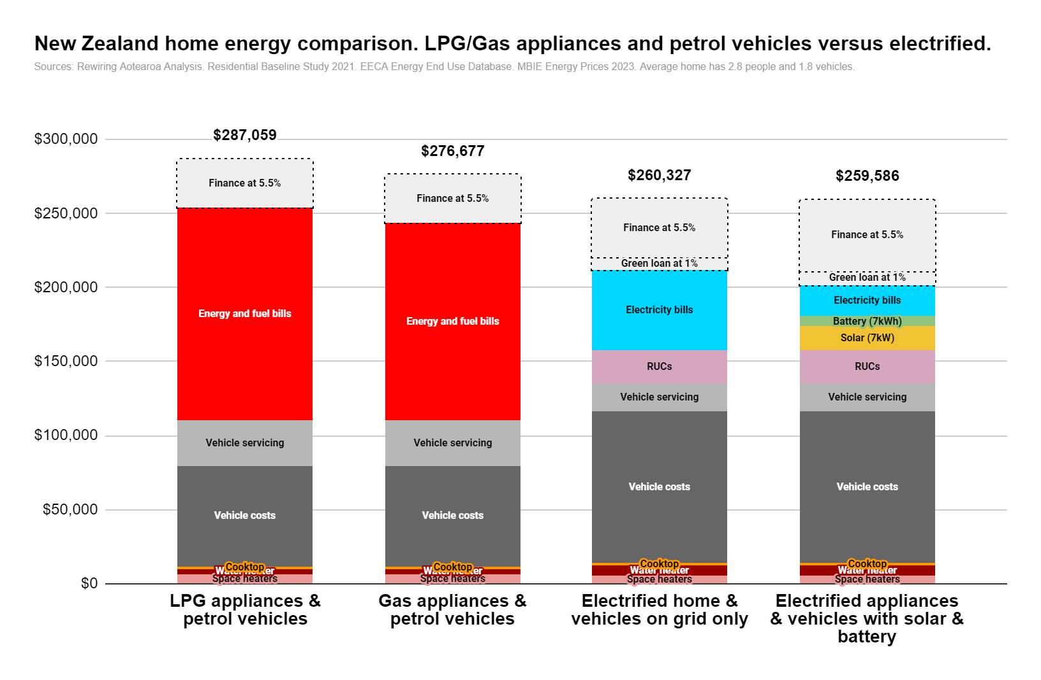
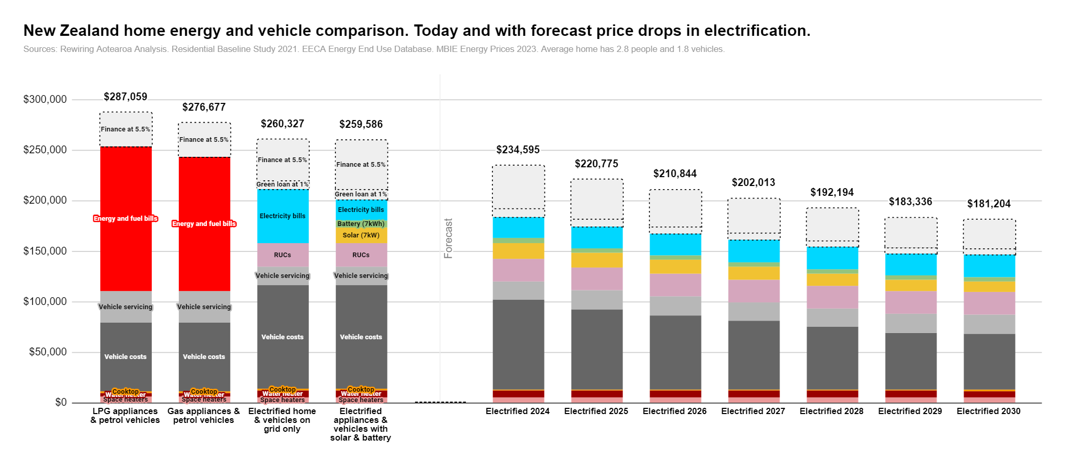
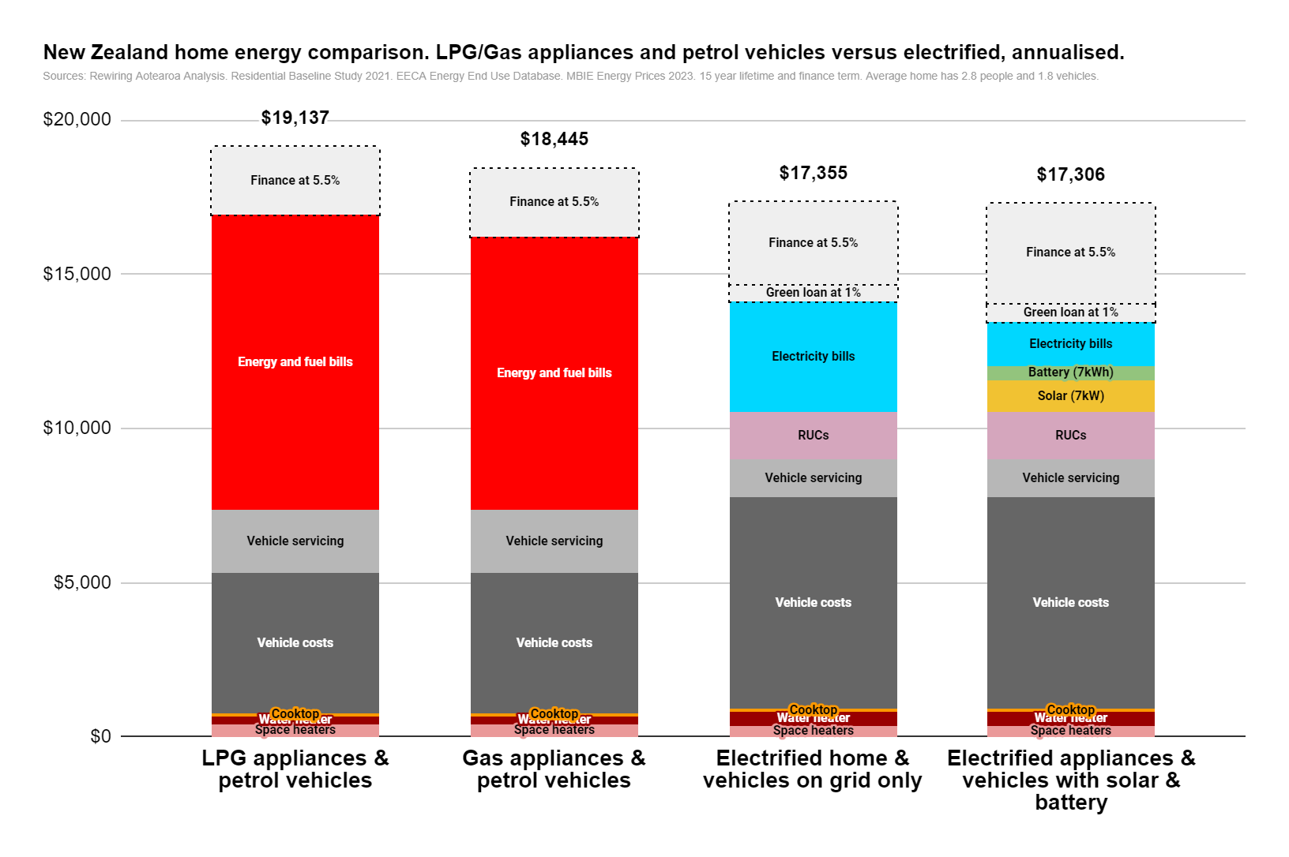
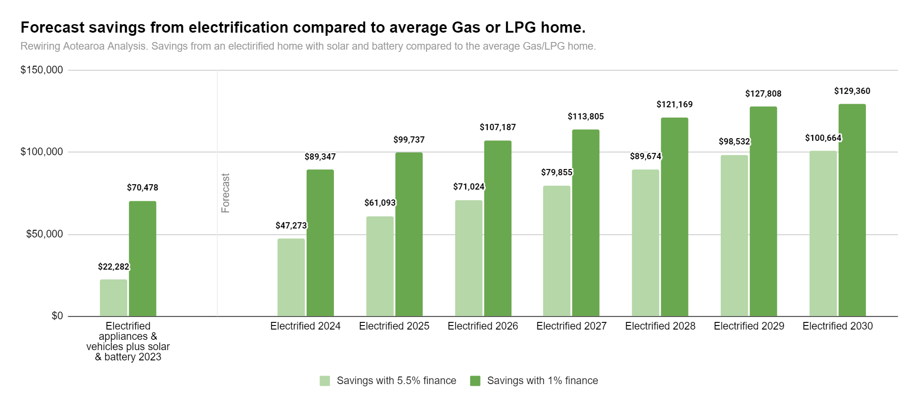
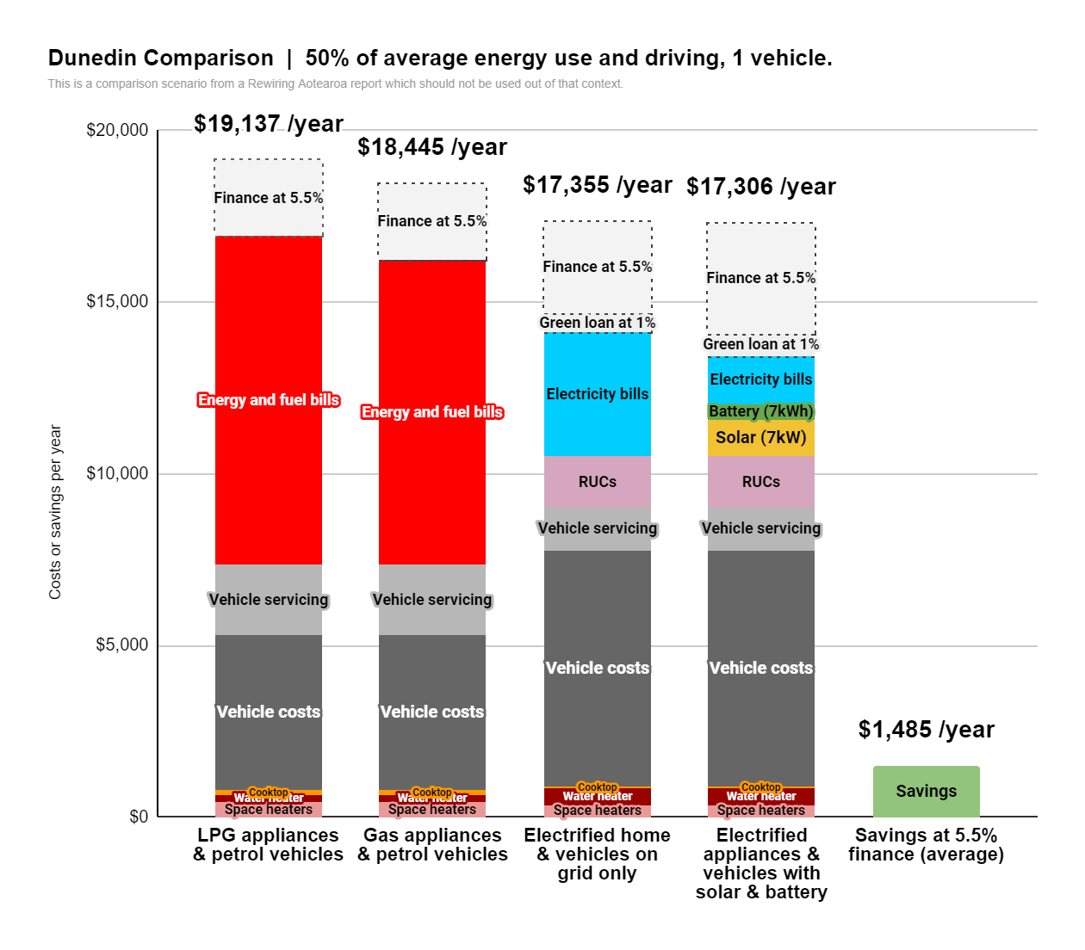
Customisable assumptions

Location | Average
Space heating needs (changes based on location) | 100%
Household (appliance) energy use (% of average) | 100%
Vehicle number | 1.8
Vehicle energy use (% of average) | 100%

Solar capacity factor (changes based on location) | 15%
Solar size | 7
Feed in tariff | -$0.12
Solar self consumption on appliances | 50%
Solar self consumption on EV charging | 50%
Battery size | 7

Primary finance rate | 5.5%
Green loan rate | 1%
Finance term (which can be shorter than lifetime) | 15
Operational lifetime (defines opex bills) | 15

Electrified energy calcs | kWh per year | % of total needs | kWh per day over lifetime
Total electricity needs | 10210 | 100% | 28.0
Electricity needs - appliances | 4933 | 48% | 13.5
Electricity needs - vehicles | 5277 | 52% | 14.4
Generated from from solar | 8561 | 84% | 23.4
- self consumed of total generated | 5105 | 60% | 14.0
Energy consumed from grid | 3035 | 30% | 8.3
Stored into battery then consumed or exported | 2070 | 20% | 5.7
Exported (from solar or battery) | 1386 | 14% | 3.8

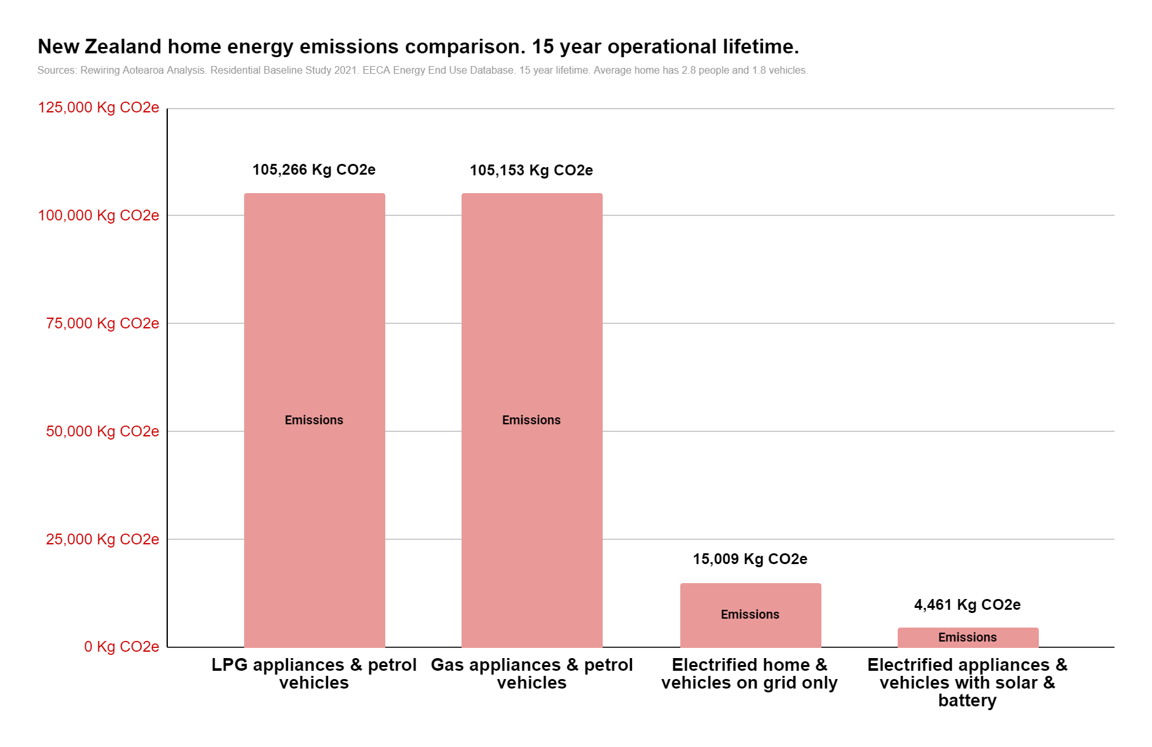
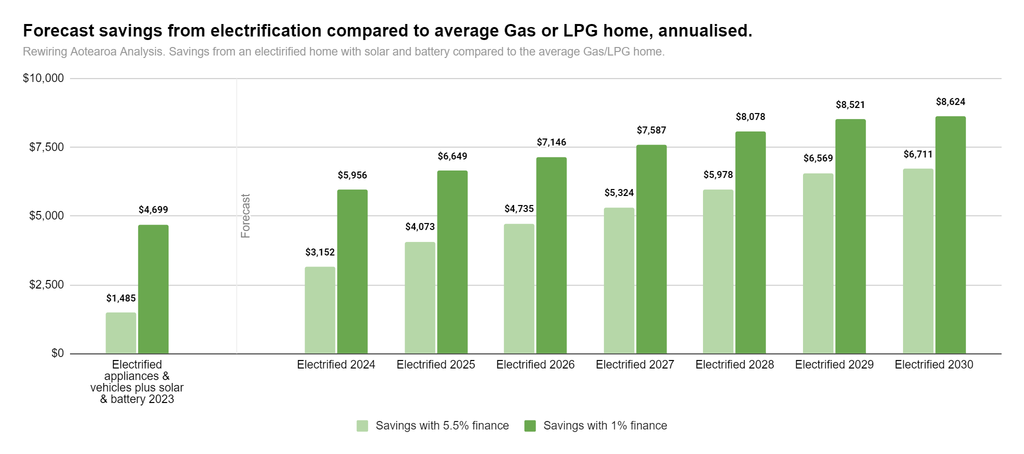
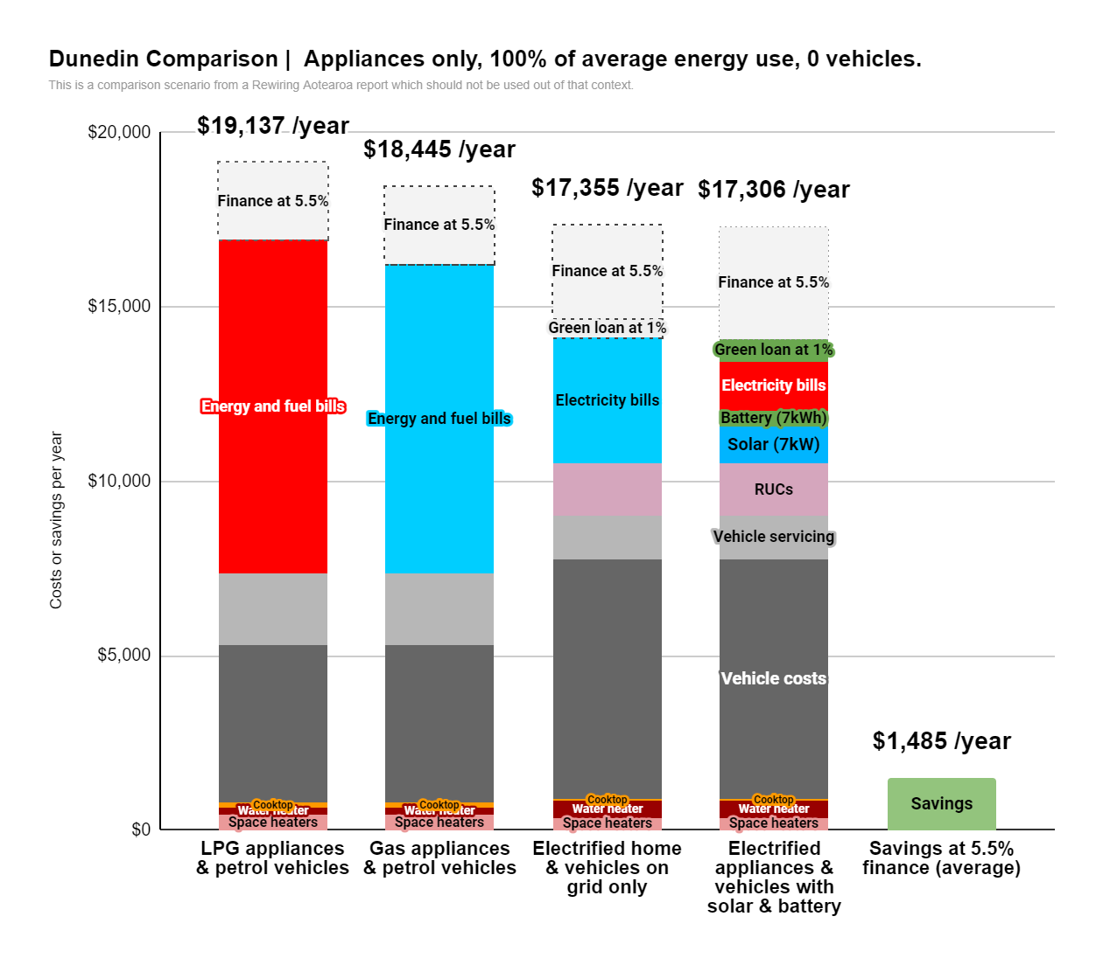
Home options |  | LPG appliances & petrol vehicles | Gas appliances & petrol vehicles | Electrified on grid only (excludes grid upgrade costs) | Electrified with solar & battery | Chart home comparison | LPG appliances & petrol vehicles | Gas appliances & petrol vehicles | Electrified home & vehicles on grid only | Electrified appliances & vehicles with solar & battery |  |  | Electrified 2024 | Electrified 2025 | Electrified 2026 | Electrified 2027 | Electrified 2028 | Electrified 2029 | Electrified 2030 | Savings comparison chart | Electrified appliances & vehicles plus solar & battery 2023 |  | Electrified 2024 | Electrified 2025 | Electrified 2026 | Electrified 2027 | Electrified 2028 | Electrified 2029 | Electrified 2030
Total combined capex and opex |  | $223,279 | $212,896 | $170,707 | $160,410 | Total combined capex and opex | $253,874 | $243,492 | $211,758 | $201,460 |  |  | $183,853 | $174,169 | $167,231 | $161,069 | $154,210 | $148,028 | $146,596
Capital costs |  | $79,680 | $79,680 | $116,620 | $139,564 | Total including 5.5% finance | $287,059 | $276,677 | $260,327 | $259,586 |  |  | $234,595 | $220,775 | $210,844 | $202,013 | $192,194 | $183,336 | $181,204 | Total savings with solar electrification
Solar |  | n/a | n/a | n/a | $15,944 | Space heaters | $6,400 | $6,400 | $5,400 | $5,400 |  |  | $5,359 | $5,323 | $5,288 | $5,258 | $5,223 | $5,188 | $5,152 | Savings with 5.5% finance | $22,282 |  | $47,273 | $61,093 | $71,024 | $79,855 | $89,674 | $98,532 | $100,664
Battery |  | n/a | n/a | n/a | $7,000 | Water heater | $3,580 | $3,580 | $7,020 | $7,020 |  |  | $6,966 | $6,920 | $6,874 | $6,836 | $6,790 | $6,744 | $6,698 | Savings with 1% finance | $70,478 |  | $89,347 | $99,737 | $107,187 | $113,805 | $121,169 | $127,808 | $129,360
Space heating capital costs |  | $6,400 | $6,400 | $5,400 | $5,400 | Cooktop | $1,700 | $1,700 | $1,200 | $1,200 |  |  | $1,200 | $1,200 | $1,200 | $1,200 | $1,200 | $1,200 | $1,200 | Forecast |  | 0
Water heating capital costs |  | $3,580 | $3,580 | $7,020 | $7,020 | Vehicle(s) | $68,000 | $68,000 | $103,000 | $103,000 |  |  | $88,092 | $79,283 | $73,184 | $67,763 | $61,664 | $56,243 | $55,566 | Label forecast |  | Forecast
Cooktop capital costs |  | $1,700 | $1,700 | $1,200 | $1,200 | Solar |  |  |  | $15,944 |  |  | $15,182 | $14,424 | $13,661 | $12,904 | $12,141 | $11,378 | $10,621
Vehicle capital costs |  | $68,000 | $68,000 | $103,000 | $103,000 | Battery |  |  |  | $7,000 |  |  | $5,036 | $4,753 | $4,511 | $4,349 | $4,186 | $4,024 | $3,861
Capital costs divided over lifetime |  | $5,312 | $5,312 |  |  | RUCs |  |  | $22,572 | $22,572 |  |  | $22,572 | $22,572 | $22,572 | $22,572 | $22,572 | $22,572 | $22,572 | Yearly
RUCs |  |  |  | $1,505 | $1,505 | Finance at 5.5% | $33,185 | $33,185 | $40,273 | $48,196 |  |  | $42,073 | $38,644 | $36,163 | $33,950 | $31,496 | $29,276 | $28,696 | Savings with 5.5% finance | $1,485 |  | $3,152 | $4,073 | $4,735 | $5,324 | $5,978 | $6,569 | $6,711
Vehicle servicing costs |  | $2,040 | $2,040 | $1,232 | $1,232 | Finance at 1% |  |  | $8,297 | $9,929 |  |  | $8,668 | $7,961 | $7,450 | $6,994 | $6,489 | $6,031 | $5,912 | Savings with 1% finance | $4,699 |  | $5,956 | $6,649 | $7,146 | $7,587 | $8,078 | $8,521 | $8,624
Energy bills |  |  |  |  |  | Vehicle servicing | $30,595 | $30,595 | $18,478 | $18,478 |  |  | $18,478 | $18,478 | $18,478 | $18,478 | $18,478 | $18,478 | $18,478
Electricity volume costs |  | $822 | $822 | $2,917 | $867 | Energy bills over lifetime | $143,599 | $133,216 | $54,087 | $20,845 |  |  | $20,969 | $21,215 | $21,462 | $21,709 | $21,955 | $22,202 | $22,448
Electricity fixed costs |  | $689 | $689 | $689 | $689 | Total at 5.5% | $287,059 | $276,677 | $260,327 | $259,586
Feed in tarrif |  | n/a | n/a | n/a | -$166 | Total at 1% | $287,059 | $276,677 | $220,055 | $211,390
Electricity bills total |  | $1,511 | $1,511 | $3,606 | $1,390
Gas volue costs |  |  | $935 |  |  | Emissions (kg CO2e) | 105266 | 105,153kg emissions | 15,009kg emissions | 4,461kg emissions
Gas fixed costs |  |  | $587 |  |  |  |  |  |  | 100,691kg emissions | 6712.757156
Gas bills total |  | $0 | $1,522 | $0 | $0 | Yearly |  |  |  |  |  |  |  |  |  |  |  |  |  | Chart - simple comparison | LPG appliances & petrol vehicles | Gas appliances & petrol vehicles | Electrified home & vehicles on grid only | Electrified appliances & vehicles with solar & battery | Savings at 5.5% finance (average) | Savings at 1% finance (average) | Gas/LPG appliances and petrol vehicles
LPG |  | $2,075 |  |  |  | Space heaters | $427 | $427 | $360 | $360 |  |  | $357 | $355 | $353 | $351 | $348 | $346 | $343 | Space heaters | $427 | $427 | $360 | $360 |  |  | $427
LPG fixed |  | $139 |  |  |  | Water heater | $239 | $239 | $468 | $468 |  |  | $464 | $461 | $458 | $456 | $453 | $450 | $447 | Water heater | $239 | $239 | $468 | $468 |  |  | $239
LPG bills total |  | $2,214 | $0 | $0 | $0 | Cooktop | $113 | $113 | $80 | $80 |  |  | $80 | $80 | $80 | $80 | $80 | $80 | $80 | Cooktop | $113 | $113 | $80 | $80 |  |  | $113
Petrol |  | $5,848 | $5,848 |  |  | Vehicle(s) | $4,533 | $4,533 | $6,867 | $6,867 |  |  | $5,873 | $5,286 | $4,879 | $4,518 | $4,111 | $3,750 | $3,704 | Vehicle(s) | $4,533 | $4,533 | $6,867 | $6,867 |  |  | $4,533
Diesel |  |  |  |  |  | Solar |  |  |  | $1,063 |  |  | $1,012 | $962 | $911 | $860 | $809 | $759 | $708 | Solar | 0 | 0 | 0 | $1,063
Total energy bills |  | $9,573 | $8,881 | $3,606 | $1,390 | Battery |  |  |  | $467 |  |  | $336 | $317 | $301 | $290 | $279 | $268 | $257 | Battery | 0 | 0 | 0 | $467
Energy bills over lifetime |  | $143,599 | $133,216 | $54,087 | $20,845 | Energy bills | $9,573 | $8,881 | $3,606 | $1,390 |  |  | $1,398 | $1,414 | $1,431 | $1,447 | $1,464 | $1,480 | $1,497 | Energy bills | $9,573 | $8,881 | $3,606 | $1,390 |  |  | $9,227
 |  |  |  |  |  | Finance at 5.5% | $2,212 | $2,212 | $2,685 | $3,213 |  |  | $2,805 | $2,576 | $2,411 | $2,263 | $2,100 | $1,952 | $1,913 | Finance at 5.5% | $2,212 | $2,212 | $2,685 | $3,213 |  |  | $2,212
Energy usage |  | LPG appliances & petrol vehicles | Gas appliances & petrol vehicles | Electrified on grid only (excludes grid upgrade costs) | Electrified with solar & battery | Finance at 1% | $0 | $0 | $553 | $662 |  |  | $578 | $531 | $497 | $466 | $433 | $402 | $394 | Finance at 1% | $0 | $0 | $553 | $662 |  |  | $0
Total electricity |  | 2878 | 2878 | 10210 | 10210 | RUCs |  |  | $1,505 | $1,505 |  |  | $1,505 | $1,505 | $1,505 | $1,505 | $1,505 | $1,505 | $1,505 | RUCs |  |  | $1,505 | $1,505
Electricity - appliances |  |  |  | 4933 | 4933 | Vehicle servicing | $2,040 | $2,040 | $1,232 | $1,232 |  |  | $1,232 | $1,232 | $1,232 | $1,232 | $1,232 | $1,232 | $1,232 | Vehicle servicing | $2,040 | $2,040 | $1,232 | $1,232 |  |  | $2,040
Electricity - vehicles |  |  |  | 5277 | 5277 |  |  |  |  |  |  |  |  |  |  |  |  |  |  | Savings |  |  | 0 |  | $1,485 | $4,699
Gas |  |  | 7525
LPG |  | 7525 |  |  |  |  |  |  |  |  |  |  |  |  |  |  |  |  |  | Label - bills | Energy and fuel bills | Energy and fuel bills | Electricity bills | Electricity bills |  |  | Energy and fuel bills
Petrol |  | 21054 | 21054 |  |  |  |  |  |  |  |  |  |  |  |  |  |  |  |  | Label Vehicle costs | Vehicle costs | Vehicle costs | Vehicle costs | Vehicle costs |  |  | Vehicle costs
 |  |  |  |  |  |  |  |  |  |  |  |  |  |  |  |  |  |  |  | Label Space heaters | Space heaters | Space heaters | Space heaters | Space heaters |  |  | Space heaters
Space heating energy (kWh /year) |  | 4253 | 4253 | 972 | 972 |  |  |  |  |  |  |  |  |  |  |  |  |  |  | Label water heater | Water heater | Water heater | Water heater | Water heater |  |  | Water heater
Water heating energy (kWh /year) |  | 2512 | 2512 | 758 | 758 |  |  |  |  |  |  |  |  |  |  |  |  |  |  | Label cooktop | Cooktop | Cooktop | Cooktop | Cooktop |  |  | Cooktop
Cooktop energy (kWh /year) |  | 760 | 760 | 325 | 325 |  |  |  |  |  |  |  |  |  |  |  |  |  |  | Label solar |  | 0 |  | Solar (7kW)
Other appliances and household loads (kWh /year) |  | 2878 | 2878 | 2878 | 2878 |  |  |  |  |  |  |  |  |  |  |  |  |  |  | Label battery |  | 0 |  | Battery (7kWh)
Vehicle energy (kWh /year) |  | 21054 | 21054 | 5277 | 5277 |  |  |  |  |  |  |  |  |  |  |  |  |  |  | Label Finance | Finance at 5.5% | Finance at 5.5% | Finance at 5.5% | Finance at 5.5% |  |  | Finance at 5.5%
 |  |  |  |  |  |  |  |  |  |  |  |  |  |  |  |  |  |  |  | Label Savings |  | 0 |  |  | Savings | Savings
Emissions per year (kg CO2e) |  | 7018 | 7010 | 1001 | 297 | Labels |  |  |  |  |  |  |  |  |  |  |  |  |  | Label emissions | Emissions | Emissions | Emissions | Emissions |  |  | Emissions
Emissions over 15 years (kg CO2e) |  | 105266 | 105153 | 15009 | 4461 | Label - bills | Energy and fuel bills | Energy and fuel bills | Electricity bills | Electricity bills |  |  |  |  |  |  |  |  |  | Label forecast |  | 0 |  | 0
 |  |  |  |  |  | Label Vehicle costs | Vehicle costs | Vehicle costs | Vehicle costs | Vehicle costs |  |  |  |  |  |  |  |  |  | Label finance GreenLoan |  | 0 | Green loan at 1% | Green loan at 1%
 |  |  |  |  |  | Label Space heaters | Space heaters | Space heaters | Space heaters | Space heaters |  |  |  |  |  |  |  |  |  | Label RUCs |  | 0 | RUCs | RUCs
Location scenario variables | Space heating needs | Number of space heaters | Solar capacity factor |  |  | Label water heater | Water heater | Water heater | Water heater | Water heater |  |  |  |  |  |  |  |  |  | Label vehicle servicing | Vehicle servicing | Vehicle servicing | Vehicle servicing | Vehicle servicing |  |  | Vehicle servicing
Average | 100% | 2 | 15.00% |  |  | Label cooktop | Cooktop | Cooktop | Cooktop | Cooktop
Auckland | 74% | 1 | 15.50% |  |  | Label solar |  |  |  | Solar (7kW)
Wellington | 173% | 3 | 14.90% |  |  | Label battery |  |  |  | Battery (7kWh)
Christchurch | 124% | 2 | 14.30% |  |  | Label Finance | Finance at 5.5% | Finance at 5.5% | Finance at 5.5% | Finance at 5.5%
Dunedin | 198% | 3 | 12.50% |  |  | Label Savings
 |  |  |  |  |  | Label emissions | Emissions | Emissions | Emissions | Emissions
 |  |  |  |  |  | Label forecast |  |  |  |  |  | Forecast
 |  |  |  |  |  | Label finance GreenLoan |  |  | Green loan at 1% | Green loan at 1%
 |  |  |  |  |  | Label RUCs |  |  | RUCs | RUCs
 |  |  |  |  |  | Label vehicle servicing | Vehicle servicing | Vehicle servicing | Vehicle servicing | Vehicle servicing

Emissions pathway example
Year | 2023 | 2024 | 2025 | 2026 | 2027 | 2028 | 2029 | 2030 | 2031 | 2032
Electricity supply | 1000.5770373 | 1000.5770373 | 1000.5770373 | 1000.5770373 | 1000.5770373 | 1000.5770373 | 1000.5770373 | 1000.5770373
Petrol vehicle 2 | 2832.6 | 2832.6 | 2832.6 | 2832.6 | 2832.6 | 2832.6 | 2832.6
Gas cooktop | 165 | 165 | 165 | 165 | 165 | 165
Gas water heater | 545.1 | 545.1 | 545.1 | 545.1
Petrol vehicle 1 | 2832.6 | 2832.6 | 2832.6
Gas space heater | 923 | 923
Household emissions | 0 | 0 | 0 | 0 | 0 | 0 | 0 | 0 | 0 | 0
Emissions line | 8298.7571493 |  |  |  |  |  |  |  |  | 0
Label
Space electrified |  |  | Heating electrified ($7,600)
Water electrified |  |  |  |  | Water heater electrified ($7,020)
Cooktop |  |  |  |  |  |  | Cooktop electrified ($1,200)
Vehicle 1 electrified |  |  |  | Vehcile 1 electrified ($58,300)
Vehicle 2 electrified |  |  |  |  |  |  |  | Vehcile 2 electrified ($50,000)
Zero emission electricity |  |  |  |  |  |  |  |  | Zero emission electricity
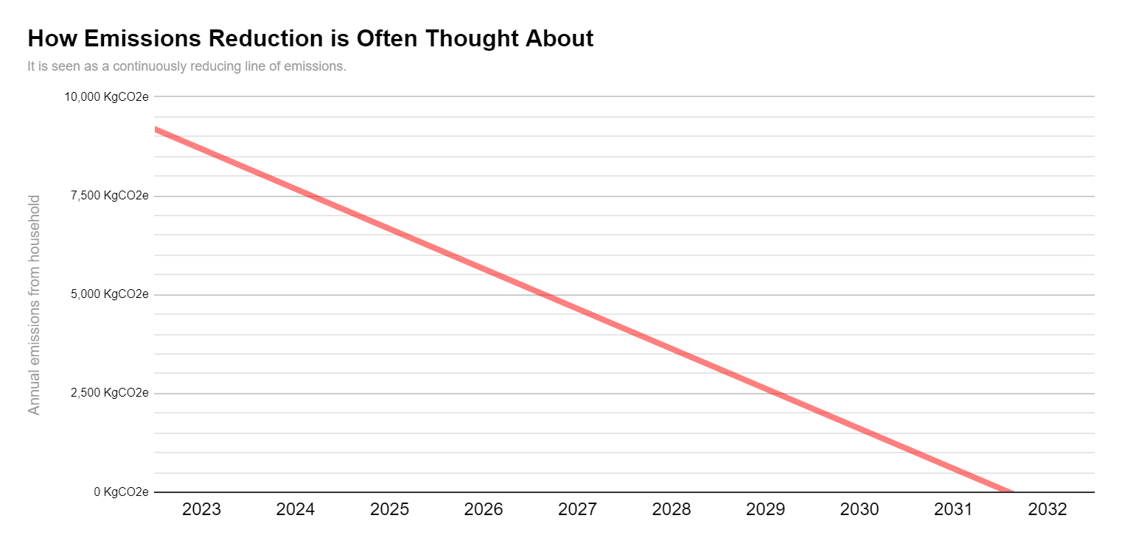
Label: household emissions |  | Household emissions
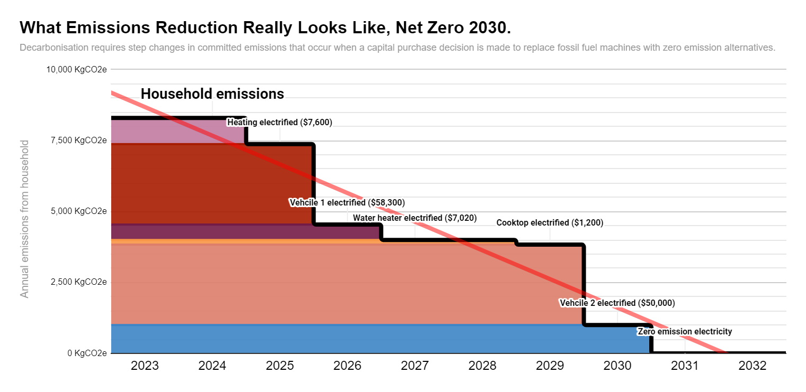
Gas space heater | 923 | 7600
Gas water heater | 545.1 | $7,020
Gas cooktop | 165 | $1,200
Petrol vehicle 1 | 2832.6 | 58300.0
Petrol vehicle 2 | 2832.6 | 50000
Electricity supply | 1000.5770373

Energy prices
Electricity pricing | Notes | $/kWh volume (grid average flat) | Daily fixed | Fixed average per kWh | Peak per kWh | Off peak / ripple per kWh | Next 15 years average price (linear trend) | Next 15 years ripple
Electricity (Grid average flat) |  | $0.242 | $689 | 0.10 | $0.38 | $0.180 | 0.29 | 0.39 |  |  | Chart - electricity price stack | Grid electricity average | Grid electricity volume cost excl fixed costs | Rooftop solar (0% finance) | Rooftop solar with finance comparison | Rooftop solar (10% finance) | Forecast prices | Rooftop solar and 50% storage
Daily fixed |  |  |  |  |  |  |  |  |  |  | Rooftop solar |  |  | $0.06 | $0.06 | $0.06 | $0.03 | $0.06
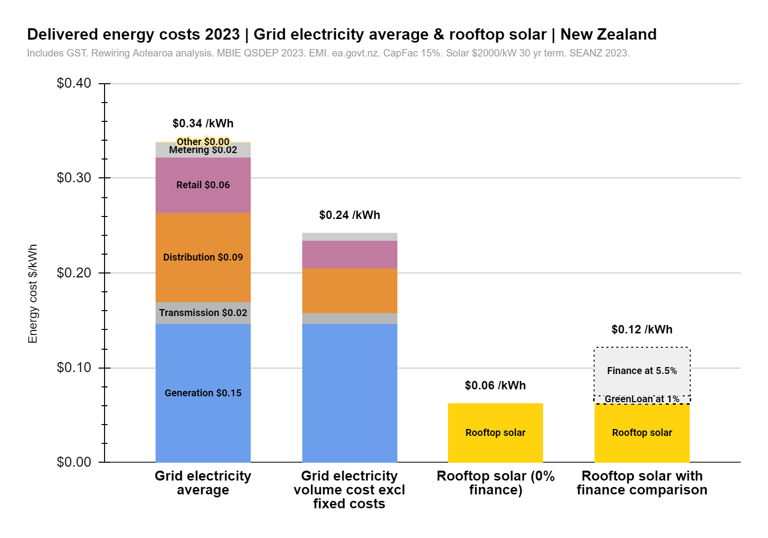
 |  |  |  |  |  |  |  |  |  |  | Generation | $0.146 | $0.15
 |  |  |  |  |  |  |  |  |  |  | Transmission | $0.022 | $0.01
Electricity price stack |  | Incl GST | Excl Gst | Total Inc GST | % fixed | Volume $/kWh | Fixed $/kWh |  | Consumer NZ fixed cost |  | Distribution | $0.095 | $0.05
Generation | Source from EMI, average NZ wholesale price over period 2019-2023 inclusive. Distribution losses of 3.5% added per MBIE QSDEP document | $0.146 | $0.127 | $0.146 | 0% | $0.15 | $0.00 | https://www.mbie.govt.nz/building-and-energy/energy-and-natural-resources/energy-statistics-and-modelling/energy-statistics/energy-prices/electricity-cost-and-price-monitoring/ | Per year | $689 | Retail | $0.058 | $0.03
Transmission | QSDEP Transmission component, average of 2023 | $0.022 | $0.019 | $0.022 | 50% | $0.01 | $0.01 |  | Per day | $1.89 | Metering | $0.016 | $0.01
Distribution | QSDEP Distribution component, average of 2023 | $0.095 | $0.083 | $0.095 | 50% | $0.05 | $0.05 |  |  |  | Other (EA levy) | $0.001 | $0.00
Retail |  | $0.058 | $0.037 | $0.058 | 50% | $0.03 | $0.03 |  | Fixed |  | Total
Metering |  | $0.016 | $0.014 | $0.016 | 50% | $0.01 | $0.01 |  | Metering | 0.3
Other (EA Levy) | https://www.ea.govt.nz/documents/3353/Gazette_Notice__Invoiced_levy_rates_2023-24.pdf | $0.001 | $0.001 | $0.001 | 100% | $0.00 | $0.00 | https://www.ea.govt.nz/documents/3353/Gazette_Notice__Invoiced_levy_rates_2023-24.pdf |  |  | Solar finance at 1% |  |  |  | $0.01
Total |  | $0.339 | $0.281 |  |  | $0.24 | $0.10 |  |  |  | Solar finance at 5% |  |  |  | $0.05
Yearly fixed costs |  | 0.097 |  |  |  |  | $678.03

MBIE Price average |  | $0.323 |  | Energy prices | Ministry of Business, Innovation & Employment (mbie.govt.nz) |  |  |  |  |  |  | Rooftop solar |  |  | Rooftop solar | Rooftop solar | Rooftop solar | Rooftop solar | Rooftop solar
 |  |  |  | https://www.mbie.govt.nz/assets/Uploads/Quarterly-Survey-of-Domestic-Electricity-Prices-QSDEP-15-November-2022.pdf |  |  |  |  |  |  | Generation | Generation $0.15
 |  |  |  | https://www.ea.govt.nz/your-power/bill/ |  |  |  |  |  |  | Transmission | Transmission $0.02 |  |  |  | 0
 |  |  |  |  |  |  |  |  |  |  | Distribution | Distribution $0.09
 |  |  |  |  |  |  |  |  |  |  | Retail | Retail $0.06
 |  |  |  |  |  |  |  |  |  |  | Metering | Metering $0.02
 |  |  |  |  |  |  |  |  |  |  | Other | Other $0.00

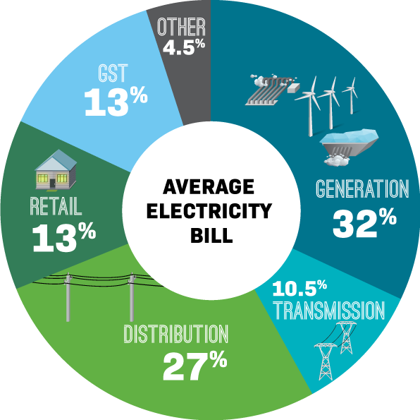
 |  |  |  |  |  |  |  |  |  |  | Finance at 1% |  |  |  | GreenLoan at 1% |  |  | Finance at 5.5%
 |  |  |  |  |  |  |  |  |  |  | Finance at 5.5% |  |  |  | Finance at 5.5%
 |  |  |  |  |  |  |  |  |  |  | Forecast cost
 |  |  |  |  |  |  |  |  |  |  | 0%

 |  | $/kWh volume | Daily fixed |  | Next 15 years average price (linear trend)
Natural gas |  | $0.11 |  |  | 0.13 |  |  | Energy prices | Ministry of Business, Innovation & Employment (mbie.govt.nz)
 |  |  |  |  |  |  |  | https://www.gasindustry.co.nz/data/gas-pricing/
Fixed rate calculation |  |  |  |  | Average yearly use | Fixed rate estimate
 |  |  |  |  | 989 | $587

 |  | $/kWh | kWh/bottle | Price per bottle | Source1 | Source2 | Next 15 years average price (linear trend)
LPG bottled |  | 0.244 | 614.4 | 150 | How Long Do 45kg Gas Bottles Last - Elgas NZ | Explore bottled gas pricing | Genesis NZ (genesisenergy.co.nz) | 0.28

 |  | $/kWh | kWh/kg | Weight per cubic metre (Kg) | Price per cubic metre | MJ/kg | Source1 | Source2 | Next 15 years average price (linear trend)
Wood |  | 0.112 | 4.44 | 300 | 150 | 16 | Buying firewood: what to consider - Consumer NZ | Wood fuel (mcgill.ca) | 0.11

Vehicle fuels |  | $/kWh | $/L | kWh/L |  | Next 15 years average price (linear trend)
Petrol |  | 0.274 | 2.5992887105 | 9.50 | Energy prices | Ministry of Business, Innovation & Employment (mbie.govt.nz) | 0.28
Diesel |  | 0.206 | 2.213 | 10.72 | Energy prices | Ministry of Business, Innovation & Employment (mbie.govt.nz) | 0.21
AutoLPG |  | 0.19 | 1.4 | 7.40 | Chart of fuel prices in New Zealand - myLPG.eu | 0.22

Solar |  | Price/kWh | Upfront cost / KW | Source | CapFac | Lifetime (years) | Degredation / year | Degredation multiplier |  |  |  |  |  | https://www.eeca.govt.nz/assets/EECA-Resources/Research-papers-guides/Commercial-scale-solar-in-New-Zealand.pdf
Financed at 0% |  | $0.062 | $2,000 | SEANZ May 2023 | 15.00% | 25 | 0.50% | 0.942 |  | Solar usage assumptions | Solar | Grid or battery |  | https://cdn.auckland.ac.nz/assets/business/about/our-research/research-institutes-and-centres/energy-centre/Working%20papers/Solar%20PV%20in%20a%20hydro%20based%20grid%20-A%20New%20Zealand%20case%20study.pdf
Financed at 1% |  | $0.07 |  |  |  |  |  |  |  | Space heating | 30% | 70%
Financed at 5.5% |  | $0.12 |  |  |  |  |  |  |  | Water heating | 75% | 25%
Financed at 10% |  | $0.18 |  |  |  |  |  |  |  | Stove | 10% | 90%
 |  |  |  |  |  |  |  |  |  | Other household | 40% | 60%
Example system total cost (9kW + inverter replacement) |  | Cost/kWh | Upfront cost total |  |  |  |  |  |  | Vehicles | 50% | 50%
 |  | $0.062 | $20,500

Forecast pricing |  | 2023 | 2024 | 2025 | 2026 | 2027 | 2028 | 2029 | 2030 | 2031 | 2032 | 2033 | 2034 | 2035 | 2036 | 2037 | 2038 | 2039 | 2040
Upfront cost (example 9kW system) + inverter replacement |  | $20,500 | $19,519 | $18,545 | $17,564 | $16,591 | $15,610 | $14,629 | $13,655 | $12,674 | $11,693 | $10,720 | $9,739 | $8,758 | $7,784 | $7,666 | $7,554 | $7,436 | $7,325
Financed at 0% |  | $0.06 | $0.06 | $0.06 | $0.05 | $0.05 | $0.05 | $0.04 | $0.04 | $0.04 | $0.04 | $0.03 | $0.03 | $0.03 | $0.02 | $0.02 | $0.02 | $0.02 | $0.02
Financed at 1% |  | $0.07 | $0.07 | $0.06 | $0.06 | $0.06 | $0.05 | $0.05 | $0.05 | $0.04 | $0.04 | $0.04 | $0.03 | $0.03 | $0.03 | $0.03 | $0.03 | $0.03 | $0.03
Financed at 5.5% |  | $0.12 | $0.12 | $0.11 | $0.10 | $0.10 | $0.09 | $0.09 | $0.08 | $0.08 | $0.07 | $0.06 | $0.06 | $0.05 | $0.05 | $0.05 | $0.04 | $0.04 | $0.04
Financed at 10% |  | $0.18 | $0.17 | $0.16 | $0.15 | $0.15 | $0.14 | $0.13 | $0.12 | $0.11 | $0.10 | $0.09 | $0.09 | $0.08 | $0.07 | $0.07 | $0.07 | $0.07 | $0.06

Solar year by year |  | Generated energy | Degredation per year
Year 1 |  | 1314
Year 2 |  | 1307 | 0.50% | STAT FAQs Part 2: Lifetime of PV Panels | State, Local, and Tribal Governments | NREL
Year 3 |  | 1301 | 0.50%
Year 4 |  | 1294 | 0.50%
Year 5 |  | 1288 | 0.50% |  |  | 3kW | 4kW | 5kW | 6kW | 7kW | 10kW
Year 6 |  | 1281 | 0.50% |  |  | Adelaide, SA | $3,600 | $4,130 | $4,760 | $5,390 | $6,340 | $9,370
Year 7 |  | 1275 | 0.50% |  |  | Brisbane, QLD | $3,970 | $4,580 | $5,160 | $5,710 | $6,360 | $9,420
Year 8 |  | 1269 | 0.50% |  |  | Canberra, ACT | $4,700 | $4,910 | $5,180 | $5,850 | $6,860 | $8,920
Year 9 |  | 1262 | 0.50% |  |  | Darwin, NT | $5,300 | $7,210 | $8,240 | $9,920 | $11,270 | $14,060
Year 10 |  | 1256 | 0.50% |  |  | Hobart, TAS | $5,020 | $5,690 | $6,540 | $7,440 | $8,430 | $12,390
Year 11 |  | 1250 | 0.50% |  |  | Melbourne, VIC | $4,290 | $4,580 | $5,180 | $5,580 | $6,600 | $8,670
Year 12 |  | 1244 | 0.50% |  |  | Sydney, NSW | $3,970 | $4,380 | $4,810 | $4,990 | $6,100 | $8,310
Year 13 |  | 1237 | 0.50% |  |  | Perth, WA | $3,360 | $3,750 | $4,540 | $5,430 | $6,040 | $9,780
Year 14 |  | 1231 | 0.50%
Year 15 |  | 1225 | 0.50%
Year 16 |  | 1219 | 0.50%
Year 17 |  | 1213 | 0.50%
Year 18 |  | 1207 | 0.50%
Year 19 |  | 1201 | 0.50%
Year 20 |  | 1195 | 0.50%
Year 21 |  | 1189 | 0.50%
Year 22 |  | 1183 | 0.50%
Year 23 |  | 1177 | 0.50%
Year 24 |  | 1171 | 0.50%
Year 25 |  | 1165 | 0.50%
Year 26 |  | 1159 | 0.50%
Year 27 |  | 1153 | 0.50%
Year 28 |  | 1148 | 0.50%
Year 29 |  | 1142 | 0.50%
Year 30 |  | 1136 | 0.50%
Total generaiton over 25 years |  | 30953
Total generation over 30 years |  | 36691 | Degredation average | 93.08%
Degredation average |  | 93.08% | 6.92%

Cost per kWh generated |  | $0.055

System example (9kW - Aus average 2023)
Cost upfront |  | $18,000
Inverter replacement (assumes 1) |  | $2,500
Total cost |  | $20,500
Generated over lifetime |  | 330,219
Cost per kWh including inverter replacement (assumes 9kW install) |  | $0.062

 |  | Cost/kWh | Rate | Term
Financed at 0% |  | $0.06 | 0% | 30
Financed at 1% |  | $0.07 | 1% | 30
Financed at 5.5% |  | $0.121 | 5.5% | 30
Financed at 10% |  | $0.18 | 10% | 30

Battery pricing |  | Price/kWh | Upfront cost / kWh | Upfront cost with degredation | Average degredation over lifetime
Financed at 0% |  | $0.226 | 1000 | 1173 | 85%
Financed at 1% |  | $0.242
Financed at 5% |  | $0.320
Financed at 10% |  | $0.404

Forecast pricing |  | 2023 | 2024 | 2025 | 2026 | 2027 | 2028 | 2029 | 2030 | 2031 | 2032 | 2033 | 2034 | 2035 | 2036 | 2037 | 2038 | 2039 | 2040
Upfront cost (example 10kWh system) |  | $1,000 | $719 | $679 | $644 | $621 | $598 | $575 | $552 | $528 | $518 | $508 | $499 | $489 | $479 | $469 | $459 | $449 | $439
Financed at 0% |  | $0.23 | $0.16 | $0.15 | $0.15 | $0.14 | $0.13 | $0.13 | $0.12 | $0.12 | $0.12 | $0.11 | $0.11 | $0.11 | $0.11 | $0.11 | $0.10 | $0.10 | $0.10
Financed at 1% |  | $0.24 | $0.17 | $0.16 | $0.16 | $0.15 | $0.14 | $0.14 | $0.13 | $0.13 | $0.13 | $0.12 | $0.12 | $0.12 | $0.12 | $0.11 | $0.11 | $0.11 | $0.11
Financed at 5% |  | $0.32 | $0.23 | $0.22 | $0.21 | $0.20 | $0.19 | $0.18 | $0.18 | $0.17 | $0.17 | $0.16 | $0.16 | $0.16 | $0.15 | $0.15 | $0.15 | $0.14 | $0.14
Financed at 10% |  | $0.40 | $0.29 | $0.27 | $0.26 | $0.25 | $0.24 | $0.23 | $0.22 | $0.21 | $0.21 | $0.21 | $0.20 | $0.20 | $0.19 | $0.19 | $0.19 | $0.18 | $0.18

Degredation curve

Year 1 |  | 100% | 347 |  | 1
Year 2 |  | 99% | 344 |  | 2 |  |  |  |  | ETS Solar
Year 3 |  | 98% | 341 |  | 3 |  |  |  |  | 1kw solar
Year 4 |  | 97% | 336 |  | 4 |  |  |  |  | 30953 | 3714.3024183 | $371.43
Year 5 |  | 95% | 331 |  | 5
Year 6 |  | 93% | 324 |  | 6
Year 7 |  | 91% | 316 |  | 7
Year 8 |  | 88% | 306 |  | 8
Year 9 |  | 85% | 296 |  | 9
Year 10 |  | 82% | 284 |  | 10
Year 11 |  | 78% | 272 |  | 11
Year 12 |  | 74% | 258 |  | 12
Year 13 |  | 70% | 243 |  | 13
Year 14 |  | 65% | 227 |  | 14
Year 15 |  | 60% | 209 |  | 15
Usable kWh of storage over life |  |  | 4432.6 |  |  | 85%
 |  |  | 0.23

Example system (10kWh) |  | Cost/kWh | Total upfront cost
 |  | $1,000 | $10,000
 |  | Cost/kWh | Rate | Term
Financed at 0% |  | $0.23 | 0% | 15
Financed at 1% |  | $0.24 | 1% | 15
Financed at 5.5% |  | $0.32 | 5.5% | 15
Financed at 10% |  | $0.40 | 10% | 15

Forecast pricing

CPI Energy
 |  | Year | 2000 | 2001 | 2002 | 2003 | 2004 | 2005 | 2006 | 2007 | 2008 | 2009 | 2010 | 2011 | 2012 | 2013 | 2014 | 2015 | 2016 | 2017 | 2018 | 2019 | 2020 | 2021 | 2022 | 2023 | 2024 | 2025 | 2026 | 2027 | 2028 | 2029 | 2030 | 2031 | 2032 | 2033 | 2034 | 2035 | 2036 | 2037 | 2038 | 2039 | 2040

 |  | This section is in Quarters, rest is in years
 |  | Quarterly CPI (quarters) | 1985-12-01 | 1986-03-01 | 1986-06-01 | 1986-09-01 | 1986-12-01 | 1987-03-01 | 1987-06-01 | 1987-09-01 | 1987-12-01 | 1988-03-01 | 1988-06-01 | 1988-09-01 | 1988-12-01 | 1989-03-01 | 1989-06-01 | 1989-09-01 | 1989-12-01 | 1990-03-01 | 1990-06-01 | 1990-09-01 | 1990-12-01 | 1991-03-01 | 1991-06-01 | 1991-09-01 | 1991-12-01 | 1992-03-01 | 1992-06-01 | 1992-09-01 | 1992-12-01 | 1993-03-01 | 1993-06-01 | 1993-09-01 | 1993-12-01 | 1994-03-01 | 1994-06-01 | 1994-09-01 | 1994-12-01 | 1995-03-01 | 1995-06-01 | 1995-09-01 | 1995-12-01 | 1996-03-01 | 1996-06-01 | 1996-09-01 | 1996-12-01 | 1997-03-01 | 1997-06-01 | 1997-09-01 | 1997-12-01 | 1998-03-01 | 1998-06-01 | 1998-09-01 | 1998-12-01 | 1999-03-01 | 1999-06-01 | 1999-09-01 | 1999-12-01 | 2000-03-01 | 2000-06-01 | 2000-09-01 | 2000-12-01 | 2001-03-01 | 2001-06-01 | 2001-09-01 | 2001-12-01 | 2002-03-01 | 2002-06-01 | 2002-09-01 | 2002-12-01 | 2003-03-01 | 2003-06-01 | 2003-09-01 | 2003-12-01 | 2004-03-01 | 2004-06-01 | 2004-09-01 | 2004-12-01 | 2005-03-01 | 2005-06-01 | 2005-09-01 | 2005-12-01 | 2006-03-01 | 2006-06-01 | 2006-09-01 | 2006-12-01 | 2007-03-01 | 2007-06-01 | 2007-09-01 | 2007-12-01 | 2008-03-01 | 2008-06-01 | 2008-09-01 | 2008-12-01 | 2009-03-01 | 2009-06-01 | 2009-09-01 | 2009-12-01 | 2010-03-01 | 2010-06-01 | 2010-09-01 | 2010-12-01 | 2011-03-01 | 2011-06-01 | 2011-09-01 | 2011-12-01 | 2012-03-01 | 2012-06-01 | 2012-09-01 | 2012-12-01 | 2013-03-01 | 2013-06-01 | 2013-09-01 | 2013-12-01 | 2014-03-01 | 2014-06-01 | 2014-09-01 | 2014-12-01 | 2015-03-01 | 2015-06-01 | 2015-09-01 | 2015-12-01 | 2016-03-01 | 2016-06-01 | 2016-09-01 | 2016-12-01 | 2017-03-01 | 2017-06-01 | 2017-09-01 | 2017-12-01 | 2018-03-01 | 2018-06-01 | 2018-09-01 | 2018-12-01 | 2019-03-01 | 2019-06-01 | 2019-09-01 | 2019-12-01 | 2020-03-01 | 2020-06-01 | 2020-09-01 | 2020-12-01 | 2021-03-01 | 2021-06-01 | 2021-09-01 | 2021-12-01 | 2022-03-01 | 2022-06-01 | 2022-09-01 | 2022-12-01 | 2023-03-01 | 2023-06-01 | 2023-09-01 | 2023-12-01 | 2024-03-01 | 2024-06-01 | 2024-09-01 | 2024-12-01
 |  | Electricity | 198.3 | 198.5 | 223.1 | 222.9 | 245.2 | 247.2 | 274.4 | 274.6 | 272.1 | 263.0 | 291.4 | 298.0 | 297.6 | 296.7 | 299.5 | 306.0 | 306.6 | 307.6 | 309.8 | 311.8 | 320.1 | 328.2 | 330.6 | 331.0 | 336.7 | 344.5 | 345.2 | 347.5 | 349.6 | 351.9 | 366.4 | 375.1 | 378.0 | 383.3 | 391.2 | 395.4 | 396.5 | 396.5 | 405.2 | 415.4 | 416.2 | 420.7 | 430.2 | 434.3 | 435.8 | 440.0 | 449.5 | 453.2 | 452.1 | 459.7 | 463.4 | 466.1 | 457.4 | 456.3 | 473.6 | 479.3 | 472.2 | 474.1 | 473.6 | 475.1 | 475.5 | 477.0 | 473.6 | 473.6 | 472.7 | 486.0 | 495.0 | 502.5 | 508.2 | 509.6 | 518.6 | 535.2 | 555.6 | 557.0 | 572.6 | 580.7 | 604.4 | 611.0 | 619.1 | 626.2 | 629.0 | 638.9 | 657.9 | 667.8 | 673.7 | 682.9 | 703.3 | 709.2 | 717.8 | 723.7 | 750.0 | 757.9 | 773.0 | 777.6 | 790.1 | 792.1 | 789.5 | 790.8 | 798.7 | 821.1 | 834.9 | 838.2 | 861.2 | 858.6 | 854.6 | 855.3 | 893.4 | 896.7 | 898.7 | 900.0 | 923.7 | 928.9 | 925.7 | 926.3 | 965.1 | 963.2 | 958.6 | 959.2 | 965.1 | 964.5 | 962.5 | 964.5 | 981.6 | 986.2 | 984.2 | 985.5 | 1000.0 | 1002.0 | 1004.0 | 1012.0 | 1029.0 | 1027.0 | 1025.0 | 1038.0 | 1043.0 | 1041.0 | 1039.0 | 1052.0 | 1057.0 | 1057.0 | 1044.0 | 1048.0 | 1051.0 | 1049.0 | 1037.0 | 1051.0 | 1069.0 | 1052.0 | 1062.0 | 1085.0 | 1114.0 | 1094.0
 |  | Gas | 142.3 | 148.8 | 155.6 | 155.9 | 179.4 | 181.2 | 181.0 | 181.0 | 189.0 | 203.0 | 202.7 | 202.7 | 228.0 | 228.0 | 229.4 | 234.7 | 239.4 | 241.0 | 241.0 | 241.0 | 246.9 | 261.0 | 266.5 | 266.5 | 266.5 | 266.5 | 269.4 | 271.0 | 271.0 | 271.0 | 292.0 | 300.3 | 302.9 | 303.2 | 317.5 | 323.5 | 326.6 | 346.6 | 356.6 | 357.5 | 361.7 | 371.7 | 376.0 | 377.2 | 388.7 | 393.2 | 393.2 | 411.7 | 423.2 | 425.6 | 428.1 | 428.1 | 429.0 | 429.0 | 429.3 | 438.3 | 438.3 | 438.3 | 438.3 | 464.5 | 464.5 | 464.5 | 475.6 | 475.6 | 476.1 | 498.0 | 501.4 | 501.4 | 501.4 | 514.7 | 545.6 | 541.7 | 553.8 | 595.8 | 598.4 | 598.4 | 612.6 | 643.1 | 654.6 | 654.6 | 652.1 | 679.1 | 691.6 | 713.0 | 746.2 | 751.0 | 753.1 | 764.9 | 784.2 | 828.5 | 846.5 | 872.1 | 875.5 | 866.5 | 871.4 | 877.6 | 887.3 | 903.9 | 906.6 | 913.6 | 931.5 | 951.6 | 950.9 | 941.9 | 943.3 | 948.1 | 943.3 | 939.8 | 953.7 | 944.0 | 947.4 | 946.1 | 932.9 | 964.0 | 962.7 | 962.7 | 964.0 | 958.5 | 954.4 | 955.0 | 970.3 | 969.6 | 993.8 | 994.5 | 1000.7 | 996.5 | 1000.0 | 1006.9 | 1011.0 | 1015.0 | 1015.0 | 1014.0 | 1034.0 | 1036.0 | 1036.0 | 1039.0 | 1060.0 | 1060.0 | 1054.0 | 1052.0 | 1054.0 | 1055.0 | 1058.0 | 1056.0 | 1060.0 | 1070.0 | 1097.0 | 1111.0 | 1138.0 | 1184.0 | 1207.0 | 1245.0
 |  | Solid fuels | 340.2 | 360.6 | 381.9 | 384.5 | 430.1 | 432.4 | 446.7 | 453.9 | 455.8 | 454.9 | 471.0 | 466.1 | 464.6 | 464.6 | 468.6 | 483.0 | 474.9 | 475.9 | 470.8 | 475.5 | 476.6 | 478.2 | 482.1 | 491.0 | 491.7 | 487.1 | 489.6 | 493.4 | 491.5 | 493.4 | 497.6 | 475.6 | 475.6 | 477.0 | 477.9 | 477.9 | 476.5 | 477.0 | 500.8 | 505.0 | 505.0 | 505.0 | 513.1 | 521.2 | 521.2 | 521.2 | 538.8 | 541.7 | 541.7 | 541.7 | 542.1 | 539.8 | 539.8 | 539.8 | 547.4 | 539.2 | 539.2 | 539.2 | 556.1 | 560.0 | 560.0 | 560.0 | 582.9 | 590.1 | 590.1 | 590.1 | 603.7 | 613.6 | 613.6 | 613.6 | 616.3 | 619.6 | 619.6 | 619.6 | 640.4 | 647.0 | 647.0 | 647.0 | 690.2 | 700.6 | 700.6 | 700.6 | 723.1 | 741.1 | 741.1 | 741.1 | 743.3 | 754.2 | 754.2 | 754.2 | 754.2 | 765.7 | 765.7 | 765.7 | 788.9 | 793.2 | 793.2 | 793.2 | 802.6 | 810.6 | 810.6 | 810.6 | 828.6 | 840.2 | 840.2 | 840.2 | 854.7 | 860.4 | 860.4 | 860.4 | 861.9 | 843.8 | 843.8 | 843.8 | 863.3 | 902.4 | 902.4 | 902.4 | 911.8 | 897.3 | 897.3 | 897.3 | 944.3 | 953.0 | 953.0 | 953.0 | 1000.0 | 1002.9 | 1003.0 | 1003.0 | 1054.0 | 1065.0 | 1065.0 | 1065.0 | 1111.0 | 1111.0 | 1111.0 | 1111.0 | 1168.0 | 1164.0 | 1164.0 | 1164.0 | 1180.0 | 1196.0 | 1196.0 | 1196.0 | 1221.0 | 1212.0 | 1212.0 | 1212.0 | 1309.0 | 1340.0
 |  | Petrol | 455.5 | 454.7 | 425.0 | 394.5 | 422.7 | 445.8 | 465.7 | 465.7 | 465.5 | 465.4 | 457.2 | 452.9 | 447.4 | 445.4 | 463.1 | 463.3 | 463.0 | 467.7 | 470.3 | 477.7 | 543.9 | 518.0 | 490.3 | 493.5 | 507.7 | 499.8 | 500.0 | 510.8 | 522.7 | 519.3 | 513.1 | 495.9 | 486.9 | 471.3 | 472.3 | 487.4 | 488.4 | 485.0 | 484.5 | 474.7 | 475.7 | 481.1 | 481.1 | 481.1 | 485.9 | 485.0 | 481.6 | 481.1 | 485.4 | 475.2 | 448.4 | 448.0 | 442.6 | 432.9 | 432.4 | 465.7 | 495.1 | 517.6 | 540.0 | 610.5 | 609.7 | 556.5 | 591.9 | 567.7 | 515.8 | 517.6 | 569.0 | 555.6 | 552.1 | 587.2 | 530.1 | 567.7 | 556.0 | 585.4 | 631.3 | 635.2 | 631.3 | 630.4 | 675.4 | 764.0 | 741.1 | 778.7 | 892.9 | 885.7 | 750.9 | 757.1 | 817.9 | 833.0 | 877.7 | 912.5 | 1029.5 | 1076.8 | 835.7 | 827.7 | 854.5 | 872.3 | 863.4 | 923.2 | 935.7 | 923.2 | 985.7 | 1081.3 | 1124.1 | 1086.6 | 1096.4 | 1121.4 | 1125.9 | 1115.2 | 1106.3 | 1123.2 | 1094.6 | 1156.3 | 1116.1 | 1126.8 | 1125.0 | 1135.7 | 1071.4 | 958.0 | 1042.0 | 1058.9 | 984.8 | 908.9 | 957.1 | 941.1 | 979.5 | 1019.6 | 1000.0 | 983.0 | 1043.0 | 1071.0 | 1105.0 | 1166.0 | 1159.0 | 1078.0 | 1141.0 | 1132.0 | 1150.0 | 1123.0 | 987.0 | 1004.0 | 1007.0 | 1080.0 | 1146.0 | 1220.0 | 1314.0 | 1429.0 | 1518.0 | 1449.0 | 1345.0 | 1310.0 | 1290.0 | 1503.0
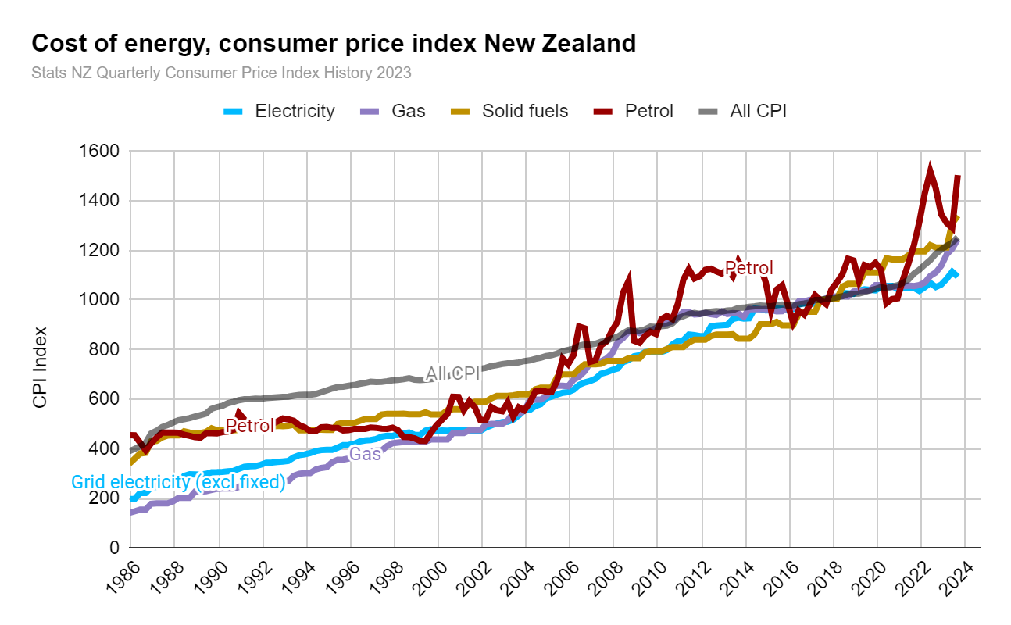
 |  | All CPI | 391.0 | 400.0 | 410.8 | 424.5 | 462.3 | 473.2 | 488.7 | 496.4 | 506.6 | 515.6 | 519.7 | 524.3 | 530.5 | 536.4 | 542.7 | 561.8 | 568.7 | 574.0 | 584.1 | 589.9 | 596.3 | 600.0 | 600.5 | 602.7 | 602.1 | 604.8 | 606.4 | 608.5 | 610.1 | 610.6 | 614.3 | 617.5 | 618.6 | 618.6 | 621.1 | 628.5 | 635.9 | 643.3 | 649.5 | 650.7 | 654.5 | 657.6 | 662.5 | 666.2 | 671.2 | 669.3 | 669.9 | 673.0 | 676.7 | 678.0 | 681.1 | 684.8 | 679.2 | 677.3 | 678.6 | 681.3 | 682.7 | 687.4 | 692.2 | 701.7 | 709.8 | 708.4 | 714.6 | 718.6 | 722.7 | 726.8 | 734.2 | 737.6 | 742.4 | 745.1 | 745.1 | 748.5 | 753.9 | 756.6 | 762.7 | 767.5 | 774.3 | 777.7 | 784.4 | 793.3 | 798.7 | 803.4 | 815.7 | 821.4 | 819.7 | 823.8 | 832.0 | 836.1 | 845.8 | 851.5 | 865.4 | 878.5 | 874.4 | 876.8 | 881.7 | 893.1 | 891.5 | 894.8 | 896.4 | 906.2 | 927.4 | 934.7 | 943.7 | 947.8 | 944.5 | 949.4 | 952.7 | 955.1 | 953.5 | 957.6 | 959.2 | 968.2 | 969.0 | 972.3 | 974.7 | 978.0 | 976.3 | 974.7 | 978.8 | 982.1 | 977.2 | 978.8 | 982.9 | 986.1 | 990.2 | 1000.0 | 1000.0 | 1004.9 | 1006.0 | 1011.0 | 1015.0 | 1024.0 | 1025.0 | 1026.0 | 1032.0 | 1039.0 | 1044.0 | 1052.0 | 1047.0 | 1054.0 | 1059.0 | 1068.0 | 1082.0 | 1106.0 | 1122.0 | 1142.0 | 1161.0 | 1186.0 | 1203.0 | 1218.0 | 1231.0 | 1253.0
 |  | Label today

 |  | % | 2.27% | 2.30% | 2.71% | 3.32% | 8.91% | 2.35% | 3.28% | 1.59% | 2.06% | 1.77% | 0.78% | 0.89% | 1.18% | 1.10% | 1.19% | 3.52% | 1.23% | 0.93% | 1.76% | 1.00% | 1.08% | 0.62% | 0.09% | 0.35% | -0.09% | 0.44% | 0.26% | 0.35% | 0.26% | 0.09% | 0.61% | 0.52% | 0.17% | 0.00% | 0.40% | 1.20% | 1.18% | 1.17% | 0.96% | 0.19% | 0.57% | 0.47% | 0.75% | 0.56% | 0.74% | -0.28% | 0.09% | 0.46% | 0.55% | 0.18% | 0.46% | 0.54% | -0.81% | -0.27% | 0.18% | 0.40% | 0.20% | 0.70% | 0.69% | 1.37% | 1.16% | -0.19% | 0.86% | 0.57% | 0.57% | 0.56% | 1.03% | 0.46% | 0.64% | 0.37% | 0.00% | 0.46% | 0.73% | 0.36% | 0.81% | 0.62% | 0.88% | 0.44% | 0.87% | 1.12% | 0.68% | 0.59% | 1.52% | 0.70% | -0.20% | 0.50% | 0.99% | 0.49% | 1.17% | 0.68% | 1.63% | 1.51% | -0.46% | 0.28% | 0.56% | 1.30% | -0.18% | 0.37% | 0.18% | 1.09% | 2.34% | 0.79% | 0.96% | 0.43% | -0.34% | 0.52% | 0.34% | 0.26% | -0.17% | 0.43% | 0.17% | 0.94% | 0.08% | 0.34% | 0.25% | 0.33% | -0.17% | -0.17% | 0.42% | 0.33% | -0.50% | 0.17% | 0.42% | 0.33% | 0.41% | 0.99% | 0.00% | 0.49% | 0.11% | 0.50% | 0.40% | 0.89% | 0.10% | 0.10% | 0.58% | 0.68% | 0.48% | 0.77% | -0.48% | 0.67% | 0.47% | 0.85% | 1.31% | 2.22% | 1.45% | 1.78% | 1.66% | 2.15% | 1.43% | 1.25% | 1.07% | 1.79%
 |  | Average CPI change per year
 |  | Average CPI change per year over last 10 years
 |  | Average CPI change per year over last 5 years

 |  | Average yearly CPI | 2000 | 2001 | 2002 | 2003 | 2004 | 2005 | 2006 | 2007 | 2008 | 2009 | 2010 | 2011 | 2012 | 2013 | 2014 | 2015 | 2016 | 2017 | 2018 | 2019 | 2020 | 2021 | 2022 | 2023 | 2024 | 2025 | 2026 | 2027 | 2028 | 2029 | 2030 | 2031 | 2032 | 2033 | 2034 | 2035 | 2036 | 2037 | 2038 | 2039 | 2040 | 2041 | 2042 | 2043 | 2044 | 2045 | 2046 | 2047 | 2048 | 2049 | 2050
 |  | Electricity | 474.6 | 474.2 | 497.9 | 529.8 | 578.7 | 621.3 | 659.6 | 703.3 | 751.2 | 787.3 | 811.3 | 853.1 | 886.0 | 919.6 | 953.3 | 962.8 | 979.1 | 997.9 | 1023.3 | 1040.3 | 1052.5 | 1046.3 | 1075.3 | 1097.7 | 1136.5 | 1161.1 | 1185.7 | 1210.2 | 1234.8 | 1259.4 | 1284.0 | 1308.5 | 1333.1 | 1357.7 | 1382.3 | 1406.9 | 1431.4 | 1456.0 | 1480.6 | 1505.2 | 1529.7 | 1554.3 | 1578.9 | 1603.5 | 1628.0 | 1652.6 | 1677.2 | 1701.8 | 1726.3 | 1750.9 | 1775.5
 |  | Gas | 451.4 | 473.0 | 500.5 | 539.0 | 601.3 | 651.1 | 707.5 | 763.3 | 855.6 | 875.7 | 913.9 | 946.9 | 946.2 | 942.6 | 963.3 | 959.5 | 989.6 | 1003.6 | 1019.5 | 1042.8 | 1055.0 | 1057.3 | 1150.3 | 1212.0 | 1200.5 | 1228.2 | 1255.8 | 1283.5 | 1311.2 | 1338.8 | 1366.5 | 1394.2 | 1421.8 | 1449.5 | 1477.2 | 1504.8 | 1532.5 | 1560.2 | 1587.8 | 1615.5 | 1643.2 | 1670.8 | 1698.5 | 1726.2 | 1753.9 | 1781.5 | 1809.2 | 1836.9 | 1864.5 | 1892.2 | 1919.9
 |  | Solid fuels | 553.8 | 580.8 | 605.2 | 617.3 | 638.5 | 684.6 | 726.5 | 748.2 | 759.9 | 785.2 | 804.2 | 829.9 | 853.9 | 852.5 | 878.0 | 902.2 | 936.9 | 989.7 | 1046.8 | 1099.5 | 1151.8 | 1184.0 | 1243.1 | 1287.0 | 1151.1 | 1172.9 | 1194.7 | 1216.5 | 1238.3 | 1260.1 | 1281.9 | 1303.7 | 1325.5 | 1347.3 | 1369.1 | 1390.9 | 1412.7 | 1434.5 | 1456.3 | 1478.1 | 1499.9 | 1521.7 | 1543.5 | 1565.3 | 1587.1 | 1608.9 | 1630.7 | 1652.5 | 1674.3 | 1696.1 | 1717.9
 |  | Petrol | 569.4 | 558.0 | 548.6 | 560.3 | 620.8 | 702.7 | 827.0 | 821.4 | 963.6 | 854.5 | 942.0 | 1097.1 | 1117.2 | 1122.5 | 1114.7 | 1010.9 | 946.7 | 1011.4 | 1125.3 | 1125.3 | 1030.3 | 1190.0 | 1406.3 | 1367.7 | 1238.0 | 1261.3 | 1284.7 | 1308.1 | 1331.4 | 1354.8 | 1378.2 | 1401.5 | 1424.9 | 1448.2 | 1471.6 | 1495.0 | 1518.3 | 1541.7 | 1565.0 | 1588.4 | 1611.8 | 1635.1 | 1658.5 | 1681.9 | 1705.2 | 1728.6 | 1751.9 | 1775.3 | 1798.7 | 1822.0 | 1845.4
 |  | All CPI | 697.8 | 716.1 | 735.2 | 748.1 | 765.3 | 788.5 | 815.1 | 834.4 | 867.5 | 885.8 | 906.2 | 942.7 | 952.7 | 963.5 | 975.3 | 978.2 | 984.5 | 1002.7 | 1018.8 | 1035.3 | 1053.0 | 1094.5 | 1199.1 | 1234.0 | 1177.0 | 1196.6 | 1216.1 | 1235.7 | 1255.3 | 1274.8 | 1294.4 | 1314.0 | 1333.5 | 1353.1 | 1372.7 | 1392.2 | 1411.8 | 1431.4 | 1450.9 | 1470.5 | 1490.0 | 1509.6 | 1529.2 | 1548.7 | 1568.3 | 1587.9 | 1607.4 | 1627.0 | 1646.6 | 1666.1 | 1685.7

 |  | Label Electricity (excl fixed) |  |  |  |  |  |  |  |  |  | Grid electricity (excl fixed)
 |  | Label Gas |  |  |  |  |  |  |  |  |  |  |  |  | Gas |  |  |  |  |  |  |  |  |  |  |  |  |  |  |  |  |  |  |  |  |  |  |  |  |  |  |  |  |  |  | Gas
 |  | Label Solid fuels
 |  | Label Petrol |  |  |  |  |  |  |  |  |  |  |  |  |  |  |  |  |  |  |  |  |  |  | Petrol |  |  |  |  |  |  |  |  |  |  |  |  |  |  |  |  |  |  |  |  |  |  |  |  |  |  |  |  |  |  |  |  |  |  |  |  |  |  |  |  |  |  |  |  |  |  |  |  |  |  |  |  |  |  |  |  |  |  |  |  |  |  |  |  |  |  |  |  |  |  |  |  |  |  |  |  |  |  |  |  |  |  |  |  |  |  |  |  |  |  | Petrol
 |  | Label All CPI |  |  |  |  |  |  |  |  |  |  |  |  |  |  |  |  |  |  |  |  |  |  |  |  |  |  |  |  |  |  |  |  |  |  |  |  |  |  |  |  |  |  |  |  |  |  |  |  |  |  |  |  |  |  |  |  |  |  |  | All CPI

 |  | Label LPG |  |  |  |  |  |  |  |  |  |  |  |  |  |  |  |  | LPG

 |  | Label Electricity (incl fixed) |  |  |  |  |  |  |  |  |  |  |  | Grid electricity (incl fixed)

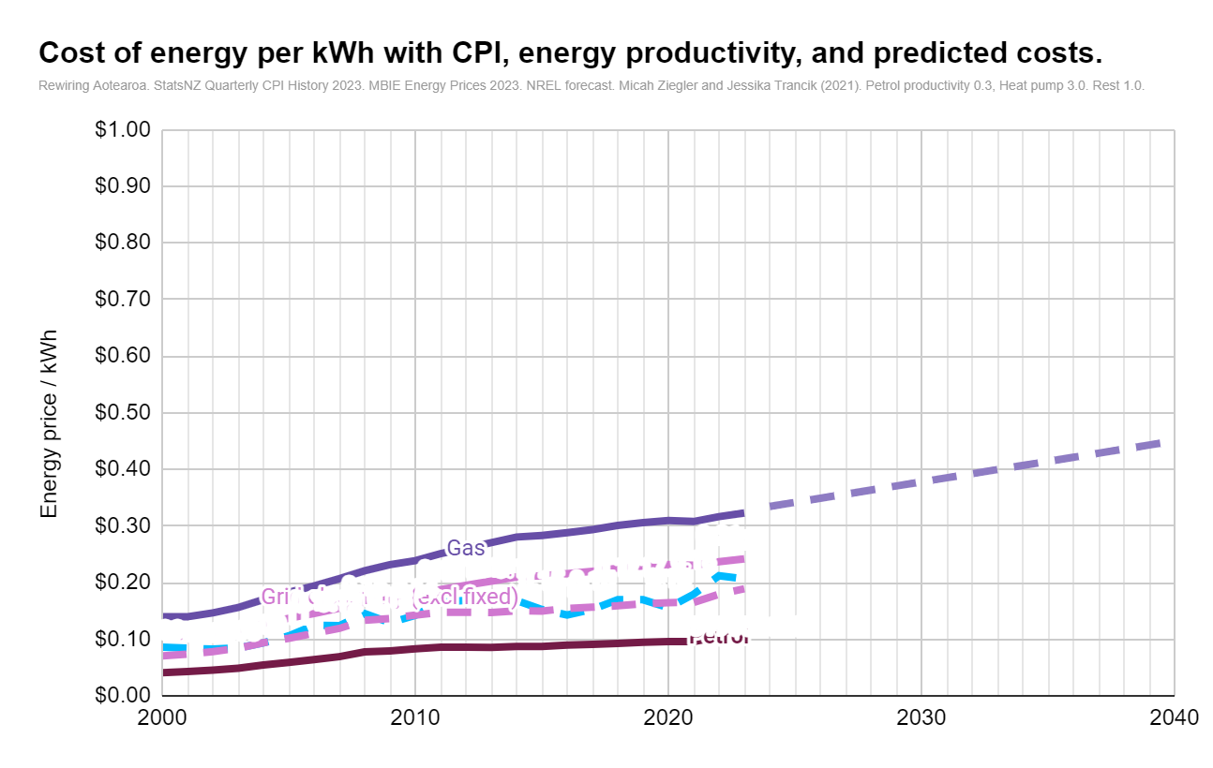

 |  | Price of energy (2023) | 2000 | 2001 | 2002 | 2003 | 2004 | 2005 | 2006 | 2007 | 2008 | 2009 | 2010 | 2011 | 2012 | 2013 | 2014 | 2015 | 2016 | 2017 | 2018 | 2019 | 2020 | 2021 | 2022 | 2023 | 2024 | 2025 | 2026 | 2027 | 2028 | 2029 | 2030 | 2031 | 2032 | 2033 | 2034 | 2035 | 2036 | 2037 | 2038 | 2039 | 2040 | 0 | 0 | 0 | 0 | 0 | 0 | 0
 |  | Electricity (excl fixed) | 0.10 | 0.10 | 0.11 | 0.12 | 0.13 | 0.14 | 0.15 | 0.15 | 0.17 | 0.17 | 0.18 | 0.19 | 0.20 | 0.20 | 0.21 | 0.21 | 0.22 | 0.22 | 0.23 | 0.23 | 0.23 | 0.23 | 0.24 | 0.24
 |  | Electricity (incl fixed) | 0.14 | 0.14 | 0.15 | 0.16 | 0.17 | 0.18 | 0.19 | 0.21 | 0.22 | 0.23 | 0.24 | 0.25 | 0.26 | 0.27 | 0.28 | 0.28 | 0.29 | 0.29 | 0.30 | 0.31 | 0.31 | 0.31 | 0.32 | 0.32
 |  | Electricity fixed price
 |  | Electricity: feed in tarrif
 |  | Gas | 0.04 | 0.04 | 0.05 | 0.05 | 0.05 | 0.06 | 0.06 | 0.07 | 0.08 | 0.08 | 0.08 | 0.09 | 0.09 | 0.09 | 0.09 | 0.09 | 0.09 | 0.09 | 0.09 | 0.09 | 0.10 | 0.10 | 0.10 | 0.11
 |  | LPG | 0.09 | 0.10 | 0.10 | 0.11 | 0.12 | 0.13 | 0.14 | 0.15 | 0.17 | 0.18 | 0.18 | 0.19 | 0.19 | 0.19 | 0.19 | 0.19 | 0.20 | 0.20 | 0.21 | 0.21 | 0.21 | 0.21 | 0.23 | 0.24
 |  | Wood | 0.05 | 0.05 | 0.05 | 0.05 | 0.06 | 0.06 | 0.06 | 0.07 | 0.07 | 0.07 | 0.07 | 0.07 | 0.07 | 0.07 | 0.08 | 0.08 | 0.08 | 0.09 | 0.09 | 0.10 | 0.10 | 0.10 | 0.11 | 0.11
 |  | Petrol | 0.11 | 0.11 | 0.11 | 0.11 | 0.12 | 0.14 | 0.17 | 0.16 | 0.19 | 0.17 | 0.19 | 0.22 | 0.22 | 0.22 | 0.22 | 0.20 | 0.19 | 0.20 | 0.23 | 0.23 | 0.21 | 0.24 | 0.28 | 0.27
 |  | Diesel | 0.09 | 0.08 | 0.08 | 0.08 | 0.09 | 0.11 | 0.12 | 0.12 | 0.15 | 0.13 | 0.14 | 0.17 | 0.17 | 0.17 | 0.17 | 0.15 | 0.14 | 0.15 | 0.17 | 0.17 | 0.16 | 0.18 | 0.21 | 0.21
 |  | AutoLPG | 0.07 | 0.07 | 0.08 | 0.08 | 0.09 | 0.10 | 0.11 | 0.12 | 0.13 | 0.14 | 0.14 | 0.15 | 0.15 | 0.15 | 0.15 | 0.15 | 0.15 | 0.16 | 0.16 | 0.16 | 0.16 | 0.17 | 0.18 | 0.19
 |  | Linear Trend: Electricity (excl fixed) |  |  |  |  |  |  |  |  |  |  |  |  |  |  |  |  |  |  |  |  |  |  |  |  | 0.25 | 0.26 | 0.26 | 0.27 | 0.27 | 0.28 | 0.28 | 0.29 | 0.29 | 0.30 | 0.30 | 0.31 | 0.32 | 0.32 | 0.33 | 0.33 | 0.34 | 0.34 | 0.35 | 0.35 | 0.36 | 0.36 | 0.37 | 0.38 | 0.38 | 0.39 | 0.39
 |  | Linear Trend: Electricity (incl fixed) |  |  |  |  |  |  |  |  |  |  |  |  |  |  |  |  |  |  |  |  |  |  |  |  | 0.33 | 0.34 | 0.35 | 0.36 | 0.36 | 0.37 | 0.38 | 0.39 | 0.39 | 0.40 | 0.41 | 0.41 | 0.42 | 0.43 | 0.44 | 0.44 | 0.45 | 0.46 | 0.46 | 0.47 | 0.48 | 0.49 | 0.49 | 0.50 | 0.51 | 0.52 | 0.52
 |  | Linear Trend: Electricity fixed price |  |  |  |  |  |  |  |  |  |  |  |  |  |  |  |  |  |  |  |  |  |  |  | 689.00 | 713.38 | 728.81 | 744.23 | 759.66 | 775.09 | 790.51 | 805.94 | 821.37 | 836.79 | 852.22 | 867.65 | 883.07 | 898.50 | 913.93 | 929.35 | 944.78 | 960.21 | 975.63 | 991.06 | 1006.49 | 1021.91 | 1037.34 | 1052.77 | 1068.19 | 1083.62 | 1099.04 | 1114.47
 |  | Linear Trend: Gas |  |  |  |  |  |  |  |  |  |  |  |  |  |  |  |  |  |  |  |  |  |  |  | 0.11 | 0.11 | 0.11 | 0.11 | 0.12 | 0.12 | 0.12 | 0.12 | 0.13 | 0.13 | 0.13 | 0.13 | 0.14 | 0.14 | 0.14 | 0.14 | 0.15 | 0.15 | 0.15 | 0.15 | 0.16 | 0.16 | 0.16 | 0.16 | 0.17 | 0.17 | 0.17 | 0.17
 |  | Linear Trend: LPG |  |  |  |  |  |  |  |  |  |  |  |  |  |  |  |  |  |  |  |  |  |  |  | 0.24 | 0.24 | 0.25 | 0.25 | 0.26 | 0.26 | 0.27 | 0.28 | 0.28 | 0.29 | 0.29 | 0.30 | 0.30 | 0.31 | 0.31 | 0.32 | 0.33 | 0.33 | 0.34 | 0.34 | 0.35 | 0.35 | 0.36 | 0.36 | 0.37 | 0.38 | 0.38 | 0.39
 |  | Linear Trend: Wood |  |  |  |  |  |  |  |  |  |  |  |  |  |  |  |  |  |  |  |  |  |  |  | 0.11 | 0.10 | 0.10 | 0.10 | 0.11 | 0.11 | 0.11 | 0.11 | 0.11 | 0.12 | 0.12 | 0.12 | 0.12 | 0.12 | 0.13 | 0.13 | 0.13 | 0.13 | 0.13 | 0.13 | 0.14 | 0.14 | 0.14 | 0.14 | 0.14 | 0.15 | 0.15 | 0.15
 |  | Linear Trend: Petrol |  |  |  |  |  |  |  |  |  |  |  |  |  |  |  |  |  |  |  |  |  |  |  | 0.27 | 0.25 | 0.25 | 0.26 | 0.26 | 0.27 | 0.27 | 0.28 | 0.28 | 0.29 | 0.29 | 0.29 | 0.30 | 0.30 | 0.31 | 0.31 | 0.32 | 0.32 | 0.33 | 0.33 | 0.34 | 0.34 | 0.35 | 0.35 | 0.36 | 0.36 | 0.36 | 0.37
 |  | Linear Trend: Diesel |  |  |  |  |  |  |  |  |  |  |  |  |  |  |  |  |  |  |  |  |  |  |  | 0.21 | 0.19 | 0.19 | 0.19 | 0.20 | 0.20 | 0.20 | 0.21 | 0.21 | 0.22 | 0.22 | 0.22 | 0.23 | 0.23 | 0.23 | 0.24 | 0.24 | 0.24 | 0.25 | 0.25 | 0.25 | 0.26 | 0.26 | 0.26 | 0.27 | 0.27 | 0.27 | 0.28
 |  | Linear Trend: AutoLPG |  |  |  |  |  |  |  |  |  |  |  |  |  |  |  |  |  |  |  |  |  |  |  |  | 0.19 | 0.19 | 0.20 | 0.20 | 0.20 | 0.21 | 0.21 | 0.22 | 0.22 | 0.23 | 0.23 | 0.23 | 0.24 | 0.24 | 0.25 | 0.25 | 0.26 | 0.26 | 0.27 | 0.27 | 0.27 | 0.28 | 0.28 | 0.29 | 0.29 | 0.30 | 0.30

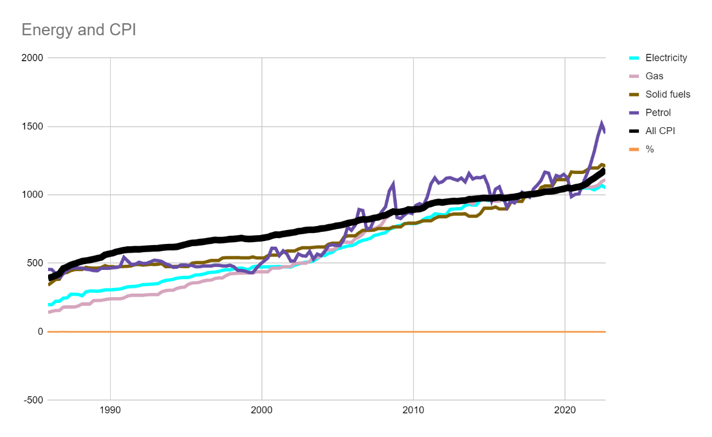
 |  | Solar and battery prices | 2000 | 2001 | 2002 | 2003 | 2004 | 2005 | 2006 | 2007 | 2008 | 2009 | 2010 | 2011 | 2012 | 2013 | 2014 | 2015 | 2016 | 2017 | 2018 | 2019 | 2020 | 2021 | 2022 | 2023 | 2024 | 2025 | 2026 | 2027 | 2028 | 2029 | 2030 | 2031 | 2032 | 2033 | 2034 | 2035 | 2036 | 2037 | 2038 | 2039 | 2040
 | https://ourworldindata.org/grapher/solar-pv-prices | Price of solar (historic intnl adjusted to NZ) | 1.32 | 1.27 | 1.17 | 1.11 | 0.96 | 0.97 | 1.05 | 1.06 | 0.97 | 0.65 | 0.50 | 0.41 | 0.22 | 0.17 | 0.16 | 0.15 | 0.14 | 0.11 | 0.10 | 0.09 | 0.07 | $0.06 | 0.07 | 0.06
 |  | Forecast solar (NREL adjusted to NZ) |  |  |  |  |  |  |  |  |  |  |  |  |  |  |  |  |  |  |  |  |  |  |  |  | 0.06 | 0.06 | 0.05 | 0.05 | 0.05 | 0.04 | 0.04 | 0.04 | 0.04 | 0.03 | 0.03 | 0.03 | 0.02 | 0.02 | 0.02 | 0.02 | 0.02
 | https://ourworldindata.org/grapher/solar-pv-prices | Index ($/W for panels only) | $5.66 | $5.47 | $5.01 | $4.76 | $4.11 | $4.15 | $4.52 | $4.56 | $4.15 | $2.78 | $2.15 | $1.77 | $0.95 | $0.73 | $0.68 | $0.63 | $0.58 | $0.49 | $0.43 | $0.40 | $0.32 | $0.27 |  | 1.00 | 0.95 | 0.90 | 0.86 | 0.81 | 0.76 | 0.71 | 0.67 | 0.62 | 0.57 | 0.52 | 0.48 | 0.43 | 0.38 | 0.37 | 0.37 | 0.36 | 0.36
 |  | Label solar |  |  |  |  |  |  | Solar at 0% finance

 |  | Solar at 5.5% | 2.58 | 2.49 | 2.28 | 2.17 | 1.87 | 1.89 | 2.06 | 2.08 | 1.89 | 1.27 | 0.98 | 0.81 | 0.43 | 0.33 | 0.31 | 0.29 | 0.26 | 0.22 | 0.20 | 0.18 | 0.14 | $0.12 | 0.13 | 0.12
 |  | Label solar 5.5% |  |  |  |  |  |  |  |  |  |  |  | Solar at 5.5% finance |  |  |  |  |  |  |  |  |  |  |  |  | 0.12 | 0.11 | 0.10 | 0.10 | 0.09 | 0.09 | 0.08 | 0.08 | 0.07 | 0.06 | 0.06 | 0.05 | 0.05 | 0.05 | 0.04 | 0.04 | 0.04
 |  | Forecast solar
 |  | Solar purchased 2023 flat |  |  |  |  |  |  |  |  |  |  |  |  |  |  |  |  |  |  |  |  |  |  |  | 0.12 | 0.12 | 0.12 | 0.12 | 0.12 | 0.12 | 0.12 | 0.12 | 0.12 | 0.12 | 0.12 | 0.12 | 0.12 | 0.12 | 0.12 | 0.12 | 0.12 | 0.12
 |  | Solar flat label |  |  |  |  |  |  |  |  |  |  |  |  |  |  |  |  |  |  |  |  |  |  |  |  |  |  |  |  |  |  |  |  |  | Solar installed with 5.5% finance in 2023

 |  | Price of batteries (cycle) | 3.5780700473 | 2.4974550371 | 1.7893222869 | 1.3835098841 | 1.2379417276 | 1.0672357232 | 0.91398497401 | 0.87214879845 | 0.91446513747 | 0.81462074058 | 0.73236347468 | 0.69762483368 | 0.71769792066 | 0.65280370252 | 0.57750405632 | 0.44142659352 | 0.39647910236 | 0.30989657526 | 0.2958200875 | 0.25697502468 | 0.22410612625 | 0.21065975842 | 0.23 | 0.23
 |  | Forecast battery |  |  |  |  |  |  |  |  |  |  |  |  |  |  |  |  |  |  |  |  |  |  |  |  | 0.16 | 0.15 | 0.15 | 0.14 | 0.13 | 0.13 | 0.12 | 0.12 | 0.12 | 0.11 | 0.11 | 0.11 | 0.11 | 0.11 | 0.10 | 0.10 | 0.10
 |  | Index | 2197.81158 | 1534.04923 | 1099.08224 | 849.814007 | 760.399497 | 655.54419 | 561.410686 | 535.713025 | 561.705624 | 500.376704 | 449.850591 | 428.512555 | 440.842348 | 400.9814 | 354.72897 | 271.144071 | 243.5353 | 190.352417 | 181.706005 | 157.84562 | 137.656064 | 129.3967 | 138.573771 |  | 0.72 | 0.68 | 0.64 | 0.62 | 0.60 | 0.57 | 0.55 | 0.53 | 0.52 | 0.51 | 0.50 | 0.49 | 0.48 | 0.47 | 0.46 | 0.45 | 0.44
 |  | Label battery |  |  |  |  |  |  |  |  |  |  |  |  | Battery at 0% finance

 |  | Battery at 5.5% | 5.0682563991 | 3.5375893444 | 2.5345351015 | 1.9597108861 | 1.7535168399 | 1.511715593 | 1.2946393257 | 1.2353793163 | 1.2953194665 | 1.1538921057 | 1.0373765236 | 0.98817001363 | 1.0166030935 | 0.92468188127 | 0.81802161227 | 0.62527092196 | 0.56160380347 | 0.43896158539 | 0.41902255452 | 0.36399938963 | 0.31744132827 | 0.2983948482 | 0.32 | 0.32
 |  | Forecast battery at 5.5% |  |  |  |  |  |  |  |  |  |  |  |  |  |  |  |  |  |  |  |  |  |  |  |  | 0.23 | 0.22 | 0.21 | 0.20 | 0.19 | 0.18 | 0.18 | 0.17 | 0.17 | 0.16 | 0.16 | 0.16 | 0.15 | 0.15 | 0.15 | 0.14 | 0.14
 |  | Label battery at 5.5% |  |  |  |  |  |  |  |  |  |  |  |  | Battery at 5.5% finance

 |  | Combined solar and battery (50%) | 3.11 | 2.52 | 2.06 | 1.80 | 1.58 | 1.50 | 1.51 | 1.50 | 1.42 | 1.05 | 0.87 | 0.76 | 0.58 | 0.50 | 0.45 | 0.37 | 0.33 | 0.27 | 0.25 | 0.22 | 0.19 | 0.17 | 0.18 | 0.17
 |  | Label combined solar and battery |  |  |  |  |  |  |  |  |  |  | Solar & 50% storage at 0% finance
 |  | Forecast - Combined solar and battery (50%) |  |  |  |  |  |  |  |  |  |  |  |  |  |  |  |  |  |  |  |  |  |  |  |  | 0.14 | 0.13 | 0.13 | 0.12 | 0.11 | 0.11 | 0.10 | 0.10 | 0.09 | 0.09 | 0.09 | 0.08 | 0.08 | 0.08 | 0.07 | 0.07 | 0.07

 |  | Solar and battery (50%) at 5.5% finance | 5.11 | 4.26 | 3.55 | 3.15 | 2.75 | 2.65 | 2.71 | 2.69 | 2.54 | 1.84 | 1.50 | 1.30 | 0.94 | 0.80 | 0.72 | 0.60 | 0.55 | 0.44 | 0.41 | 0.36 | 0.30 | 0.27 | 0.29 | 0.28
 |  | Label solar and battery financed |  |  |  |  |  |  |  |  |  |  |  |  | Solar & 50% storage at 5.5% finance
 |  | Forecast - Solar and battery (50%) at 5.5% finance |  |  |  |  |  |  |  |  |  |  |  |  |  |  |  |  |  |  |  |  |  |  |  |  | 0.23 | 0.22 | 0.21 | 0.20 | 0.19 | 0.18 | 0.17 | 0.16 | 0.15 | 0.14 | 0.14 | 0.13 | 0.12 | 0.12 | 0.12 | 0.12 | 0.11
 |  | Solar and battery (50%) purchased 2023 |  |  |  |  |  |  |  |  |  |  |  |  |  |  |  |  |  |  |  |  |  |  |  | 0.28 | 0.28 | 0.28 | 0.28 | 0.28 | 0.28 | 0.28 | 0.28 | 0.28 | 0.28 | 0.28 | 0.28 | 0.28 | 0.28 | 0.28 | 0.28 | 0.28 | 0.28
 |  | Label solar and battery flat |  |  |  |  |  |  |  |  |  |  |  |  |  |  |  |  |  |  |  |  |  |  |  |  |  |  |  |  |  |  |  |  |  | Solar and battery (50% stored) installed with 5.5% finance in 2023

 |  | Productive prices
 |  | Petrol through car | 0.56 | 0.54 | 0.54 | 0.55 | 0.61 | 0.69 | 0.81 | 0.80 | 0.94 | 0.83 | 0.92 | 1.07 | 1.09 | 1.10 | 1.09 | 0.99 | 0.92 | 0.99 | 1.10 | 1.10 | 1.01 | 1.16 | 1.37 | 1.33
 |  | Petrol trend |  |  |  |  |  |  |  |  |  |  |  |  |  |  |  |  |  |  |  |  |  |  |  |  | 1.21 | 1.23 | 1.25 | 1.28 | 1.30 | 1.32 | 1.34 | 1.37 | 1.39 | 1.41 | 1.44 | 1.46 | 1.48 | 1.50 | 1.53 | 1.55 | 1.57 | 1.60 | 1.62 | 1.64 | 1.66 | 1.69 | 1.71 | 1.73 | 1.76 | 1.78 | 1.80
 |  | Petrol label 2 |  |  |  |  |  |  |  |  |  |  |  |  |  |  |  |  |  |  |  |  | Petrol through engine

 |  | Gas heating/water heating | 0.05 | 0.05 | 0.05 | 0.05 | 0.06 | 0.07 | 0.07 | 0.08 | 0.09 | 0.09 | 0.09 | 0.10 | 0.10 | 0.10 | 0.10 | 0.10 | 0.10 | 0.10 | 0.10 | 0.11 | 0.11 | 0.11 | 0.12 | 0.12
 |  | Gas trend |  |  |  |  |  |  |  |  |  |  |  |  |  |  |  |  |  |  |  |  |  |  |  |  | 0.12 | 0.12 | 0.13 | 0.13 | 0.13 | 0.14 | 0.14 | 0.14 | 0.14 | 0.15 | 0.15 | 0.15 | 0.15 | 0.16 | 0.16 | 0.16 | 0.17 | 0.17 | 0.17 | 0.17 | 0.18 | 0.18 | 0.18 | 0.19 | 0.19 | 0.19 | 0.19
 |  | Gas label |  |  |  |  |  |  |  |  |  |  |  |  |  |  |  |  |  |  |  | Gas heating

 |  | LPG heating/water heating | 0.10 | 0.11 | 0.11 | 0.12 | 0.13 | 0.15 | 0.16 | 0.17 | 0.19 | 0.20 | 0.20 | 0.21 | 0.21 | 0.21 | 0.22 | 0.21 | 0.22 | 0.22 | 0.23 | 0.23 | 0.24 | 0.24 | 0.26 | 0.27
 |  | LPG trend |  |  |  |  |  |  |  |  |  |  |  |  |  |  |  |  |  |  |  |  |  |  |  |  | 0.27 | 0.27 | 0.28 | 0.29 | 0.29 | 0.30 | 0.31 | 0.31 | 0.32 | 0.32 | 0.33 | 0.34 | 0.34 | 0.35 | 0.36 | 0.36 | 0.37 | 0.37 | 0.38 | 0.39 | 0.39 | 0.40 | 0.40 | 0.41 | 0.42 | 0.42 | 0.43
 |  | LPG label |  |  |  |  |  |  |  |  |  |  |  |  |  |  |  |  | LPG heating

 |  | Grid electricity through heat pump | 0.03 | 0.03 | 0.04 | 0.04 | 0.04 | 0.05 | 0.05 | 0.05 | 0.06 | 0.06 | 0.06 | 0.06 | 0.07 | 0.07 | 0.07 | 0.07 | 0.07 | 0.07 | 0.08 | 0.08 | 0.08 | 0.08 | 0.08 | 0.08
 |  | Trend |  |  |  |  |  |  |  |  |  |  |  |  |  |  |  |  |  |  |  |  |  |  |  |  | 0.08 | 0.09 | 0.09 | 0.09 | 0.09 | 0.09 | 0.09 | 0.10 | 0.10 | 0.10 | 0.10 | 0.10 | 0.11 | 0.11 | 0.11 | 0.11 | 0.11 | 0.11 | 0.12 | 0.12 | 0.12 | 0.12 | 0.12 | 0.13 | 0.13 | 0.13 | 0.13
 |  | Label |  |  |  |  |  |  |  |  |  |  |  |  | Grid through heat pump

 |  | Solar through heat pump | 0.43913158587 | 0.42483803952 | 0.38852282783 | 0.36936139324 | 0.3188009966 | 0.32220725306 | 0.35120398147 | 0.35380509453 | 0.32244704171 | 0.2155188451 | 0.16720302242 | 0.13715305591 | 0.073877572785 | 0.056946118351 | 0.05247629946 | 0.048770171338 | 0.045029188861 | 0.037779638032 | 0.033649668519 | 0.030848977392 | 0.024475443065 | $0.02 | 0.022762650322 | 0.020693318474
 |  | Trend |  |  |  |  |  |  |  |  |  |  |  |  |  |  |  |  |  |  |  |  |  |  |  |  | 0.01970324114 | 0.01872018563 | 0.017730108296 | 0.016747052786 | 0.015756975452 | 0.014766898117 | 0.013783842608 | 0.012793765273 | 0.011803687939 | 0.010820632429 | 0.0098305550946 | 0.0088404777601 | 0.0078574222506 | 0.0077380512245 | 0.0076257020234 | 0.0075063309973 | 0.0073939817962
 |  | Label

 |  | Grid through EV | 0.12305440172 | 0.12296229515 | 0.12910273431 | 0.13736162505 | 0.150041632 | 0.1610944226 | 0.17101648199 | 0.18235151785 | 0.19476131478 | 0.20414329184 | 0.21036951299 | 0.22120143196 | 0.22973050202 | 0.23843015348 | 0.24717245029 | 0.2496458806 | 0.24245798286 | 0.24710431355 | 0.25338793822 | 0.25759765721 | 0.26063113118 | 0.25908344038 | 0.26627356965 | 0.27181577671
 |  | Trend |  |  |  |  |  |  |  |  |  |  |  |  |  |  |  |  |  |  |  |  |  |  |  |  | 0.28143434508 | 0.28752023774 | 0.2936061304 | 0.29969202306 | 0.30577791572 | 0.31186380838 | 0.31794970104 | 0.3240355937 | 0.33012148636 | 0.33620737902 | 0.34229327168 | 0.34837916434 | 0.354465057 | 0.36055094966 | 0.36663684232 | 0.37272273498 | 0.37880862764 | 0.3848945203 | 0.39098041296 | 0.39706630562 | 0.40315219828 | 0.40923809094 | 0.4153239836 | 0.42140987626 | 0.42749576892 | 0.43358166158 | 0.43966755424
 |  | Label |  |  |  |  |  |  |  |  |  |  | Grid through EV

 |  | Solar through EV | 1.5498761854 | 1.4994283748 | 1.3712570394 | 1.3036284467 | 1.125179988 | 1.1372020696 | 1.239543464 | 1.2487238631 | 1.1380483825 | 0.76065474741 | 0.59012831442 | 0.4840696091 | 0.26074437454 | 0.20098630006 | 0.18521046868 | 0.17213001649 | 0.15892654892 | 0.13333989894 | 0.11876353595 | 0.10887874374 | 0.086383916699 | $0.07 | 0.080338765841 | 0.073035241674
 |  | Trend |  |  |  |  |  |  |  |  |  |  |  |  |  |  |  |  |  |  |  |  |  |  |  |  | 0.069540851081 | 0.066071243401 | 0.062576852808 | 0.059107245128 | 0.055612854535 | 0.052118463943 | 0.048648856262 | 0.04515446567 | 0.041660075078 | 0.038190467397 | 0.034696076805 | 0.031201686212 | 0.027732078532 | 0.027310769028 | 0.026914242436 | 0.026492932932 | 0.026096406339
 |  | Label |  |  |  |  |  |  |  |  |  | Grid electricity through heat pump

 | Financed at __% |  |  |  |  |  |  |  |  |  |  |  |  |  |  |  |  |  |  |  |  |  |  |  |  |  |  |  |  |  |  |  | 2030
Solar | 0% | Solar financed at 0% |  |  |  |  |  |  |  |  |  |  |  |  |  |  |  |  |  |  |  |  |  |  |  | $0.06 | $0.06 | $0.06 | $0.06 | $0.06 | $0.06 | $0.06 | $0.06 | $0.06 | $0.06 | $0.06 | $0.06 | $0.06 | $0.06 | $0.06 | $0.06 | $0.06 | $0.06 | $0.06 | $0.06 | $0.06 | $0.06 | $0.06 | $0.06 | $0.06 | $0.06 | $0.06 | $0.06
Solar | 1% | Solar financed at 1% |  |  |  |  |  |  |  |  |  |  |  |  |  |  |  |  |  |  |  |  |  |  |  | $0.07 | $0.07 | $0.07 | $0.07 | $0.07 | $0.07 | $0.07 | $0.07 | $0.07 | $0.07 | $0.07 | $0.07 | $0.07 | $0.07 | $0.07 | $0.07 | $0.07 | $0.07 | $0.07 | $0.07 | $0.07 | $0.07 | $0.07 | $0.07 | $0.07 | $0.07 | $0.07 | $0.07
Solar | 5.5% | Solar financed at 5.5% |  |  |  |  |  |  |  |  |  |  |  |  |  |  |  |  |  |  |  |  |  |  |  | $0.12 | $0.12 | $0.12 | $0.12 | $0.12 | $0.12 | $0.12 | $0.12 | $0.12 | $0.12 | $0.12 | $0.12 | $0.12 | $0.12 | $0.12 | $0.12 | $0.12 | $0.12 | $0.12 | $0.12 | $0.12 | $0.12 | $0.12 | $0.12 | $0.12 | $0.12 | $0.12 | $0.12
Solar | 10% | Solar financed at 10% |  |  |  |  |  |  |  |  |  |  |  |  |  |  |  |  |  |  |  |  |  |  |  | $0.18 | $0.18 | $0.18 | $0.18 | $0.18 | $0.18 | $0.18 | $0.18 | $0.18 | $0.18 | $0.18 | $0.18 | $0.18 | $0.18 | $0.18 | $0.18 | $0.18 | $0.18 | $0.18 | $0.18 | $0.18 | $0.18 | $0.18 | $0.18 | $0.18 | $0.18 | $0.18 | $0.18

Battery | 0% | Battery financed at 0% |  |  |  |  |  |  |  |  |  |  |  |  |  |  |  |  |  |  |  |  |  |  |  | $0.23 | $0.23 | $0.23 | $0.23 | $0.23 | $0.23 | $0.23 | $0.23 | $0.23 | $0.23 | $0.23 | $0.23 | $0.23 | $0.23 | $0.23 | $0.23 | $0.23 | $0.23 | $0.23 | $0.23 | $0.23 | $0.23 | $0.23 | $0.23 | $0.23 | $0.23 | $0.23 | $0.23
 | 1% | Battery financed at 1% |  |  |  |  |  |  |  |  |  |  |  |  |  |  |  |  |  |  |  |  |  |  |  | $0.24 | $0.24 | $0.24 | $0.24 | $0.24 | $0.24 | $0.24 | $0.24 | $0.24 | $0.24 | $0.24 | $0.24 | $0.24 | $0.24 | $0.24 | $0.24 | $0.24 | $0.24 | $0.24 | $0.24 | $0.24 | $0.24 | $0.24 | $0.24 | $0.24 | $0.24 | $0.24 | $0.24
 | 5.5% | Battery financed at 5.5% |  |  |  |  |  |  |  |  |  |  |  |  |  |  |  |  |  |  |  |  |  |  |  | $0.32 | $0.32 | $0.32 | $0.32 | $0.32 | $0.32 | $0.32 | $0.32 | $0.32 | $0.32 | $0.32 | $0.32 | $0.32 | $0.32 | $0.32 | $0.32 | $0.32 | $0.32 | $0.32 | $0.32 | $0.32 | $0.32 | $0.32 | $0.32 | $0.32 | $0.32 | $0.32 | $0.32
 | 10% | Battery financed at 10% |  |  |  |  |  |  |  |  |  |  |  |  |  |  |  |  |  |  |  |  |  |  |  | $0.40 | $0.40 | $0.40 | $0.40 | $0.40 | $0.40 | $0.40 | $0.40 | $0.40 | $0.40 | $0.40 | $0.40 | $0.40 | $0.40 | $0.40 | $0.40 | $0.40 | $0.40 | $0.40 | $0.40 | $0.40 | $0.40 | $0.40 | $0.40 | $0.40 | $0.40 | $0.40 | $0.40

Combined solar (100%) and battery (50%)
 | 0% | Solar + battery (50%) |  |  |  |  |  |  |  |  |  |  |  |  |  |  |  |  |  |  |  |  |  |  |  | $0.17 | $0.17 | $0.17 | $0.17 | $0.17 | $0.17 | $0.17 | $0.17 | $0.17 | $0.17 | $0.17 | $0.17 | $0.17 | $0.17 | $0.17 | $0.17 | $0.17 | $0.17 | $0.17 | $0.17 | $0.17 | $0.17 | $0.17 | $0.17 | $0.17 | $0.17 | $0.17 | $0.17
 | 1% |  |  |  |  |  |  |  |  |  |  |  |  |  |  |  |  |  |  |  |  |  |  |  |  | $0.19 | $0.19 | $0.19 | $0.19 | $0.19 | $0.19 | $0.19 | $0.19 | $0.19 | $0.19 | $0.19 | $0.19 | $0.19 | $0.19 | $0.19 | $0.19 | $0.19 | $0.19 | $0.19 | $0.19 | $0.19 | $0.19 | $0.19 | $0.19 | $0.19 | $0.19 | $0.19 | $0.19
 | 5% |  |  |  |  |  |  |  |  |  |  |  |  |  |  |  |  |  |  |  |  |  |  |  |  | $0.28 | $0.28 | $0.28 | $0.28 | $0.28 | $0.28 | $0.28 | $0.28 | $0.28 | $0.28 | $0.28 | $0.28 | $0.28 | $0.28 | $0.28 | $0.28 | $0.28 | $0.28 | $0.28 | $0.28 | $0.28 | $0.28 | $0.28 | $0.28 | $0.28 | $0.28 | $0.28 | $0.28
 | 10% |  |  |  |  |  |  |  |  |  |  |  |  |  |  |  |  |  |  |  |  |  |  |  |  | $0.38 | $0.38 | $0.38 | $0.38 | $0.38 | $0.38 | $0.38 | $0.38 | $0.38 | $0.38 | $0.38 | $0.38 | $0.38 | $0.38 | $0.38 | $0.38 | $0.38 | $0.38 | $0.38 | $0.38 | $0.38 | $0.38 | $0.38 | $0.38 | $0.38 | $0.38 | $0.38 | $0.38

Forecast solar 2030 | 0% | Forecast solar 2030 |  |  |  |  |  |  |  |  |  |  |  |  |  |  |  |  |  |  |  |  |  |  |  |  |  |  |  |  |  |  | $0.04 | $0.04 | $0.04 | $0.04 | $0.04 | $0.04 | $0.04 | $0.04 | $0.04 | $0.04 | $0.04 | $0.04 | $0.04 | $0.04 | $0.04 | $0.04 | $0.04 | $0.04 | $0.04 | $0.04 | $0.04
 | 1% |  |  |  |  |  |  |  |  |  |  |  |  |  |  |  |  |  |  |  |  |  |  |  |  |  |  |  |  |  |  |  | $0.05 | $0.05 | $0.05 | $0.05 | $0.05 | $0.05 | $0.05 | $0.05 | $0.05 | $0.05 | $0.05 | $0.05 | $0.05 | $0.05 | $0.05 | $0.05 | $0.05 | $0.05 | $0.05 | $0.05 | $0.05
 | 5% |  |  |  |  |  |  |  |  |  |  |  |  |  |  |  |  |  |  |  |  |  |  |  |  |  |  |  |  |  |  |  | $0.08 | $0.08 | $0.08 | $0.08 | $0.08 | $0.08 | $0.08 | $0.08 | $0.08 | $0.08 | $0.08 | $0.08 | $0.08 | $0.08 | $0.08 | $0.08 | $0.08 | $0.08 | $0.08 | $0.08 | $0.08
 | 10% |  |  |  |  |  |  |  |  |  |  |  |  |  |  |  |  |  |  |  |  |  |  |  |  |  |  |  |  |  |  |  | $0.12 | $0.12 | $0.12 | $0.12 | $0.12 | $0.12 | $0.12 | $0.12 | $0.12 | $0.12 | $0.12 | $0.12 | $0.12 | $0.12 | $0.12 | $0.12 | $0.12 | $0.12 | $0.12 | $0.12 | $0.12
Forecast solar 2040

Forecast battery 2030 | 0% | Forecast battery 2030 |  |  |  |  |  |  |  |  |  |  |  |  |  |  |  |  |  |  |  |  |  |  |  |  |  |  |  |  |  |  | $0.12 | $0.12 | $0.12 | $0.12 | $0.12 | $0.12 | $0.12 | $0.12 | $0.12 | $0.12 | $0.12 | $0.12 | $0.12 | $0.12 | $0.12 | $0.12 | $0.12 | $0.12 | $0.12 | $0.12 | $0.12
 | 1% |  |  |  |  |  |  |  |  |  |  |  |  |  |  |  |  |  |  |  |  |  |  |  |  |  |  |  |  |  |  |  | $0.13 | $0.13 | $0.13 | $0.13 | $0.13 | $0.13 | $0.13 | $0.13 | $0.13 | $0.13 | $0.13 | $0.13 | $0.13 | $0.13 | $0.13 | $0.13 | $0.13 | $0.13 | $0.13 | $0.13 | $0.13
 | 5% |  |  |  |  |  |  |  |  |  |  |  |  |  |  |  |  |  |  |  |  |  |  |  |  |  |  |  |  |  |  |  | $0.18 | $0.18 | $0.18 | $0.18 | $0.18 | $0.18 | $0.18 | $0.18 | $0.18 | $0.18 | $0.18 | $0.18 | $0.18 | $0.18 | $0.18 | $0.18 | $0.18 | $0.18 | $0.18 | $0.18 | $0.18
 | 10% |  |  |  |  |  |  |  |  |  |  |  |  |  |  |  |  |  |  |  |  |  |  |  |  |  |  |  |  |  |  |  | $0.22 | $0.22 | $0.22 | $0.22 | $0.22 | $0.22 | $0.22 | $0.22 | $0.22 | $0.22 | $0.22 | $0.22 | $0.22 | $0.22 | $0.22 | $0.22 | $0.22 | $0.22 | $0.22 | $0.22 | $0.22
Forecast battery 2040
 |  |  |  |  |  |  |  |  |  |  |  |  |  |  |  |  |  |  |  |  |  |  |  | 3.95% | 4.17%
 |  | Year | 2000 | 2001 | 2002 | 2003 | 2004 | 2005 | 2006 | 2007 | 2008 | 2009 | 2010 | 2011 | 2012 | 2013 | 2014 | 2015 | 2016 | 2017 | 2018 | 2019 | 2020 | 2021 | 2022 | 2023 | 2024 | 2025 | 2026 | 2027 | 2028 | 2029 | 2030 | 2031 | 2032 | 2033 | 2034 | 2035 | 2036 | 2037 | 2038 | 2039 | 2040 | 2041 | 2042 | 2043 | 2044 | 2045 | 2046 | 2047 | 2048 | 2049 | 2050
 |  | Average home (mixed fuels) | $3,047 | $3,009 | $3,019 | $3,123 | $3,443 | $3,834 | $4,378 | $4,440 | $5,069 | $4,724 | $5,100 | $5,761 | $5,893 | $5,969 | $6,001 | $5,628 | $5,420 | $5,702 | $6,179 | $6,216 | $5,885 | $6,478 | $7,359 | $7,264
 | 12.93 | Electricity
 | 2.71 | Gas
 | 0.77 | LPG
 | 2.58 | Wood
 | 39.2 | Petrol
Cost over 12 years | 16.3 | Diesel
Savings over 12 years | 0.05 | AutoLPG
Savings over 12 years |  | Linear trend average home |  |  |  |  |  |  |  |  |  |  |  |  |  |  |  |  |  |  |  |  |  |  |  |  | 6828.0408618 | 6962.8677538 | 7097.6946459 | 7232.521538 | 7367.3484301 | 7502.1753222 | 7637.0022143 | 7771.8291064 | 7906.6559985 | 8041.4828905 | 8176.3097826 | 8311.1366747 | 8445.9635668 | 8580.7904589 | 8715.617351 | 8850.4442431 | 8985.2711352 | 9120.0980272 | 9254.9249193 | 9389.7518114 | 9524.5787035 | 9659.4055956 | 9794.2324877 | 9929.0593798 | 10063.886272 | 10198.713164 | 10333.540056
 |  | 66306.135871 |  |  |  |  |  |  |  |  |  |  |  |  |  |  |  |  |  |  |  |  |  |  | Conventional gas and petrol home |  |  |  |  |  |  |  |  |  | Linear trend with 30 years of CPI

 |  | Label for average home |  |  |  |  |  |  |  |  |  |  |  |  |  |  |  |  |  | Average home (mixed fuels)

 |  | Gas & petrol conventional home | $3,524 | $3,501 | $3,523 | $3,657 | $4,047 | $4,504 | $5,142 | $5,238 | $6,006 | $5,615 | $6,058 | $6,803 | $6,928 | $6,989 | $7,023 | $6,593 | $6,378 | $6,691 | $7,221 | $7,270 | $6,899 | $7,567 | $8,623 | $8,561
 | 7.88 | Electricity
 | 20.604 | Gas
 | 57.6 | Petrol
 |  | Linear trend from 30 year CPI history |  |  |  |  |  |  |  |  |  |  |  |  |  |  |  |  |  |  |  |  |  |  |  |  | 8050.0405727 | 8211.7532519 | 8373.4659311 | 8535.1786103 | 8696.8912895 | 8858.6039687 | 9020.3166479 | 9182.0293271 | 9343.7420063 | 9505.4546855 | 9667.1673647 | 9828.8800439 | 9990.5927231 | 10152.305402 | 10314.018081 | 10475.730761 | 10637.44344 | 10799.156119 | 10960.868798 | 11122.581477 | 11284.294157 | 11446.006836 | 11607.719515 | 11769.432194 | 11931.144873 | 12092.857553 | 12254.570232
 |  | 78272.021605

 |  | Label for gas |  |  |  |  |  |  |  |  |  |  |  |  |  |  |  |  |  | Gas and Petrol home

 | Energy use | LPG & petrol conventional home | $3,682 | $3,666 | $3,698 | $3,845 | $4,256 | $4,731 | $5,388 | $5,504 | $6,304 | $5,920 | $6,377 | $7,133 | $7,258 | $7,317 | $7,359 | $6,928 | $6,723 | $7,041 | $7,576 | $7,633 | $7,267 | $7,935 | $9,024 | $8,983
 | 7.88 | Electricity
 | 20.6 | LPG
 | 57.6 | Petrol
 |  | Linear trend from 30 year CPI history |  |  |  |  |  |  |  |  |  |  |  |  |  |  |  |  |  |  |  |  |  |  |  |  | 8468.3716122 | 8639.7255323 | 8811.0794524 | 8982.4333724 | 9153.7872925 | 9325.1412126 | 9496.4951326 | 9667.8490527 | 9839.2029728 | 10010.556893 | 10181.910813 | 10353.264733 | 10524.618653 | 10695.972573 | 10867.326493 | 11038.680413 | 11210.034333 | 11381.388253 | 11552.742173 | 11724.096094 | 11895.450014 | 12066.803934 | 12238.157854 | 12409.511774 | 12580.865694 | 12752.219614 | 1292357.35%
 |  | 82384.085632

 |  | Label for LPG |  |  |  |  |  |  |  |  |  |  |  |  |  |  |  |  |  | LPG & Petrol home

 |  | Electrified home using grid electricity |  |  |  |  |  |  |  |  |  |  |  |  |  |  |  |  |  |  |  |  |  |  |  | $3,159 | $3,271 | $3,341 | $3,412 | $3,483 | $3,554 | $3,624 | $3,695 | $3,766 | $3,837 | $3,907 | $3,978 | $4,049 | $4,119 | $4,190 | $4,261 | $4,332 | $4,402 | $4,473 | $4,544 | $4,615 | $4,685 | $4,756 | $4,827 | $4,897 | $4,968 | $5,039 | $5,110
 | 27.95 | Electricity

 |  | Label for electrified grid only

 | 27.95 | Electrified home solar & grid |  |  |  |  |  |  |  |  |  |  |  |  |  |  |  |  |  |  |  |  |  |  |  |  | $2,077.17 | $2,113.58 | $2,150.00 | $2,186.41 | $2,222.82 | $2,259.23 | $2,295.65 | $2,332.06 | $2,368.47 | $2,404.89 | $2,441.30 | $2,477.71 | $2,514.12 | $2,550.54 | $2,586.95 | $2,623.36 | $2,659.78 | $2,696.19 | $2,732.60 | $2,769.01 | $2,805.43 | $2,841.84 | $2,878.25 | $2,914.67 | $2,951.08 | $2,987.49 | $3,023.90
 | 10.607965836 | Grid
 | 17.35 | Solar

 |  | Label for solar & grid

 |  | Electrified home using solar and battery (60%) |  |  |  |  |  |  |  |  |  |  |  |  |  |  |  |  |  |  |  |  |  |  |  | $2,451.32 | $2,475.70 | $2,491.13 | $2,506.56 | $2,521.98 | $2,537.41 | $2,552.84 | $2,568.26 | $2,583.69 | $2,599.12 | $2,614.54 | $2,629.97 | $2,645.40 | $2,660.82 | $2,676.25 | $2,691.68 | $2,707.10 | $2,722.53 | $2,737.96 | $2,753.38 | $2,768.81 | $2,784.24 | $2,799.66 | $2,815.09 | $2,830.52 | $2,845.94 | $2,861.37 | $2,876.79
 |  | Battery
 |  | Solar
 |  | Grid
 |  | $25,288.02

 |  | Label for solar & battery |  |  |  |  |  |  |  |  |  |  |  |  |  |  |  |  |  |  |  |  |  |  |  |  | Electrified, solar & battery

 |  | Forecast electrified home using solar and battery (60%) |  |  |  |  |  |  |  |  |  |  |  |  |  |  |  |  |  |  |  |  |  |  |  |  |  |  |  |  |  |  | $1,015.62 | $1,015.62 | $1,015.62 | $1,015.62 | $1,015.62 | $1,015.62 | $1,015.62 | $1,015.62 | $1,015.62 | $1,015.62 | $1,015.62 | $1,015.62 | $1,015.62 | $1,015.62 | $1,015.62 | $1,015.62 | $1,015.62 | $1,015.62 | $1,015.62 | $1,015.62 | $1,015.62
 |  | Label for forecast |  |  |  |  |  |  |  |  |  |  |  |  |  |  |  |  |  |  |  |  |  |  |  |  |  |  |  |  |  |  |  | Forecast 2030

 |  |  | 1988 | 1989 | 1990 | 1991 | 1992 | 1993 | 1994 | 1995 | 1996 | 1997 | 1998 | 1999 | 2000 | 2001 | 2002 | 2003 | 2004 | 2005 | 2006 | 2007 | 2008 | 2009 | 2010 | 2011 | 2012 | 2013 | 2014 | 2015 | 2016 | 2017 | 2018 | 2019 | 2020 | 2021
 |  |  | 9.850762 | 10.18033 | 10.52963 | 9.754261 | 9.087465 | 8.498376 | 8.039315 | 7.433207 | 6.949273 | 6.92504 | 6.240156 | 5.764411 | 5.656971 | 5.472839 | 5.00502 | 4.758179 | 4.106851 | 4.150731 | 4.524272 | 4.55778 | 4.15382 | 2.776352 | 2.153939 | 1.76683 | 0.951704 | 0.73359 | 0.676009 | 0.628266 | 0.580074 | 0.486684 | 0.433481 | 0.397402 | 0.315297 | 0.266575

Battery price calculation

Forecast

 |  |  | 2003 | 2004 | 2005 | 2006 | 2007 | 2008 | 2009 | 2010 | 2011 | 2012 | 2013 | 2014 | 2015 | 2016 | 2017 | 2018 | 2019 | 2020 | 2021 | 2022
 |  |  | 849.814007 | 760.399497 | 655.54419 | 561.410686 | 535.713025 | 561.705624 | 500.376704 | 449.850591 | 428.512555 | 440.842348 | 400.9814 | 354.72897 | 271.144071 | 243.5353 | 190.352417 | 181.706005 | 157.84562 | 137.656064 | 129.3967 | 138.573771

Misc
Homes | 1,920,300 | Occupied private dwellings September 2022 | View table - Infoshare - Statistics New Zealand (stats.govt.nz)
People per home | 2.69
Cars per home | 1.80 |  |  |  |  |  |  | Lifetimes | Study report SR329 Heat pumps in New Zealand (d39d3mj7qio96p.cloudfront.net)

Appliance capacity factors
Space heating
Electric Resistive Heating / Bar heating | 100% | Warm Homes Technical Report: Detailed Study of Heating Options in New Zealand: Phase 1 Report (environment.govt.nz)
Electric Heat Pump (AC) | 350.00% | EECA
Electric underfloor | 85.00% | Warm Homes Technical Report: Detailed Study of Heating Options in New Zealand: Phase 1 Report (environment.govt.nz)
Natural Gas Heating - Flued | 80.00% | Warm Homes Technical Report: Detailed Study of Heating Options in New Zealand: Phase 1 Report (environment.govt.nz)
Natural Gas Heating - Radiant | 70.00% | Warm Homes Technical Report: Detailed Study of Heating Options in New Zealand: Phase 1 Report (environment.govt.nz)
Gas - flame effect | 72.50% | Warm Homes Technical Report: Detailed Study of Heating Options in New Zealand: Phase 1 Report (environment.govt.nz)
Gas - portable unflued | 85.00% | Warm Homes Technical Report: Detailed Study of Heating Options in New Zealand: Phase 1 Report (environment.govt.nz)
Gas central heating | 90.00% | Warm Homes Technical Report: Detailed Study of Heating Options in New Zealand: Phase 1 Report (environment.govt.nz)
LPG Heating | 80.00% | Warm Homes Technical Report: Detailed Study of Heating Options in New Zealand: Phase 1 Report (environment.govt.nz)
Wood fire | 65.00% | Warm Homes Technical Report: Detailed Study of Heating Options in New Zealand: Phase 1 Report (environment.govt.nz)
Pellet Burner | 83.50% | Warm Homes Technical Report: Detailed Study of Heating Options in New Zealand: Phase 1 Report (environment.govt.nz)
Diesel boiler | 73% | Warm Homes Technical Report: Detailed Study of Heating Options in New Zealand: Phase 1 Report (environment.govt.nz)

Water heating
Electric Tank Resistive | 90% | Assumed
Electric Tank Heat Pump | 315%
Natural Gas Instant | 95% | Water Heater Key Product Criteria | ENERGY STAR
LPG Instant | 95% | Water Heater Key Product Criteria | ENERGY STAR
Natural Gas Tank | 86% | Water Heater Key Product Criteria | ENERGY STAR
Wood Water Heating | 59% | Calculated by tank efficieny multiplied by wood space heating efficiency
Solar - Electric backup | 300% | Water Heater Key Product Criteria | ENERGY STAR
Solar - gas backup | 180% | Water Heater Key Product Criteria | ENERGY STAR

Cooking | https://cao-94612.s3.amazonaws.com/documents/Induction-Range-Final-Report-July-2019.pdf
Electric Oven | 95.00%
Natural Gas Oven | 90.00%
LPG Oven | 90.00%
Natural Gas Cooktop | 30.40%
LPG Cooktop | 30.40%
Electric Resistive Cooktop | 71.10%
Electric Induction Cooktop | 78.50%
Electric Upright (Uses 86% stove / 14% oven) | 74.45%
Natural Gas Upright (Uses 86% stove / 14% oven) | 38.74%
LPG Upright (Uses 86% stove / 14% oven) | 38.74%
Average Electric Cooking Efficiency (Excl Microwaves) | 83.00%
Average NG Cooking Efficiency | 60.20%
Average LPG Cooking Efficiency | 60.20%
Microwave Cooking Efficiency | 65.00%

Vehicle energy factors
Gasoline car | 21% | Where the Energy Goes: Gasoline Vehicles (fueleconomy.gov)
Hybrid (not PHEV) | 31% | Where the Energy Goes: Hybrids (fueleconomy.gov)
Electric car | 89% | Where the Energy Goes: Electric Cars (fueleconomy.gov) | 434%
Charging losses (included above) | 10%

EV to ICE ratio | 26%

Diesel Generator | 30% | (PDF) Opportunities for Waste Heat Recovery at Contingency Bases (researchgate.net)
$/kWh | $0.69
Capital costs

Conversion factors |  | kWh/day
1 PJ = kWh | 277777778
1 TJ = kWh | 277778
1 GJ = kWh | 277.8

Heating - Cooling AC ratio | 0.8

Cooking misc
Amount of induction stoves assumed | 3% | Public Interest in Gas Stoves, Heating Systems Has Inched Down Over the Past Year (morningconsult.com)

Amount of gas used by stoves to ovens ratio | 80%

Vehicle misc | Fuel
Hybrid energy use scale | 50%
PHEV energy use scale | 25%

EPA Fuel Economy
1 gallon of gasoline=33.7 kWh | 33.7
Km per mile | 1.60934
Litres per gallon | 3.78541
Petrol kWh/L | 9.5
Diesel kWh/L | 10.7
AutoLPG kWh/L | 7.4

https://d39d3mj7qio96p.cloudfront.net/media/documents/SR221_Energy_use_in_New_Zealand_Households_-_final_HEEP_report.pdf
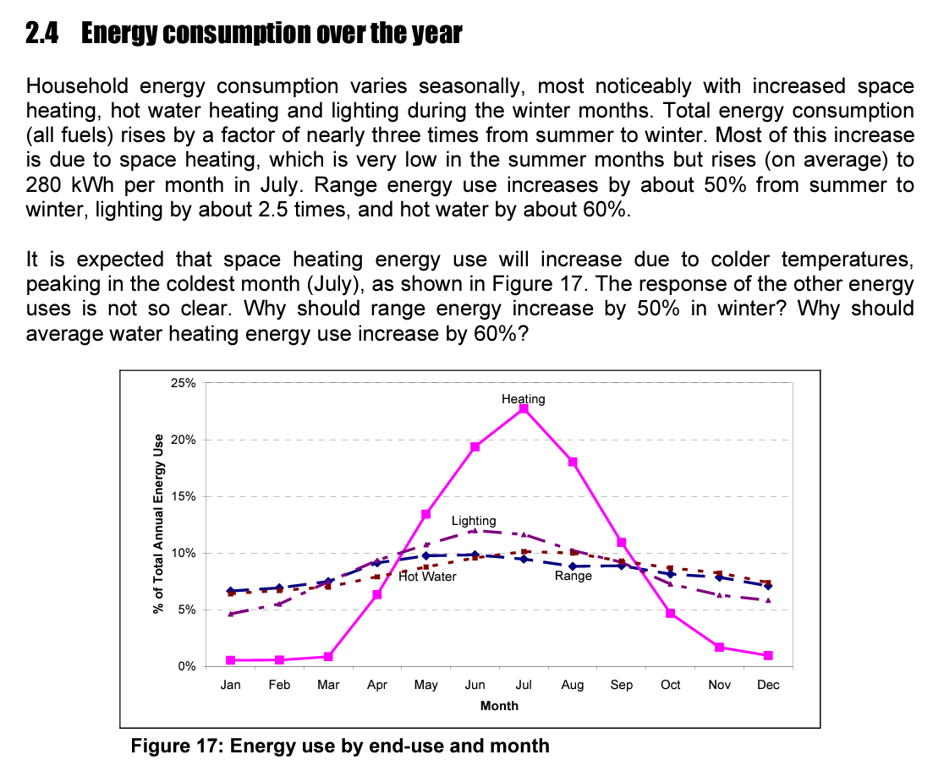

Emissions factors
Electricity (grid)
Gas
LPG
Wood
Petrol
Diesel

https://figure.nz/chart/vdTbdOaKUE9zTKo3
People per home | People
2018 | 1 | 22.67%
2018 | 2 | 33.25%
2018 | 3 | 16.45%
2018 | 4 | 15.65%
2018 | 5 | 7.08%
2018 | 6 | 2.87%
2018 | 7 | 1.10%
2018 | 8 | 0.94%

Average per home | 2.6891004824

Occupied private dwellings | View table - Infoshare - Statistics New Zealand (stats.govt.nz)
1,920,300

Emissions Factors | Electricity | Natural Gas | LPG | Wood | Petrol | Diesel | AutoLPG
kgCO2e/kWh | 0.098 | 0.217 | 0.218 | 0.025 | 0.242 | 0.253 | 0.218

EECA gas water heater sales
Year | Sales Units
2009 | 10000 | Estimated (linear trend)
2010 | 15000 | Estimated (linear trend)
2011 | 17000 | Estimated (linear trend)
2012 | 19126 | EECA data
2013 | 19400 | EECA data
2014 | 25568 | EECA data
2015 | 29242 | EECA data
2016 | 30484 | EECA data
2017 | 41151 | EECA data
2018 | 43730 | EECA data
2019 | 45964 | EECA data
2020 | 48136 | EECA data
2021 | 56020 | EECA data
2022 | 54183 | EECA data
2023 | 61336 | Estimated (linear trend)
 | 516340

Learning rates
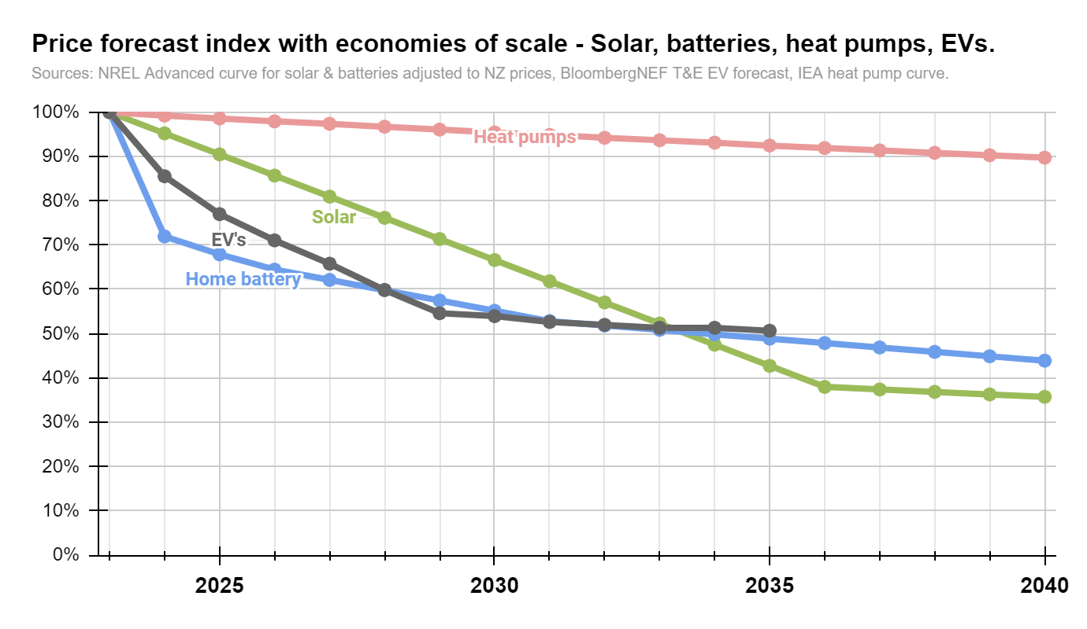
Energy price forecasts | 2023 | 2024 | 2025 | 2026 | 2027 | 2028 | 2029 | 2030 | 2031 | 2032 | 2033 | 2034 | 2035 | 2036 | 2037 | 2038 | 2039 | 2040
Electricity | 0.24 | 0.25 | 0.26 | 0.26 | 0.27 | 0.27 | 0.28 | 0.28 | 0.29 | 0.29 | 0.30 | 0.30 | 0.31 | 0.32 | 0.32 | 0.33 | 0.33 | 0.34
Gas | 0.11 | 0.11 | 0.11 | 0.11 | 0.12 | 0.12 | 0.12 | 0.12 | 0.13 | 0.13 | 0.13 | 0.13 | 0.14 | 0.14 | 0.14 | 0.14 | 0.15 | 0.15
LPG | 0.24 | 0.24 | 0.25 | 0.25 | 0.26 | 0.26 | 0.27 | 0.28 | 0.28 | 0.29 | 0.29 | 0.30 | 0.30 | 0.31 | 0.31 | 0.32 | 0.33 | 0.33
Wood | 0.11 | 0.10 | 0.10 | 0.10 | 0.11 | 0.11 | 0.11 | 0.11 | 0.11 | 0.12 | 0.12 | 0.12 | 0.12 | 0.12 | 0.13 | 0.13 | 0.13 | 0.13
Petrol | 0.27 | 0.25 | 0.25 | 0.26 | 0.26 | 0.27 | 0.27 | 0.28 | 0.28 | 0.29 | 0.29 | 0.29 | 0.30 | 0.30 | 0.31 | 0.31 | 0.32 | 0.32
Diesel | 0.21 | 0.19 | 0.19 | 0.19 | 0.20 | 0.20 | 0.20 | 0.21 | 0.21 | 0.22 | 0.22 | 0.22 | 0.23 | 0.23 | 0.23 | 0.24 | 0.24 | 0.24
AutoLPG | 0.19 | 0.19 | 0.19 | 0.20 | 0.20 | 0.20 | 0.21 | 0.21 | 0.22 | 0.22 | 0.23 | 0.23 | 0.23 | 0.24 | 0.24 | 0.25 | 0.25 | 0.26
CPI adjusted from today's energy prices

Solar price forecast | 2023 | 2024 | 2025 | 2026 | 2027 | 2028 | 2029 | 2030 | 2031 | 2032 | 2033 | 2034 | 2035 | 2036 | 2037 | 2038 | 2039 | 2040
$/kW | $2,000 | $1,904 | $1,809 | $1,714 | $1,619 | $1,523 | $1,427 | $1,332 | $1,237 | $1,141 | $1,046 | $950 | $854 | $759 | $748 | $737 | $725 | $715
Advanced | 1.00 | 0.95 | 0.90 | 0.86 | 0.81 | 0.76 | 0.71 | 0.67 | 0.62 | 0.57 | 0.52 | 0.48 | 0.43 | 0.38 | 0.37 | 0.37 | 0.36 | 0.36
Residential PV | Electricity | 2023 | ATB | NREL

Battery price forecast | 2023 | 2024 | 2025 | 2026 | 2027 | 2028 | 2029 | 2030 | 2031 | 2032 | 2033 | 2034 | 2035 | 2036 | 2037 | 2038 | 2039 | 2040
$/kWh | $1,000 | $719 | $679 | $644 | $621 | $598 | $575 | $552 | $528 | $518 | $508 | $499 | $489 | $479 | $469 | $459 | $449 | $439
Multiplier | 1.00 | 0.72 | 0.68 | 0.64 | 0.62 | 0.60 | 0.57 | 0.55 | 0.53 | 0.52 | 0.51 | 0.50 | 0.49 | 0.48 | 0.47 | 0.46 | 0.45 | 0.44
Advanced | Residential Battery Storage | Electricity | 2023 | ATB | NREL

Electric vehicle price | 2023 | 2024 | 2025 | 2026 | 2027 | 2028 | 2029 | 2030 | 2031 | 2032 | 2033 | 2034 | 2035 | 2036 | 2037 | 2038 | 2039 | 2040
% of parity | 130% | 117% | 108% | 100% | 91% | 83% | 82% | 80% | 79% | 78% | 78% | 77% | 76%
Use delayed multiplier | 100% | 86% | 77% | 71% | 66% | 60% | 55% | 54% | 53% | 52% | 51% | 51% | 51%
Standard multiplier | 100% | 90% | 83% | 77% | 70% | 64% | 63% | 62% | 61% | 60% | 60% | 59% | 58%
Delayed multiplier (by 1 year - 2022 = 152%) | 100% | 86% | 77% | 71% | 66% | 60% | 55% | 54% | 53% | 52% | 51% | 51% | 51%
Multiplier in use
Source: | https://www.transportenvironment.org/sites/te/files/publications/2021_05_05_Electric_vehicle_price_parity_and_adoption_in_Europe_Final.pdf

Heat pump cost curve | 2023 | 2024 | 2025 | 2026 | 2027 | 2028 | 2029 | 2030 | 2031 | 2032 | 2033 | 2034 | 2035 | 2036 | 2037 | 2038 | 2039 | 2040
$/kW (USD from IEA) | 915 | 908 | 902 | 896 | 891 | 885 | 879 | 873 | 868 | 862 | 857 | 852 | 846 | 841 | 836 | 831 | 826 | 821
Multiplier | 1.00 | 0.99 | 0.99 | 0.98 | 0.97 | 0.97 | 0.96 | 0.95 | 0.95 | 0.94 | 0.94 | 0.93 | 0.92 | 0.92 | 0.91 | 0.91 | 0.90 | 0.90
Source: | Cumulative capacity and capital cost learning curve for vapour compression applications in the Sustainable Development Scenario, 2019-2070 – Charts – Data & Statistics - IEA

Index | 2023 | 2024 | 2025 | 2026 | 2027 | 2028 | 2029 | 2030 | 2031 | 2032 | 2033 | 2034 | 2035 | 2036 | 2037 | 2038 | 2039 | 2040
Solar | 100% | 95% | 90% | 86% | 81% | 76% | 71% | 67% | 62% | 57% | 52% | 48% | 43% | 38% | 37% | 37% | 36% | 36%
Home batteries | 100% | 72% | 68% | 64% | 62% | 60% | 57% | 55% | 53% | 52% | 51% | 50% | 49% | 48% | 47% | 46% | 45% | 44%
Heat pumps | 100% | 99% | 99% | 98% | 97% | 97% | 96% | 95% | 95% | 94% | 94% | 93% | 92% | 92% | 91% | 91% | 90% | 90%
EV's | 100% | 86% | 77% | 71% | 66% | 60% | 55% | 54% | 53% | 52% | 51% | 51% | 51% | 0% | 0% | 0% | 0% | 0%

Label solar |  |  |  |  |  | Solar
Label battery |  |  |  |  | Home battery
Label heat pump |  |  |  |  |  |  |  |  |  | Heat pumps
Label EV |  |  |  | EV's

Battery forecast | Residential Battery Storage | Electricity | 2023 | ATB | NREL
Input from 2023 NREL | 2022 | 2023 | 2024 | 2025 | 2026 | 2027 | 2028 | 2029 | 2030 | 2031 | 2032 | 2033 | 2034 | 2035 | 2036 | 2037 | 2038 | 2039 | 2040 | 2041 | 2042 | 2043 | 2044 | 2045 | 2046 | 2047 | 2048 | 2049 | 2050
NREL Advanced curve | 3706.709 | 2666.599 | 2516.91 | 2388.848 | 2302.777 | 2216.707 | 2130.637 | 2044.566 | 1958.496 | 1921.666 | 1884.836 | 1848.007 | 1811.177 | 1774.347 | 1737.518 | 1700.688 | 1663.858 | 1627.029 | 1590.199 | 1553.369 | 1516.54 | 1479.71 | 1442.88 | 1406.05 | 1369.221 | 1332.391 | 1295.561 | 1258.732 | 1221.902
% | 100.00% | 71.94% | 67.90% | 64.45% | 62.12% | 59.80% | 57.48% | 55.16% | 52.84% | 51.84% | 50.85% | 49.86% | 48.86% | 47.87% | 46.87% | 45.88% | 44.89% | 43.89% | 42.90% | 41.91% | 40.91% | 39.92% | 38.93% | 37.93% | 36.94% | 35.95% | 34.95% | 33.96% | 32.96%
NREL Moderate curve | 3706.709 | 3507.777 | 3326.006 | 3157.752 | 3060.697 | 2973.828 | 2897.731 | 2823.313 | 2755.676 | 2721.23 | 2686.784 | 2652.338 | 2617.892 | 2583.446 | 2549 | 2514.554 | 2480.108 | 2445.662 | 2411.216 | 2376.77 | 2342.324 | 2307.878 | 2273.432 | 2238.986 | 2204.541 | 2170.095 | 2135.649 | 2101.203 | 2066.757
% | 100.00% | 94.63% | 89.73% | 85.19% | 82.57% | 80.23% | 78.18% | 76.17% | 74.34% | 73.41% | 72.48% | 71.56% | 70.63% | 69.70% | 68.77% | 67.84% | 66.91% | 65.98% | 65.05% | 64.12% | 63.19% | 62.26% | 61.33% | 60.40% | 59.47% | 58.55% | 57.62% | 56.69% | 55.76%

NZ price per kWh Offset by 1 year | 2022 | 2023 | 2024 | 2025 | 2026 | 2027 | 2028 | 2029 | 2030 | 2031 | 2032 | 2033 | 2034 | 2035 | 2036 | 2037 | 2038 | 2039 | 2040 | 2041 | 2042 | 2043 | 2044 | 2045 | 2046 | 2047 | 2048 | 2049 | 2050
Advanced | $1,200 | $1,000 | $719 | $679 | $644 | $621 | $598 | $575 | $552 | $528 | $518 | $508 | $499 | $489 | $479 | $469 | $459 | $449 | $439 | $429 | $419 | $409 | $399 | $389 | $379 | $369 | $359 | $350 | $340
Moderate | $1,200 | $1,000 | $946 | $897 | $852 | $826 | $802 | $782 | $762 | $743 | $734 | $725 | $716 | $706 | $697 | $688 | $678 | $669 | $660 | $651 | $641 | $632 | $623 | $613 | $604 | $595 | $585 | $576 | $567

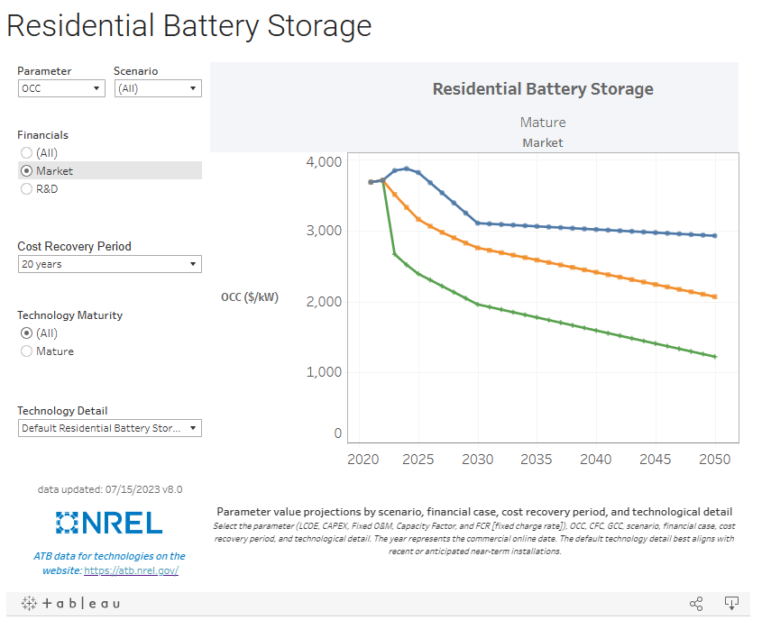

PV forecast | Residential PV | Electricity | 2023 | ATB | NREL
Input from 2023 NREL | 2022 | 2023 | 2024 | 2025 | 2026 | 2027 | 2028 | 2029 | 2030 | 2031 | 2032 | 2033 | 2034 | 2035 | 2036 | 2037 | 2038 | 2039 | 2040 | 2041 | 2042 | 2043 | 2044 | 2045 | 2046 | 2047 | 2048 | 2049 | 2050
NREL Advanced curve | 2.947 | 2.806 | 2.666 | 2.525 | 2.385 | 2.244 | 2.103 | 1.963 | 1.822 | 1.681 | 1.541 | 1.4 | 1.259 | 1.119 | 1.102 | 1.086 | 1.069 | 1.053 | 1.037 | 1.02 | 1.004 | 0.987 | 0.971 | 0.954 | 0.938 | 0.922 | 0.905 | 0.889 | 0.872
% | 100.00% | 95.22% | 90.46% | 85.68% | 80.93% | 76.15% | 71.36% | 66.61% | 61.83% | 57.04% | 52.29% | 47.51% | 42.72% | 37.97% | 37.39% | 36.85% | 36.27% | 35.73% | 35.19% | 34.61% | 34.07% | 33.49% | 32.95% | 32.37% | 31.83% | 31.29% | 30.71% | 30.17% | 29.59%
NREL Moderate curve | 2.947 | 2.842 | 2.736 | 2.631 | 2.525 | 2.42 | 2.315 | 2.209 | 2.104 | 1.998 | 1.893 | 1.788 | 1.682 | 1.577 | 1.546 | 1.516 | 1.485 | 1.455 | 1.424 | 1.393 | 1.363 | 1.332 | 1.302 | 1.271 | 1.241 | 1.21 | 1.18 | 1.149 | 1.119
% | 100.00% | 96.44% | 92.84% | 89.28% | 85.68% | 82.12% | 78.55% | 74.96% | 71.39% | 67.80% | 64.23% | 60.67% | 57.07% | 53.51% | 52.46% | 51.44% | 50.39% | 49.37% | 48.32% | 47.27% | 46.25% | 45.20% | 44.18% | 43.13% | 42.11% | 41.06% | 40.04% | 38.99% | 37.97%

NZ price per kWh Offset by 1 year | 2022 | 2023 | 2024 | 2025 | 2026 | 2027 | 2028 | 2029 | 2030 | 2031 | 2032 | 2033 | 2034 | 2035 | 2036 | 2037 | 2038 | 2039 | 2040 | 2041 | 2042 | 2043 | 2044 | 2045 | 2046 | 2047 | 2048 | 2049 | 2050
Advanced |  | $2,000 | $1,904 | $1,809 | $1,714 | $1,619 | $1,523 | $1,427 | $1,332 | $1,237 | $1,141 | $1,046 | $950 | $854 | $759 | $748 | $737 | $725 | $715 | $704 | $692 | $681 | $670 | $659 | $647 | $637 | $626 | $614 | $603
Moderate |  | $2,000 | $1,929 | $1,857 | $1,786 | $1,714 | $1,642 | $1,571 | $1,499 | $1,428 | $1,356 | $1,285 | $1,213 | $1,141 | $1,070 | $1,049 | $1,029 | $1,008 | $987 | $966 | $945 | $925 | $904 | $884 | $863 | $842 | $821 | $801 | $780

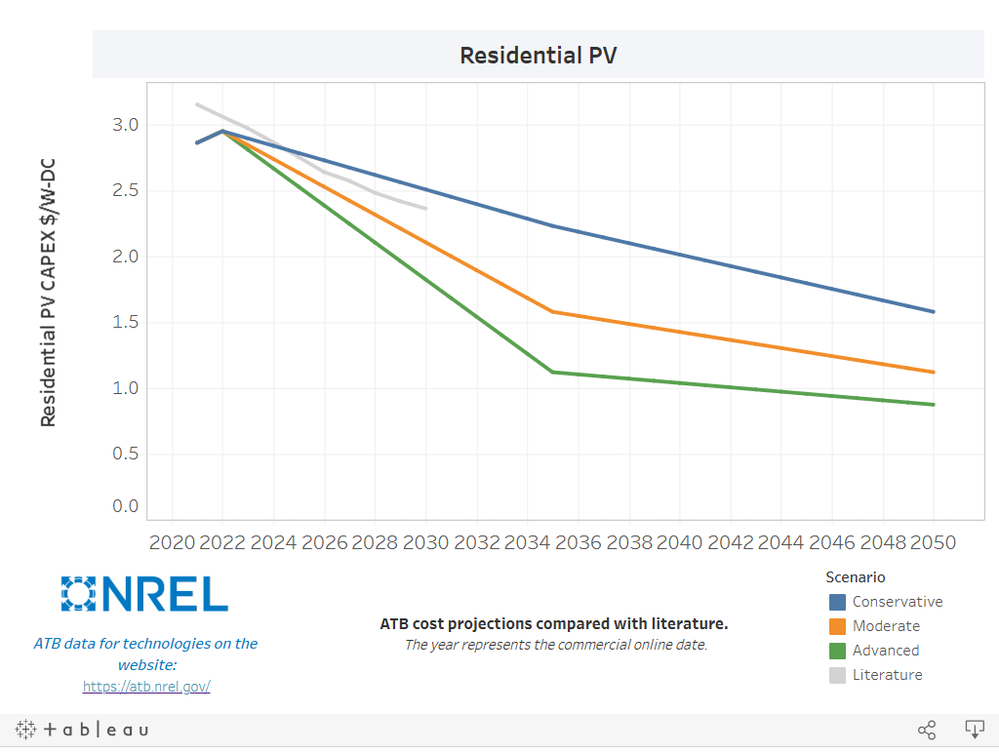
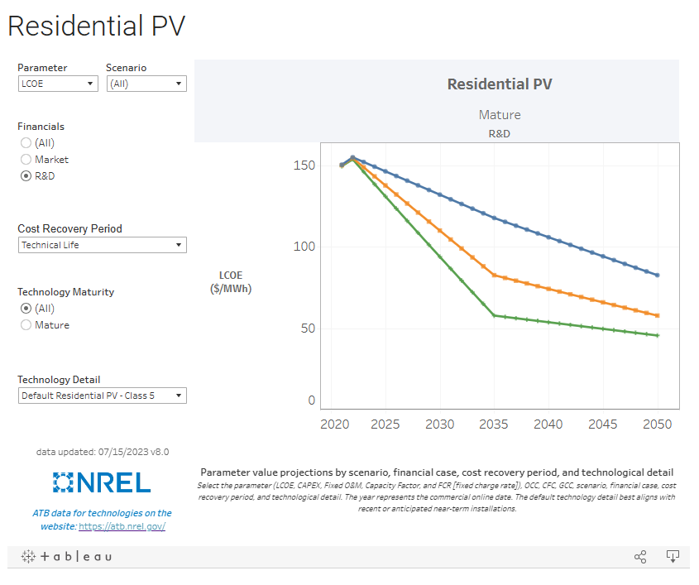

 |  |  |  |  |  |  |  |  |  |  | Historic
 |  |  |  |  |  |  |  |  |  |  | https://ourworldindata.org/grapher/solar-pv-prices

Product prices
Space heating | Item price | Install cost | Total cost
Heat pump large | $2,728 | $1,050 | 3778
Heat pump small | $1,456 | $1,050 | 2198
Gas heater mains | $3,233 | $1,250 | $4,483
Gas heater LPG | $3,313 | $1,250 | $4,563
Wood fire | $3,913 | 1000 | 4913
Resistance electric | $300 | $0

Water heating | Item price | Install cost - replace different or new | Total cost - replace different
Heat pump water heater large | $4,678 | $2,321 | $6,949
Resistive water heater large | $1,975 | $1,995 | $4,408
Resistive water heater small | $1,426 | $1,817 | $3,154
Gas water heater instant | $1,418 | $2,175 | $3,400
LPG water heater instant | $1,419 | $2,175 | $3,400

Cooktops | Item price | Install cost | Total cost
Induction | $1,420 | $1,265 | $2,685
Resistive | $879 | $288 | $1,166
Gas | $1,022 | $630 | $1,651

Vehicles | Assumed price
Petrol car | $37,943
Electric car | $56,325

Space heating

Heat pumps | Link/source | Item price | Install costs | Full installed price | Date accessed
Small ~3kW
Bunnings | Carrier Supply & Standard Install 3.50kw Cool 3.75 Heat $2,005.00 |  |  | 2005
Bunnings | Rinnai Q Series Supply & Standard Install 3.4kw Cool 3.5kw Heat $1,959.00 |  |  | 1959
Bunnings | Rinnai Pro Series Supply & Standard Install 3.5kw Cool 4kw Heat $2,050.00 |  |  | 2050
Bunnings | Toshiba Haori Supply & Standard Install 2.5kw Cool 3.2kw Heat $2,779.00 |  |  | 2779
Bunnings | https://www.bunnings.co.nz/mitsubishi-avanti-3-5kw-reverse-cycle-split-system-heat-pump_p4442100 | 1338
Mitre10 | Heat Pumps & Air Conditioners | Mitre 10 | Mitre10™ | 1338
ConsumerNZ | https://www.consumer.org.nz/articles/heat-pump-installation-and-costs |  | 1050
KiwiHeatPump | https://www.kiwiheatpump.co.nz/product/daikin-cora-ftxm35uvmz-2-8kw-heat-pumpair-conditioner/ | 1690
PlaceMakers | https://www.placemakers.co.nz/online/p/7729288 | 1567.86
PlaceMakers | https://www.placemakers.co.nz/online/p/7729378 | 1343.84
PlaceMakers | https://www.placemakers.co.nz/online/p/7729292 | 1876

Average |  | 1455.54 | 1050 | 2198.25

Large ~7kW
Bunnings | Rinnai Q Series Supply & Standard Install 7.0kw Cool 7.0kw Heat $2,879.00 |  |  | 2879
Bunnings | Carrier Supply & Standard Install 7kw Cool 7.6kw Heat $2,899.00 |  |  | 2899
Bunnings | Rinnai Pro Series Supply & Standard Install 7kw Cool 7.5kw Heat $3,155.00 |  |  | 3155
Bunnings | Rinnai Pro Series Supply & Standard Install 6kw Cool 6.2kw Heat $2,760.00 |  |  | 2760
Bunnings
Mitre10 | Hitachi | Premium Heat Pump Air Conditioner 7kW/8kW Reverse | Mitre10 | 2699
ConsumerNZ | https://www.consumer.org.nz/articles/heat-pump-installation-and-costs |  | 1050
https://www.kiwiheatpump.co.nz/product/daikin-cora-ftxm60uvmz-7-3kw-heat-pumpair-conditioner/ |  | 2550
https://www.placemakers.co.nz/online/p/7765327 | Seiya Heat Pump 7.1kW Cool / 8kW Heat | 3049
https://www.placemakers.co.nz/online/p/7738581 | Carrier Hi Wall Heat Pump 8.30kW Heat / 8.00kW Cool 53QHG080 | 2537.99
https://www.placemakers.co.nz/online/p/7772043 | Rinnai Pro Series High Wall Heat Pump 8kW Wi-Fi | 3364.95
https://www.placemakers.co.nz/online/p/7738580 | Carrier Hi Wall Heat Pump 7.60kW Heat / 7.00kW Cool 53QHG070 | 1909.99
https://www.placemakers.co.nz/online/p/7729292 | Fujitsu E3 Lifestyle Wall Mounted Heat Pump Hi Wall Set 7.1kW Cool 8.0kW Heat | 3045.3
https://www.placemakers.co.nz/online/p/7758936 | Toshiba Hi Wall Heat Pump 8.0kW / 7.1kW E2KVSG24 | 3447.99
https://www.kiwiheatpump.co.nz/product/fujitsu-astg18kmcb-6-0kw-wifi-heat-pump-air-conditioner/ | FUJITSU ASTG18KMCB 6.0KW WIFI HEAT PUMP/ AIR CONDITIONER | 1950

Average |  | 2728.2466667 | 1050 | 3778.2466667

Gas heaters | Link/source | Item price | Install costs | Full installed price | Date accessed
PlumbingPlusNZ | https://www.plumbingplus.co.nz/products/rinnai-energysaver-561ft-gas-heater/ | 3025
PlumbingPlusNZ | https://www.plumbingplus.co.nz/products/rinnai-energysaver-1005ft-gas-heater/ | 3825
Mitre10 | Rinnai | Energysaver NG Convector Heater 5.3kW | Mitre10 | 2913
ConsumerNZ | https://www.consumer.org.nz/articles/flued-gas-heaters | 2686 | 1250
https://www.placemakers.co.nz/online/p/3801266 | Rinnai Energysaver 559 Power Flued Natural Gas Heater RHF559FTWN | 3022.02
https://www.placemakers.co.nz/online/p/3800355 | Rinnai Energysaver 1005 Power Flued Natural Gas Heater 8.8kW White RHF1005FTWN | 3927.17

Average |  | 3233.0316667 | 1250 | 4483.0316667

LPG heaters | Link/source | Item price | Install costs | Full installed price | Date accessed
PlumbingPlusNZ | https://www.plumbingplus.co.nz/products/rinnai-energysaver-561ft-gas-heater/ | 3025
PlumbingPlusNZ | https://www.plumbingplus.co.nz/products/rinnai-energysaver-1005ft-gas-heater/ | 3825
ConsumerNZ | https://www.consumer.org.nz/articles/flued-gas-heaters | 2686 | 1250
https://www.placemakers.co.nz/online/p/3801681 | Rinnai Energysaver 561 Power Flued Gas Heater 4.8kW LPG White RHF561FTWL | 3103.65
https://www.placemakers.co.nz/online/p/3800354 | Rinnai Energysaver 1005 Power Flued Gas Heater 8.8kW LPG White RHF1005FTWL | 3927.17 |  |  |  | 2900

Average |  | 3313 | 1250 | 4563

Wood fire |  | Item Price | Install cost | Flue cost | Full price
https://www.mitre10.co.nz/shop/metrofires-wee-rad-woody-wood-fire/p/290929 | 15kW peak | 2299
https://kent.co.nz/product/aspiring-wood-fire/ | 18kW peak | 3498
https://www.mitre10.co.nz/shop/metrofires-xtreme-rad-wood-fire/p/280158 | 18kW peak | 3359
https://metrofires.co.nz/products/fires/indoor-fires/freestanding-fires/rad-plus/ | 16kW peak | 3049
Assumed install cost |  |  | 1000
https://www.mitre10.co.nz/shop/woodsman-log-burner-flare-wood-box/p/192756 | 12kW peak | 2899
https://metrofires.co.nz/products/fires/indoor-fires/freestanding-fires/ambie-one-ht/ |  | 2899
https://metrofires.co.nz/products/fires/indoor-fires/freestanding-fires/ltd-wee-rad-base/ | 15 kW peak | 2099
https://www.mitre10.co.nz/shop/masport-flue-kit-for-wood-fires/p/269962 | Flue kit |  |  | 999
https://www.mitre10.co.nz/shop/woodsman-heatsaver-flue-kit-w/1200-heat-shield/p/232676 | Flue kit |  |  | 799
https://www.mitre10.co.nz/shop/metrofires-eco-flue-kit---galvanised-liner/p/319881 | Flue kit |  |  | 1149
https://metrofires.co.nz/products/accessories/flue-systems/eco-flue-kit-stainless-liner/ | Flue kit |  |  | 1219
 |  | 2871.7142857 | 1000 | 1041.5 | 4913

Water heating

Resistance water heating | Link/source | Item price | Install costs - Replace gas | Install costs - Replace same | Full install price - Replace gas | Full install price - Replace same | Date accessed
Small-medium resistance
HotWaterSolutions | Rheem Cylinder 180L VE - Hot Water Solutions | 1025 | 2150 | 1850 | 3175 | 2875 | 2023-10-28
HotWaterSolutions | Thermann Cylinder 180L - Hot Water Solutions | 995 | 1750 | 1550 | 2745 | 2545 | 2023-10-28
HotWaterSolutions | Protank Plus Cylinder 185L - Hot Water Solutions | 2300 | 1550 | 1550 | 3850 | 3850 | 2023-10-28
AKLPlumbersGrp | https://aucklandplumbersgroup.co.nz/shop/thermann-180l-hwc-upgrade/ |  |  |  | 2899 | 2699
AKLPlumbersGrp | https://aucklandplumbersgroup.co.nz/shop/rheem-mains%e2%80%91pressure-upgrade/ |  |  |  | 3099 | 2899
Bunnings | Rheem Electric Water Heater 180L 488 x 1720mm Galvanised Steel - Bunnings New Zealand | 1520
Mitre10 | Rinnai | Enamel Mains Pressure Indoor/Outdoor Hot Water Cylinder | Mitre10 | 1384
HotWaterShopCoNZ | https://hotwatershop.co.nz/product/dux-proflow-180l-outdoor-mains-pressure-cylinder-1697-x-492/ | 1345
HotWaterShopCoNZ | https://hotwatershop.co.nz/product/rheem180l-hot-water-system-installation-all-inclusive/ | 1395
PlumbingPlusNZ | https://www.plumbingplus.co.nz/products/rheem-180l-mains-pressure-vitreous-enamel-electric-water-heater/ | 1600
PlumbingPlusNZ | https://www.plumbingplus.co.nz/products/rheem-180l-optima-mains-pressure-electric-water-heater/ | 1339
PlumbingPlusNZ | https://www.plumbingplus.co.nz/products/dux-water-heaters-dux-hot-water-cylinder-125l/ | 1356

Average for small-medium resistance |  | 1425.9 | 1816.6666667 | 1650 | 3153.6 | 2973.6

Large resistance
HotWaterSolutions | Rheem Cylinder 250L VE - Hot Water Solutions | 1475 | 1750 | 2100 | 3225 | 3575 | 2023-10-28
HotWaterSolutions | Rheem Cylinder 300L SS - Hot Water Solutions | 2755 | 2240 | 2045 | 4995 | 4800 | 2023-10-28
LaserQueenstown | 250L |  |  |  | 5002.5
HotWaterShopCoNZ | https://hotwatershop.co.nz/product/dux-proflow-250l-outdoor-mains-pressure-cylinder-620-x-1445/ | 1815
HotWaterShopCoNZ | https://hotwatershop.co.nz/product/rheem-300l-mains-pressure-hot-water-cylinder-580x1815mm/ | 1875
PlumbingPlusNZ | https://www.plumbingplus.co.nz/products/rheem-300l-mains-pressure-vitreous-enamel-electric-water-heater/ | 2076
PlumbingPlusNZ | https://www.plumbingplus.co.nz/products/rheem-300l-optima-mains-pressure-electric-water-heater/ | 1942
PlumbingPlusNZ | https://www.plumbingplus.co.nz/products/dux-water-heaters-dux-hot-water-cylinder-250l/ | 1886
Average for large resistance |  | 1974.8571429 | 1995 | 2072.5 | 4407.5 | 4187.5

Average for resistance combined |  | $1,700 | $1,906 | $1,861 | $3,781 | $3,581

Heat pump electric | Link/source | Item price | Install costs - Replace gas | Install costs - Replace same | Full install price - Replace gas | Full install price - Replace same | Date accessed
HotWaterSolutions | Enviroheat Heat Pump Hot Water 200L - Hot Water Solutions | 3650 | 2300 | 2150 | 5950 | 5800 | 2023-10-28
HotWaterSolutions | Enviroheat Heat Pump Hot Water 250L - Hot Water Solutions | 4100 | 2300 | 2100 | 6400 | 6200 | 2023-10-28
HotWaterSolutions | Rheem Ambiheat Heat Pump 270L - Hot Water Solutions | 6750 | 2445 | 2100 | 9195 | 8850 | 2023-10-28
HotWaterSolutions | Stiebel Eltron Heat Pump Hot Water 220L - Hot Water Solutions | 4650 | 2300 | 2150 | 6950 | 6800 | 2023-10-28
HotWaterSolutions | Stiebel Eltron Heat Pump Hot Water 302L - Hot Water Solutions | 4750 | 2300 | 2150 | 7050 | 6900 | 2023-10-28
HotWaterSolutions | Ecospring Heat Pump Hot Water 190L - Hot Water Solutions | 3750 | 2300 | 2150 | 6050 | 5900 | 2023-10-28
HotWaterSolutions | Ecospring Heat Pump Hot Water 300L - Hot Water Solutions | 4750 | 2300 | 2150 | 7050 | 6900 | 2023-10-28
HotWaterShopCoNZ | HP300 Heat Pump Hot Water Cylinder 300L | Hot Water Shop | 4695
HotWaterShopCoNZ | https://hotwatershop.co.nz/product/es190-heat-pump-hot-water-cylinder/ | 3530
HotWaterShopCoNZ | https://hotwatershop.co.nz/product/econergy-hp4000lt-heat-pump-water-heater/ | 4795
HotWaterShopCoNZ | https://hotwatershop.co.nz/product/stiebel-eltron-220l-hot-water-heat-pump-690-1553mm/ | 5615
PlumbingPlusNZ | https://www.plumbingplus.co.nz/products/parex-ecospring-190-litre-hot-water-heat-pump/ | 3279
PlaceMakers | https://www.placemakers.co.nz/online/electrical-heatingcooling/heating-ventilation-cooling/heat-pumps/special-order-heat-pumps/hydraheat-hot-water-heat-pump/p/7819866 | 6499
Average |  | $4,678 | $2,321 | $2,136 | $6,949 | $6,764

Gas instant |  | Item price | Install costs - Replace cylinder | Install costs - Replace same | Full install price - Replace cylinder | Full install price - Replace same | Date accessed
HotWaterSolutions | Rheem Gas 16 - Hot Water Solutions | 1120 | 2150 | 775 | 3270 | 1895 | 2023-10-28
HotWaterSolutions | Rheem Gas 20 - Hot Water Solutions | 1100 | 2150 | 775 | 3250 | 1875 | 2023-10-28
HotWaterSolutions | Reliable Rheem Gas Water Heaters - Efficient Hot Water Supply (hotwatersolutions.nz) | 1125 | 2150 | 775 | 3275 | 1900 | 2023-10-28
HotWaterSolutions | Endless Hot Water with Rinnai Infinity Gas Hot Water System (hotwatersolutions.nz) | 1135 | 2150 | 775 | 3285 | 1910 | 2023-10-28
HotWaterSolutions | Rinnai Infinity Gas 26 - Hot Water Solutions | 1165 | 2150 | 775 | 3315 | 1940 | 2023-10-28
HotWaterSolutions | Thermann Gas Hot Water Califont in NZ (hotwatersolutions.nz) | 985 | 2150 | 775 | 3135 | 1760 | 2023-10-28
HotWaterSolutions | Thermann Gas 26R - Hot Water Solutions | 1125 | 2150 | 775 | 3275 | 1900 | 2023-10-28
HotWaterSolutions | Thermann Gas 32R - Hot Water Solutions | 2250 | 2350 | 925 | 4600 | 3175 | 2023-10-28
AKLPlumbersGrp | https://aucklandplumbersgroup.co.nz/shop/rinnai-infinity/ |  |  |  | 3299 | 2099 | 2023-11-03
AKLPlumbersGrp | https://aucklandplumbersgroup.co.nz/shop/thermann-26/ |  |  |  | 3299 | 2099 | 2023-11-03
Bunnings | https://www.bunnings.co.nz/rheem-26l-natural-gas-continuous-flow-water-heater-external_p0119137 | 1290 |  |  |  |  | 2023-11-03
Bunnings | https://www.bunnings.co.nz/rheem-27l-natural-gas-continuous-flow-external-water-heater_p0289093 | 1445 |  |  |  |  | 2023-11-03
Mitre10 | Rheem | Continuous Flow Gas Water Heater | Mitre10 | 1640
HotWaterShopCoNZ | https://hotwatershop.co.nz/product/rinnai-hot-water-unit-a16l/ | 1495
HotWaterShopCoNZ | https://hotwatershop.co.nz/product/rinnai-gas-hot-water-system/ | 1495
PlumbingPlusNZ | https://www.plumbingplus.co.nz/products/rinnai-infinity-a20-20l-external-continuous-flow-gas-water-heater/ | 1526
PlumbingPlusNZ | https://www.plumbingplus.co.nz/products/rheem-20l-gas-continuous-flow-external-water-heater/ | 1589
PlumbingPlusNZ | https://www.plumbingplus.co.nz/products/rheem-27l-gas-continuous-flow-external-water-heater/ | 1785
PlumbingPlusNZ | https://www.plumbingplus.co.nz/products/dux-water-heaters-dux-non-condensing-flow-unit-21l/ | 1835
Average |  | $1,418 | $2,175 | $794 | $3,400 | $2,055

LPG instant |  | Item price | Install costs - Replace cylinder | Install costs - Replace same | Full install price - Replace cylinder | Full install price - Replace same | Date accessed
HotWaterSolutions | Rheem Gas 16 - Hot Water Solutions | 1120 | 2150 | 775 | 3270 | 1895 | 2023-10-28
HotWaterSolutions | Rheem Gas 20 - Hot Water Solutions | 1100 | 2150 | 775 | 3250 | 1875 | 2023-10-28
HotWaterSolutions | Reliable Rheem Gas Water Heaters - Efficient Hot Water Supply (hotwatersolutions.nz) | 1125 | 2150 | 775 | 3275 | 1900 | 2023-10-28
HotWaterSolutions | Endless Hot Water with Rinnai Infinity Gas Hot Water System (hotwatersolutions.nz) | 1135 | 2150 | 775 | 3285 | 1910 | 2023-10-28
HotWaterSolutions | Rinnai Infinity Gas 26 - Hot Water Solutions | 1165 | 2150 | 775 | 3315 | 1940 | 2023-10-28
HotWaterSolutions | Thermann Gas Hot Water Califont in NZ (hotwatersolutions.nz) | 985 | 2150 | 775 | 3135 | 1760 | 2023-10-28
HotWaterSolutions | Thermann Gas 26R - Hot Water Solutions | 1125 | 2150 | 775 | 3275 | 1900 | 2023-10-28
HotWaterSolutions | Thermann Gas 32R - Hot Water Solutions | 2250 | 2350 | 925 | 4600 | 3175 | 2023-10-28
AKLPlumbersGrp | https://aucklandplumbersgroup.co.nz/shop/rinnai-infinity/ |  |  |  | 3299 | 2099 | 2023-11-03
AKLPlumbersGrp | https://aucklandplumbersgroup.co.nz/shop/thermann-26/ |  |  |  | 3299 | 2099 | 2023-11-03
Bunnings | Rheem LPG Gas Continuous Flow Water Heater External 20L - Bunnings New Zealand | 1490 |  |  |  |  | 2023-11-03
Bunnings | Rheem 27L LPG Gas Continuous Flow External Water Heater - Bunnings New Zealand | 1470 |  |  |  |  | 2023-11-03
Mitre10 | Rinnai | LPG Continuous Flow External Gas Hot Water Heater | Mitre10 | 1580
PlumbingPlusNZ | https://www.plumbingplus.co.nz/products/rinnai-infinity-a20-20l-external-continuous-flow-gas-water-heater/ | 1526
PlumbingPlusNZ | https://www.plumbingplus.co.nz/products/rheem-20l-gas-continuous-flow-external-water-heater/ | 1589
PlumbingPlusNZ | https://www.plumbingplus.co.nz/products/rheem-27l-gas-continuous-flow-external-water-heater/ | 1785
PlumbingPlusNZ | https://www.plumbingplus.co.nz/products/dux-water-heaters-dux-non-condensing-flow-unit-21l/ | 1835
Average |  | 1418.6666667 | 2175 | 793.75 | 3400.3 | 2055.3

Cooking |  | Item | Install cost | Total installed cost | Date accessed

Gas hob
AKLPlumbersGrp | Gas Hob Installation | Auckland Plumbers Group |  | 899 |  | 2023-11-03
HarveyNorman | https://www.harveynorman.co.nz/whiteware/kitchen/cooktops/whirlpool-60cm-4-burner-gas-cooktop-stainless-steel-gmwl628ixlaus.html | 998 |  |  | 2023-11-03
HarveyNorman | https://www.harveynorman.co.nz/whiteware/kitchen/cooktops/aeg-60cm-4-burner-gas-on-steel-cooktop-stainless-steel-hg60fxa.html | 1457 |  |  | 2023-11-03
HarveyNorman | https://www.harveynorman.co.nz/whiteware/kitchen/cooktops/fisher-and-paykel-60cm-4-burner-lpg-gas-cooktop-stainless-steel-series-5-cg604clpx2.html | 1449 |  |  | 2023-11-03
HarveyNorman | https://www.harveynorman.co.nz/whiteware/kitchen/cooktops/haier-gas-cooktop.html | 639 |  |  | 2023-11-03
HarveyNorman | https://www.harveynorman.co.nz/whiteware/kitchen/cooktops/miele-60cm-gas-cooktop.html | 1849 |  |  | 2023-11-03
HarveyNorman | https://www.harveynorman.co.nz/whiteware/kitchen/cooktops/westinghouse-60cm-stainless-steel-gas-cooktop-en.html | 849 |  |  | 2023-11-03
HarveyNorman | https://www.harveynorman.co.nz/whiteware/kitchen/cooktops/bosch-60cm-gas-cooktop-en.html | 976 |  |  | 2023-11-03
Bunnings | https://www.bunnings.co.nz/everdure-600mm-stainless-steel-gas-cooktop_p0276157 | 348 |  |  | 2023-11-03
Bunnings | https://www.bunnings.co.nz/parmco-600mm-stainless-steel-gas-hob_p0224738 | 629 |  |  | 2023-11-03
Solar One | Replacing gas with gas (2500 for replacing electric with gas) |  | 500
JVS Gasfitting | https://www.jvsgasfitting.co.nz/gas-cooking - replacement install |  | 477.25
JVS Gasfitting | https://www.jvsgasfitting.co.nz/gas-cooking - new install |  | 672.75
Auckland Plumbing | https://www.auckland.plumbing/gasfitting/residential-gasfitting/gas-hob-gas-cook-top-installation-re-location-natural-gas-and-lpg/ |  | 599
Average |  | $1,022 | $630 | $1,651

Electric resistance
Laser Queenstown |  |  | 287.5 |  | 2023-11-03
HarveyNorman | https://www.harveynorman.co.nz/whiteware/kitchen/cooktops/haier-60cm-ceramic-cooktop-black-glass.html | 559 |  |  | 2023-11-03
HarveyNorman | https://www.harveynorman.co.nz/whiteware/kitchen/cooktops/aeg-60cm-ceramic-cooktop.html | 1648 |  |  | 2023-11-03
HarveyNorman | https://www.harveynorman.co.nz/whiteware/kitchen/cooktops/whirlpool-60cm-ceramic-cooktop-en.html | 898 |  |  | 2023-11-03
HarveyNorman | https://www.harveynorman.co.nz/whiteware/kitchen/cooktops/fisher-and-paykel-60cm-4-zoneceramic-cooktop-black-series-5-ce604dtb1.html | 1569 |  |  | 2023-11-03
HarveyNorman | https://www.harveynorman.co.nz/whiteware/kitchen/cooktops/panasonic-60cm-ceramic-cooktop.html | 699 |  |  | 2023-11-03
HarveyNorman | https://www.harveynorman.co.nz/whiteware/kitchen/cooktops/bosch-60cm-series-2-electric-cooktop-black.html | 1031 |  |  | 2023-11-03
Bunnings | https://www.bunnings.co.nz/everdure-600mm-black-ceramic-cooktop_p0229901 | 428 |  |  | 2023-11-03
Bunnings | https://www.bunnings.co.nz/parmco-600mm-cooktop_p0074068 | 780 |  |  | 2023-11-03
Bunnings | https://www.bunnings.co.nz/bellini-60cm-ceramic-hob_p5104068 | 298 |  |  | 2023-11-03

Average |  | $879 | $288 | $1,166

Electic induction
Laser Queenstown |  |  | 1265 |  | 2023-11-03
HarveyNorman | https://www.harveynorman.co.nz/whiteware/kitchen/cooktops/haier-60cm-4-zoneinduction-cooktop-grey-glass-hci604tg3.html | 929 |  |  | 2023-11-03
HarveyNorman | https://www.harveynorman.co.nz/whiteware/kitchen/cooktops/bosch-series-6-60cm-induction-cooktop.html | 2098 |  |  | 2023-11-03
HarveyNorman | https://www.harveynorman.co.nz/whiteware/kitchen/cooktops/whirlpool-65cm-4-zone-built-in-induction-cooktop-black-wss8865nep.html | 1899 |  |  | 2023-11-03
HarveyNorman | https://www.harveynorman.co.nz/whiteware/kitchen/cooktops/whirlpool-65cm-3-zone-electric-induction-cooktop-black-smc653fbtixl.html | 1688 |  |  | 2023-11-03
HarveyNorman | https://www.harveynorman.co.nz/whiteware/kitchen/cooktops/aeg-60cm-4-zone-induction-cooktop-black-ipe64551fb.html | 2995 |  |  | 2023-11-03
HarveyNorman | https://www.harveynorman.co.nz/whiteware/kitchen/cooktops/haier-60cm-induction-cooktop.html | 1139 |  |  | 2023-11-03
Bunnings | https://www.bunnings.co.nz/everdure-600mm-black-induction-cooktop_p0276155 | 488 |  |  | 2023-11-03
Bunnings | https://www.bunnings.co.nz/parmco-600mm-induction-hob_p0092935 | 1146 |  |  | 2023-11-03
Bunnings | https://www.bunnings.co.nz/bellini-60cm-induction-cooktop_p0376105 | 398

Average |  | $1,420 | $1,265 | $2,685

Vehicles
 | Petrol/Diesel Vehicle | Sales weighting | Price | MPG |  | Replacement EV | Price | MPG
SUZUKI | SWIFT | 2,618 | $24,990 | 38 |  | GWM Ora | $42,900 | 120 |  | 120 | 174
HONDA | JAZZ | 2,300 | $31,500 | 35 |  | Nissan Leaf | $47,990 | 111

TOYOTA | RAV4 | 1218 | $39,290 | 30 |  | BYD Atto 3 | $54,990 | 114 |  | 114 | 183
MITSUBISHI | OUTLANDER | 692 | $46,990 | 27 |  | Tesla Model Y RWD | $67,900 | 122
MITSUBISHI | ECLIPSE CROSS | 2,321 | $36,990 | 26 |  | BYD Atto 3 | $54,990 | 114 |  | 114 | 183
KIA | SELTOS | 1,143 | $35,990 | 31 |  | MG 4 | $46,990 | 122 |  | 122 | 172
KIA | STONIC | 764 | $28,990 | 35 |  | MG 4 | $46,990 | 122 |  | 122 | 172
HYUNDAI | TUCSON | 681 | $50,990 | 28 |  | Tesla Model Y RWD | $67,900 | 122
MITSUBISHI | ASX | 1,758 | $27,990 | 26 |  | MG 4 | $46,990 | 122 |  | 122 | 172
HYUNDAI | KONA | 2,117 | $42,990 | 31 |  | BYD Atto 3 | $54,990 | 114 |  | 114 | 183
SUZUKI | IGNIS | 596 | $24,990 | 33 |  | BYD Dolphin | $49,990 | 119
MG | ZS | 1,990 | $24,990 | 28 |  | MG ZS EV | $50,990 | 113 |  | 113 | 185
HAVAL | H6 | 589 | $36,990 | 25 |  | BYD Atto 3 | $54,990 | 114 |  | 114 | 183
KIA | SPORTAGE | 516 | $42,290 | 28 |  | Tesla Model Y RWD | $67,900 | 122
SUZUKI | JIMNY | 591 | $35,990 | 26 |  | BYD Atto 3 | $54,990 | 114 |  | 114 | 183

TOYOTA | RAV4 | 1218 | $46,290 | 30 |  | Tesla Model Y AWD | $77,900 | 122
MITSUBISHI | OUTLANDER | 692 | $49,990 | 26 |  | Tesla Model Y AWD | $77,900 | 122
NISSAN | X-TRAIL | 483 | $53,990 | 31 |  | Tesla Model Y AWD | $77,900 | 122
FORD | RANGER | 1,312 | $57,490 | 22 |  | LDV Ute | $59,990 | 78 |  | 78 | 268
TOYOTA | HILUX | 1,134 | $46,990 | 21 |  | LDV Ute | $59,990 | 78 |  | 78 | 268
FORD | EVEREST | 496 | $79,990 | 22 |  | KIA EV 9 4WD | 115,990 | 83

Efficiency and price average |  |  | $37,943 | 29.4 |  |  | $56,325 | 113.0 | 26.0%

Energy Use per 100km in popular cars.
 | Label | Petrol Vehicle | Label | Electric Vehicle
Ford F150 AWD | 0 | 105 | 0
Ford Ranger AWD | 0 | 95 | 0
Toyota Highlander Limited | 0 | 91 | 0
Mitsubishi Outlander AWD | 0 | 81 | 0
VW Golf | 0 | 81 | 0
Mitsubishi Eclipse Cross | 0 | 81 | 0
Kia Sportage 2WD | 0 | 75 | 0
Mazda 3 | 0 | 72 | 0
Toyota RAV 4 GXL AWD | 0 | 70 | 0
Kia Rio | 0 | 58 | 0
Ford F150 Lightning AWD |  |  |  | 30 | 0
Rivian R1T |  |  |  | 27 | 0
NIssan Leaf |  |  |  | 19 | 0
KIA EV6 AWD |  |  |  | 19 | 0
BYD Atto 3 |  |  |  | 18 | 0
BYD Dolphin |  |  |  | 18 | 0
Tesla Model Y RWD |  |  |  | 17 | 0
Tesla Model 3 RWD |  |  |  | 16 | 0

Car type | Petrol Vehicle | Electric Vehicle | MPG | Label |  | $
Ford F150 AWD | 105 |  | 20 | Petrol
Ford Ranger AWD | 95 |  | 22 | Petrol
Toyota Highlander Limited | 91 |  | 23 | Petrol
Mitsubishi Outlander AWD | 81 |  | 26 | Petrol
VW Golf | 81 |  | 26 | Petrol
Mitsubishi Eclipse Cross | 81 |  | 26 | Petrol
New car price comparison across selection of electric and petrol vehicles
 | Petrol | Label | Electric | Label
Kia EV 9 4WD |  |  | $115,990 | 0
Ford Everest 4WD | $79,990 | 0
Tesla Model Y AWD |  |  | $77,900 | 0
Tesla Model Y RWD |  |  | $67,900 | 0
LDV Ute 2WD |  |  | $59,990 | 0
Ford Ranger 4WD | $57,490 | 0
BYD Atto 3 |  |  | $54,990 | 0
Nissan X-Trail 4WD | $53,990 | 0
MG ZS EV |  |  | $50,990 | 0
Hyundai Tucsan 2WD | $50,990 | 0
BYD Dolphin |  |  | $49,990 | 0
Mitsubishi Outlander 4WD | $49,990 | 0
Nissan Leaf |  |  | $47,990 | 0
Mitsubishi Outlander 2WD | $46,990 | 0
Toyota Hilux 4WD | $46,990 | 0
MG 4 |  |  | $46,990 | 0
Toyota RAV4 4WD | $46,290 | 0
Hyundai Kona Petrol | $42,990 | 0
Kia Sportage 2WD | $42,290 | 0
Toyota RAV4 2WD | $39,290 | 0
Mitsubishi Eclipse Cross | $36,990 | 0
HAVEL H6 | $36,990 | 0
Suzuki Jimny | $35,990 | 0
Kia Seltos | $35,990 | 0
Honda Jazz | $31,500 | 0
Kia Stonic | $28,990 | 0
Kia Sportage 2WD | 75 |  | 28 | Petrol
Mazda 3 | 72 |  | 29 | Petrol
Toyota RAV 4 GXL AWD | 70 |  | 30 | Petrol
Kia Rio | 58 |  | 36 | Petrol
Ford F150 Lightning AWD |  | 30 | 70 |  | Electric
Rivian R1T |  | 27 | 78 |  | Electric
NIssan Leaf |  | 19 | 111 |  | Electric
KIA EV6 AWD |  | 19 | 109 |  | Electric
BYD Atto 3 |  | 18 | 114 |  | Electric
BYD Dolphin |  | 18 | 119 |  | Electric
Tesla Model Y RWD |  | 17 | 122 |  | Electric
Tesla Model 3 RWD |  | 16 | 132 |  | Electric

 | Petrol | Electric | Label | Label
Kia EV 9 4WD |  | 115,990 |  | Electric
Ford Everest 4WD | $79,990 |  | Petrol
Tesla Model Y AWD |  | $77,900 |  | Electric
Tesla Model Y RWD |  | $67,900 |  | Electric
LDV Ute 2WD |  | $59,990 |  | Electric
Ford Ranger 4WD | $57,490 |  | Petrol
BYD Atto 3 |  | $54,990 |  | Electric
Nissan X-Trail 4WD | $53,990 |  | Petrol
MG ZS EV |  | $50,990 |  | Electric
Hyundai Tucsan 2WD | $50,990 |  | Petrol
BYD Dolphin |  | $49,990 |  | Electric
Mitsubishi Outlander 4WD | $49,990 |  | Petrol
Nissan Leaf |  | $47,990 |  | Electric
Mitsubishi Outlander 2WD | $46,990 |  | Petrol
Toyota Hilux 4WD | $46,990 |  | Petrol
MG 4 |  | $46,990 |  | Electric
Toyota RAV4 4WD | $46,290 |  | Petrol
Hyundai Kona Petrol | $42,990 |  | Petrol
Kia Sportage 2WD | $42,290 |  | Petrol
Toyota RAV4 2WD | $39,290 |  | Petrol
Mitsubishi Eclipse Cross | $36,990 |  | Petrol
HAVEL H6 | $36,990 |  | Petrol
Suzuki Jimny | $35,990 |  | Petrol
Kia Seltos | $35,990 |  | Petrol
Honda Jazz | $31,500 |  | Petrol
Kia Stonic | $28,990 |  | Petrol
Mitsubishi ASX | $27,990 |  | Petrol
MG ZS Petrol | $24,990 |  | Petrol
Small car, Medium car and Large car
Suzuki Ignis | $24,990 |  | Petrol
Suzuki Swift | $24,990 |  | Petrol

Vehicles
Energy use per vehicle calcs, 2019 is used as 2020 and 2021 data are influence by COVID lockdowns (less driving than usual)
Energy End Use Database | EECA
Energy use 2019 | Electricity (TJ) | Petrol (TJ) | Diesel (TJ) | LPG (TJ)
Light passenger | 126 | 104079 | 12705 | 94
Light commercial |  | 6479 | 31023 | 31
Motorcycle |  | 701

Energy use 2019 | kWh | kWh | kWh | kWh | Amount
Light passenger | 35000000 | 28910833333 | 3529166667 | 26111111
Light commercial | 0 | 1799722222 | 8617500000 | 8611111
Motorcycle | 0 | 194722222 | 0 | 0

Passenger cars September 2022 | Count |  |  | Goods vans, trucks and utlities September 2022 | Count |  | Motorcycles 2022 | Count
PETROL | 3,065,816 |  |  | PETROL | 147,535 |  | Petrol | 176,950
DIESEL | 316,653 |  |  | DIESEL | 705,762
ELECTRIC | 39,386 |  |  | ELECTRIC | 1,357 |  |  | 3.83%
PETROL HYBRID | 147,594 |  |  | PETROL HYBRID | 17
DIESEL HYBRID | 65 |  |  | DIESEL HYBRID | 79
PETROL ELECTRIC HYBRID | 1,724 |  |  | PETROL ELECTRIC HYBRID | 1
DIESEL ELECTRIC HYBRID | 7 |  |  | DIESEL ELECTRIC HYBRID | 30
PLUGIN PETROL HYBRID | 15,677 |  |  | PLUGIN PETROL HYBRID | 61
PLUGIN DIESEL HYBRID | 23 |  |  | PLUGIN DIESEL HYBRID | 1
ELECTRIC [PETROL EXTENDED] | 489 |  |  | CNG | 45
ELECTRIC [DIESEL EXTENDED] | 2 |  |  | LPG | 342
ELECTRIC FUEL CELL HYDROGEN | 17 |  |  | OTHER | 26
CNG | 8
LPG | 710
OTHER | 107

Total | 3,588,278 |  |  | Total | 855256
 | 77.66% |  |  |  | 18.51%
Total combined | 4,443,534

Passenger cars December 2019 | Count | Energy use | Per car |  | Goods vans, trucks and utilities December 2019 | Count | Energy use | Per car | Motorcycles 2019 | Count | Energy use | Per bike
Petrol | 2,677,453 | 28642895868 | 10698 |  | Petrol | 112,736 | 1799698276.5 | 15964 | Petrol | 158,584 | 194722222 | 1228
Diesel | 266,300 | 3528861883.3 | 13251 |  | Diesel | 549,068 | 8617295972.7 | 15694
Electric | 13,111 | 35000000 | 2670 |  | Electric | 831 | 0 | 0
Petrol Hybrid | 50,092 | 267937465 | 5349 |  | Petrol Hybrid | 3 | 23946 | 7982
Diesel Hybrid | 46 | 304783 | 6626 |  | Diesel Hybrid | 26 | 204027 | 7847
Lpg | 649 | 26111111 | 40233 |  | Lpg | 227 | 8611111 | 37934
Petrol Electric Hybrid | 699 |  |  |  | Diesel Electric Hybrid | 7
Diesel Electric Hybrid | 11 |  |  |  | Cng | 19
Plugin Petrol Hybrid | 4,001 |  |  |  | Diesel Hybrid | 1
Plugin Diesel Hybrid | 20 |  |  |  | Other | 9
Electric [Petrol Extended] | 401
Electric [Diesel Extended] | 2
Electric Fuel Cell Hydrogen | 2
Cng | 2
Other | 27

Total | 3,012,816 |  |  |  | Total | 662,927

Total combined | 3,675,743 | 3420000

Average car | Electricity | Petrol | Diesel | Lpg | Total | Ratio
Light passenger | 12 | 9523 | 1173 | 9 | 10717 | 77.7%
LCV | 0 | 2715 | 13000 | 13 | 15727 | 18.5%
Motorcycles | 0 | 1228 | 0 | 0 | 1228 | 3.8%

Average car | 9.0 | 7945.4 | 3317.4 | 9.1 | 11281

National Vehicle Fleet status | Waka Kotahi NZ Transport Agency (nzta.govt.nz)
Total(1)(2) registered vehicles by type |  |  |  |  | Total(1)(2) registered vehicles by type
As at 30 September 2022 |  |  |  |  | As at 31 December 2019 |  |  |  | Total cars at homes | 3456540
 |  |  |  |  |  |  |  |  | Cars | 2948795
Vehicle Type |  | Open data catalogue | Waka Kotahi open data (arcgis.com) |  |  | Vehicle Type |  |  |  | Utes | 507745
Total | 5,674,083 |  |  |  |  | Agricultural machine | 2,690
AGRICULTURAL MACHINE | 3,057 |  |  |  |  | ATV | 7,651 |  | Vehicle Type | 2021 | MIA Registration data | MIA > Sales Data > Vehicle Sales | Of cars
ATV | 8,397 |  |  |  |  | Bus | 31,774 |  | CARS | 2948795 | 64.67% |  | 98.55%
BUS | 34,168 |  |  |  |  | Goods van/truck/utility | 765,655 |  | RENTAL CARS | 26560 | 0.58% |  | 0.89%
GOODS VAN/TRUCK/UTILITY | 855,256 | 0.18382201382 |  |  |  | High speed agricultural vehicle | 132 |  | TAXIS | 16740 | 0.37% |  | 0.56% | 1.45%
HIGH SPEED AGRICULTURAL VEHICLE | 179 |  |  |  |  | Mobile machine | 22,321 |  | TRUCKS | 694257 | 15.23%
MOBILE MACHINE | 25,502 |  |  |  |  | Moped | 31,770 |  | BUSES/COACHES | 27821 | 0.61%
MOPED | 32,147 |  |  |  |  | Motor caravan | 46,673 |  | TRAILERS/CARAVANS | 633068 | 13.88%
MOTOR CARAVAN | 50,056 |  |  |  |  | Motorcycle | 158,584 |  | MOTORCYCLES | 83905 | 1.84%
MOTORCYCLE | 176,950 | 0.044941668488 |  |  |  | Passenger car/van | 3,464,409 |  | MOPEDS | 16370 | 0.36%
PASSENGER CAR/VAN | 3,588,278 | 0.77123631769 |  |  |  | Special purpose vehicle | 3,253 |  | TRACTORS | 34556 | 0.76%
SPECIAL PURPOSE VEHICLE | 3,379 |  |  |  |  | Tractor | 46,020 |  | EXEMPTVEHICLES | 22086 | 0.48%
TRACTOR | 46,912 |  |  |  |  | Trailer not designed for h/way use | 1,030 |  | MISCELLANEOUS | 55273 | 1.21%
TRAILER NOT DESIGNED FOR H/WAY USE | 1,014 |  |  |  |  | Trailer/caravan | 784,485 |  | TOTAL | 4,559,431
TRAILER/CARAVAN | 848,788 |  |  |  |  | Total | 5,366,447

 | km per year
Maintenance | 11000

Cost per mile | ICE | EV | Savings
USD | 0.10 | 0.06
NZD | 0.17 | 0.10 |  | Was previously live link - updated 16/3/24
NZD/km | 0.10 | 0.06
12000km | 1133.15 | 684.38 | 448.77
Over 15 years | 16997.30 | 10265.69 | 6731.60
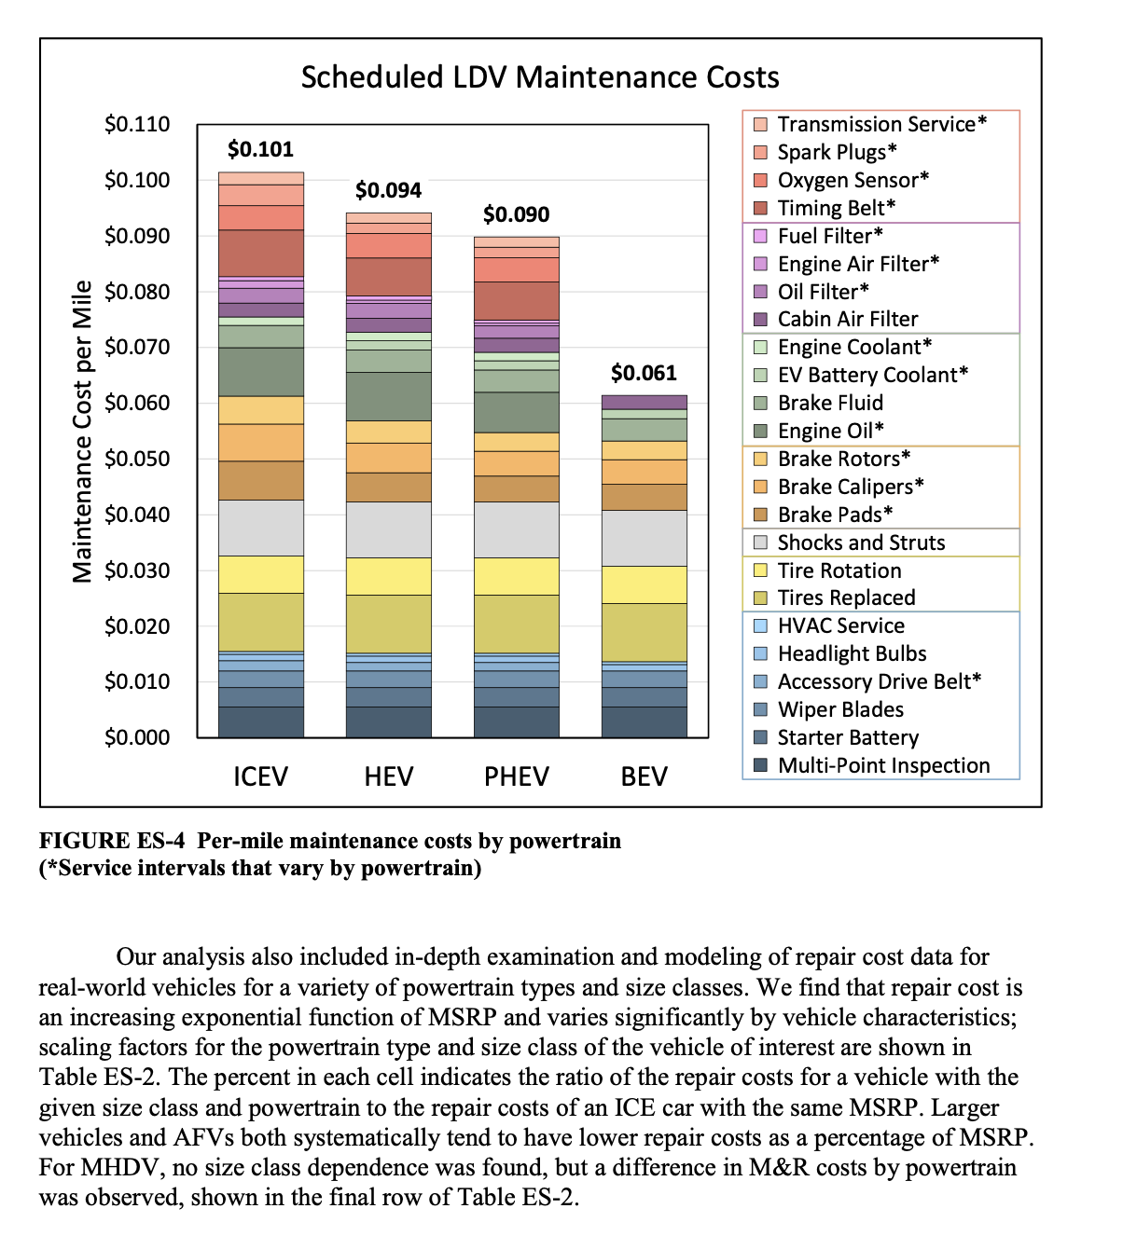

 |  |  |  | https://publications.anl.gov/anlpubs/2021/05/167399.pdf

Solar usage
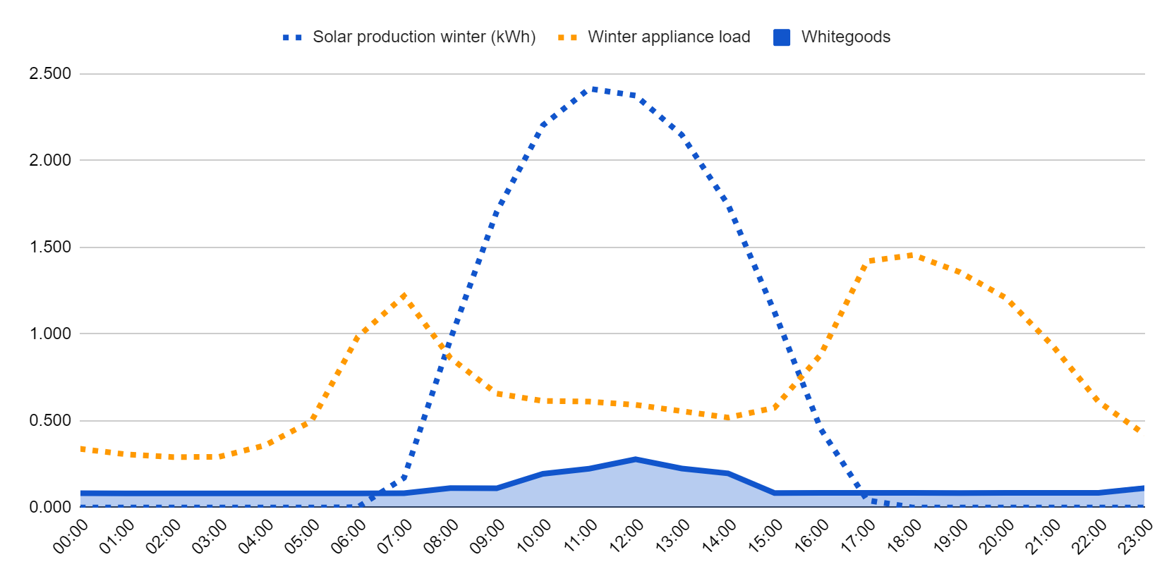
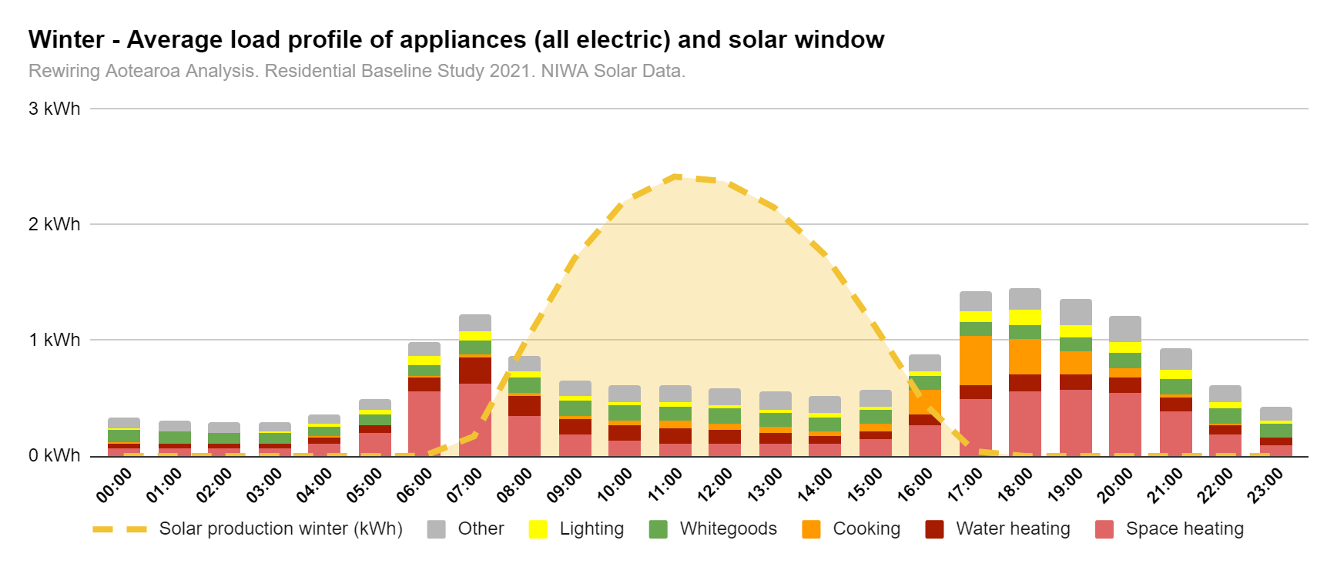
Average loads | Total daily | Load | 0:00:00 | 1:00:00 | 2:00:00 | 3:00:00 | 4:00:00 | 5:00:00 | 6:00:00 | 7:00:00 | 8:00:00 | 9:00:00 | 10:00:00 | 11:00:00 | 12:00:00 | 13:00:00 | 14:00:00 | 15:00:00 | 16:00:00 | 17:00:00 | 18:00:00 | 19:00:00 | 20:00:00 | 21:00:00 | 22:00:00 | 23:00:00 | Total
Winter |  | Solar production winter (kWh) | 0.000 | 0.000 | 0.000 | 0.000 | 0.000 | 0.000 | 0.002 | 0.171 | 0.968 | 1.704 | 2.203 | 2.414 | 2.374 | 2.147 | 1.744 | 1.127 | 0.452 | 0.042 | 0.000 | 0.000 | 0.000 | 0.000 | 0.000 | 0.000
Winter |  | Winter appliance load | 0.339 | 0.307 | 0.291 | 0.292 | 0.359 | 0.498 | 0.984 | 1.219 | 0.863 | 0.657 | 0.615 | 0.611 | 0.592 | 0.555 | 0.519 | 0.575 | 0.882 | 1.420 | 1.455 | 1.357 | 1.208 | 0.935 | 0.609 | 0.421 |  | Average winter day | kWh | % of daily needs
Winter |  | Space heating | 0.072 | 0.066 | 0.068 | 0.074 | 0.114 | 0.203 | 0.563 | 0.632 | 0.349 | 0.181 | 0.127 | 0.109 | 0.107 | 0.105 | 0.106 | 0.144 | 0.271 | 0.489 | 0.564 | 0.577 | 0.543 | 0.384 | 0.188 | 0.094 |  | Appliance load | 17.6 | 100%
Winter |  | Water heating | 0.042 | 0.042 | 0.035 | 0.029 | 0.050 | 0.062 | 0.115 | 0.223 | 0.173 | 0.136 | 0.135 | 0.137 | 0.115 | 0.092 | 0.069 | 0.074 | 0.092 | 0.122 | 0.145 | 0.134 | 0.133 | 0.116 | 0.085 | 0.061 |  | Solar generation | 15.4 | 87%
Winter |  | Cooking | 0.008 | 0.005 | 0.004 | 0.004 | 0.004 | 0.005 | 0.013 | 0.028 | 0.026 | 0.034 | 0.040 | 0.055 | 0.062 | 0.052 | 0.045 | 0.063 | 0.208 | 0.423 | 0.307 | 0.196 | 0.081 | 0.030 | 0.014 | 0.009 |  | Solar export | -9.7 | -55%
Winter |  | Whitegoods | 0.108 | 0.095 | 0.089 | 0.089 | 0.089 | 0.090 | 0.098 | 0.116 | 0.131 | 0.134 | 0.133 | 0.127 | 0.123 | 0.122 | 0.120 | 0.117 | 0.118 | 0.119 | 0.123 | 0.123 | 0.137 | 0.134 | 0.126 | 0.122 |  | Solar self consumption | 5.7 | 32%
Winter |  | Lighting | 0.014 | 0.011 | 0.009 | 0.011 | 0.017 | 0.047 | 0.077 | 0.084 | 0.050 | 0.038 | 0.034 | 0.033 | 0.032 | 0.031 | 0.029 | 0.031 | 0.047 | 0.099 | 0.121 | 0.106 | 0.091 | 0.077 | 0.050 | 0.025
Winter |  | Other | 0.096 | 0.089 | 0.086 | 0.085 | 0.085 | 0.091 | 0.117 | 0.136 | 0.135 | 0.133 | 0.144 | 0.150 | 0.153 | 0.154 | 0.150 | 0.147 | 0.146 | 0.167 | 0.196 | 0.221 | 0.222 | 0.194 | 0.147 | 0.110
Winter |  | EV | 0.722 | 1.156 | 0.867 | 0.578 | 0.506 | 0.361 | 0.433 | 0.506 | 0.578 | 0.433 | 0.361 | 0.361 | 0.433 | 0.578 | 0.260 | 0.260 | 0.260 | 0.289 | 0.433 | 0.650 | 0.867 | 1.373 | 1.228 | 0.954

Winter |  | Grid import | 0.339 | 0.307 | 0.291 | 0.292 | 0.359 | 0.498 | 0.981 | 1.048 | 0 | 0 | 0 | 0 | 0 | 0 | 0 | 0 | 0.429 | 1.377 | 1.455 | 1.357 | 1.208 | 0.935 | 0.609 | 0.421
Winter |  | Grid export | 0 | 0 | 0 | 0 | 0 | 0 | 0 | 0 | -0.105 | -1.047 | -1.589 | -1.804 | -1.782 | -1.592 | -1.225 | -0.552 | 0 | 0 | 0 | 0 | 0 | 0 | 0 | 0
Winter |  | Solar self consumption | 0.000 | 0.000 | 0.000 | 0.000 | 0.000 | 0.000 | 0.002 | 0.171 | 0.863 | 0.657 | 0.615 | 0.611 | 0.592 | 0.555 | 0.519 | 0.575 | 0.452 | 0.042 | 0.000 | 0.000 | 0.000 | 0.000 | 0.000 | 0.000

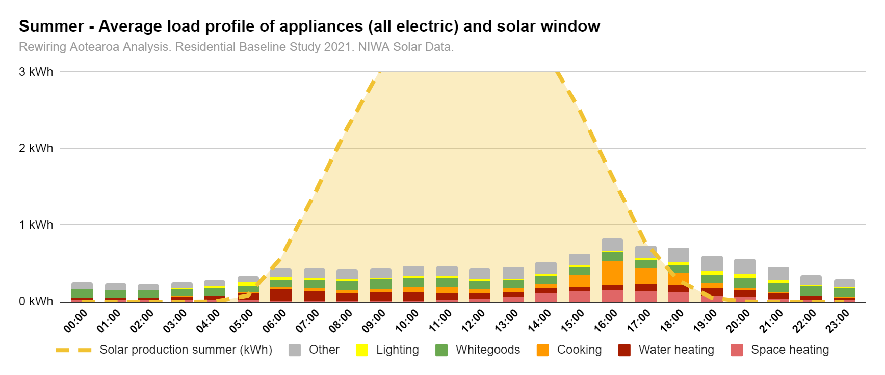
 |  | Load | 0:00:00 | 1:00:00 | 2:00:00 | 3:00:00 | 4:00:00 | 5:00:00 | 6:00:00 | 7:00:00 | 8:00:00 | 9:00:00 | 10:00:00 | 11:00:00 | 12:00:00 | 13:00:00 | 14:00:00 | 15:00:00 | 16:00:00 | 17:00:00 | 18:00:00 | 19:00:00 | 20:00:00 | 21:00:00 | 22:00:00 | 23:00:00
Summer |  | Solar production summer (kWh) | 0.000 | 0.000 | 0.000 | 0.000 | 0.002 | 0.077 | 0.565 | 1.390 | 2.262 | 3.026 | 3.617 | 3.964 | 4.020 | 3.774 | 3.258 | 2.522 | 1.641 | 0.778 | 0.279 | 0.054 | 0.002 | 0.000 | 0.000 | 0.000
Summer |  | Summer appliance load | 0.257 | 0.237 | 0.230 | 0.255 | 0.279 | 0.334 | 0.437 | 0.442 | 0.421 | 0.445 | 0.472 | 0.472 | 0.443 | 0.455 | 0.515 | 0.630 | 0.823 | 0.738 | 0.703 | 0.604 | 0.559 | 0.459 | 0.346 | 0.289 |  | Average summer day | kWh | % of daily needs
Summer |  | Space heating | 0.021 | 0.021 | 0.022 | 0.023 | 0.024 | 0.026 | 0.021 | 0.015 | 0.016 | 0.018 | 0.019 | 0.030 | 0.041 | 0.067 | 0.113 | 0.135 | 0.145 | 0.131 | 0.119 | 0.084 | 0.066 | 0.045 | 0.027 | 0.025 |  | Appliance load | 10.8 | 100%
Summer |  | Water heating | 0.030 | 0.027 | 0.028 | 0.051 | 0.058 | 0.076 | 0.136 | 0.121 | 0.093 | 0.104 | 0.102 | 0.079 | 0.064 | 0.055 | 0.056 | 0.058 | 0.069 | 0.090 | 0.091 | 0.085 | 0.079 | 0.067 | 0.047 | 0.033 |  | Solar generation | 31.2 | 288%
Summer |  | Cooking | 0.003 | 0.004 | 0.003 | 0.003 | 0.004 | 0.013 | 0.032 | 0.033 | 0.037 | 0.041 | 0.060 | 0.077 | 0.051 | 0.048 | 0.059 | 0.153 | 0.325 | 0.213 | 0.158 | 0.068 | 0.031 | 0.010 | 0.007 | 0.006 |  | Solar export | 24.5 | 226%
Summer |  | Whitegoods | 0.104 | 0.093 | 0.089 | 0.089 | 0.088 | 0.089 | 0.097 | 0.112 | 0.123 | 0.127 | 0.127 | 0.119 | 0.116 | 0.113 | 0.111 | 0.110 | 0.108 | 0.109 | 0.113 | 0.114 | 0.126 | 0.123 | 0.116 | 0.114 |  | Solar self consumption | 6.7 | 62%
Summer |  | Lighting | 0.007 | 0.006 | 0.007 | 0.008 | 0.022 | 0.045 | 0.036 | 0.027 | 0.024 | 0.023 | 0.023 | 0.022 | 0.020 | 0.017 | 0.020 | 0.021 | 0.023 | 0.029 | 0.037 | 0.046 | 0.053 | 0.039 | 0.016 | 0.008
Summer |  | Other | 0.092 | 0.086 | 0.083 | 0.081 | 0.082 | 0.086 | 0.115 | 0.135 | 0.128 | 0.132 | 0.140 | 0.145 | 0.150 | 0.155 | 0.156 | 0.153 | 0.152 | 0.166 | 0.186 | 0.206 | 0.206 | 0.175 | 0.132 | 0.104
Summer |  | EV | 0.722 | 1.156 | 0.867 | 0.578 | 0.506 | 0.361 | 0.433 | 0.506 | 0.578 | 0.433 | 0.361 | 0.361 | 0.433 | 0.578 | 0.260 | 0.260 | 0.260 | 0.289 | 0.433 | 0.650 | 0.867 | 1.373 | 1.228 | 0.954

Summer |  | Grid import | 0.257 | 0.237 | 0.230 | 0.255 | 0.276 | 0.256 | 0 | 0 | 0 | 0 | 0 | 0 | 0 | 0 | 0 | 0 | 0 | 0 | 0.424 | 0.550 | 0.557 | 0.459 | 0.346 | 0.289
Summer |  | Grid export | 0 | 0 | 0 | 0 | 0 | 0 | 0.12769098638 | 0.94816143976 | 1.8404228666 | 2.5814672456 | 3.1447585709 | 3.4911896149 | 3.5768018468 | 3.3191031005 | 2.7428152816 | 1.8916351086 | 0.81784703775 | 0.040287198908 | 0 | 0 | 0 | 0 | 0 | 0
Summer |  | Solar self consumption | 0.000 | 0.000 | 0.000 | 0.000 | 0.002 | 0.077 | 0.437 | 0.442 | 0.421 | 0.445 | 0.472 | 0.472 | 0.443 | 0.455 | 0.515 | 0.630 | 0.823 | 0.738 | 0.279 | 0.054 | 0.002 | 0.000 | 0.000 | 0.000

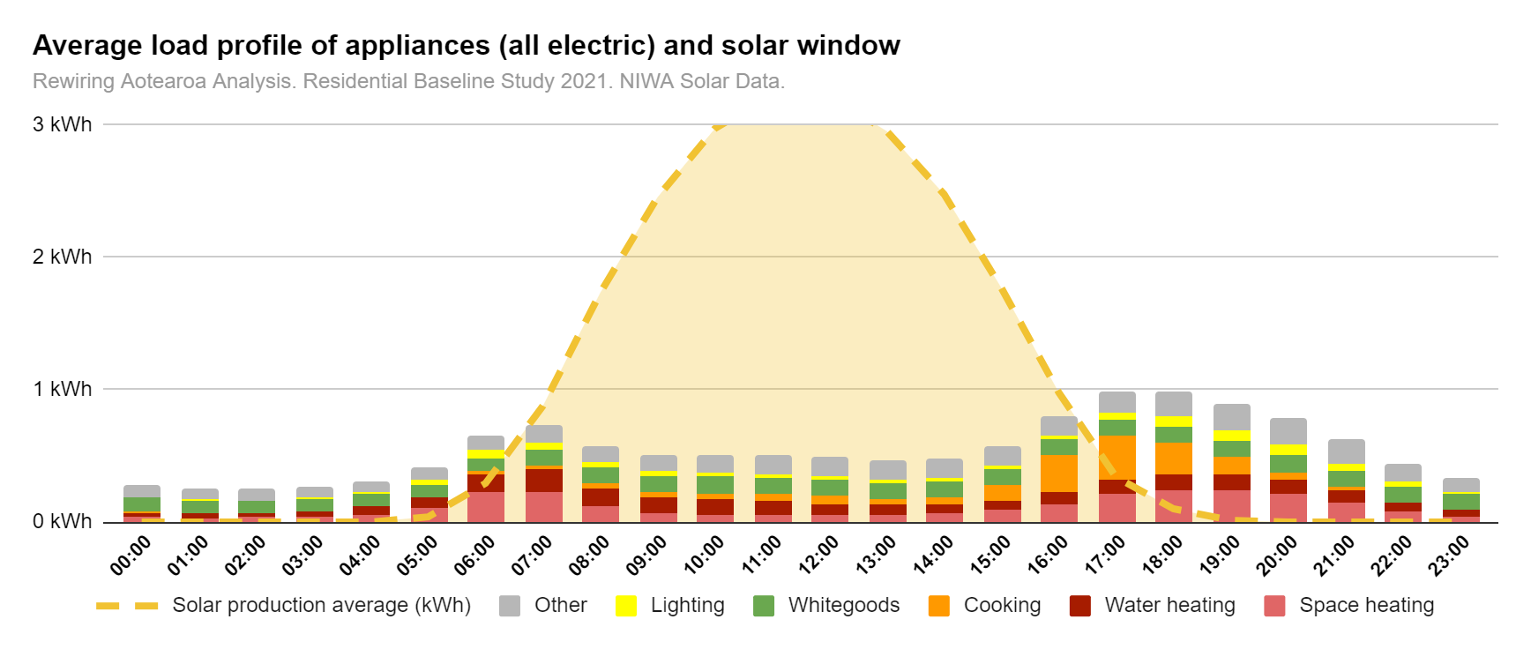
 |  | Load | 0:00:00 | 1:00:00 | 2:00:00 | 3:00:00 | 4:00:00 | 5:00:00 | 6:00:00 | 7:00:00 | 8:00:00 | 9:00:00 | 10:00:00 | 11:00:00 | 12:00:00 | 13:00:00 | 14:00:00 | 15:00:00 | 16:00:00 | 17:00:00 | 18:00:00 | 19:00:00 | 20:00:00 | 21:00:00 | 22:00:00 | 23:00:00
Average |  | Solar production average (kWh) | 0.000 | 0.000 | 0.000 | 0.000 | 0.000 | 0.040 | 0.293 | 0.877 | 1.730 | 2.452 | 2.970 | 3.228 | 3.218 | 2.951 | 2.475 | 1.767 | 0.980 | 0.340 | 0.101 | 0.014 | 0.000 | 0.000 | 0.000 | 0.000
Average | 27.614 | Average total appliance load | 0.284 | 0.259 | 0.249 | 0.261 | 0.311 | 0.413 | 0.657 | 0.732 | 0.579 | 0.511 | 0.512 | 0.511 | 0.491 | 0.473 | 0.480 | 0.570 | 0.804 | 0.990 | 0.989 | 0.898 | 0.791 | 0.628 | 0.439 | 0.335 |  | Average day | kWh | % of daily needs
Average | 2.662 | Space heating | 0.035 | 0.034 | 0.035 | 0.038 | 0.060 | 0.103 | 0.226 | 0.230 | 0.123 | 0.067 | 0.050 | 0.050 | 0.054 | 0.060 | 0.074 | 0.094 | 0.139 | 0.213 | 0.241 | 0.241 | 0.220 | 0.152 | 0.078 | 0.045 |  | Appliance load | 13.2 | 100%
Average | 2.074 | Water heating | 0.036 | 0.034 | 0.031 | 0.040 | 0.056 | 0.078 | 0.138 | 0.173 | 0.134 | 0.119 | 0.117 | 0.106 | 0.086 | 0.071 | 0.062 | 0.066 | 0.081 | 0.109 | 0.123 | 0.114 | 0.105 | 0.089 | 0.063 | 0.044 |  | Solar generation | 23.4 | 178%
Average | 1.627 | Cooking | 0.005 | 0.004 | 0.004 | 0.004 | 0.004 | 0.009 | 0.023 | 0.029 | 0.031 | 0.036 | 0.048 | 0.061 | 0.057 | 0.049 | 0.054 | 0.123 | 0.290 | 0.332 | 0.242 | 0.135 | 0.052 | 0.020 | 0.010 | 0.007 |  | Solar export | 17.0 | 129%
Average | 2.70 | Whitegoods | 0.106 | 0.094 | 0.089 | 0.089 | 0.089 | 0.089 | 0.098 | 0.114 | 0.127 | 0.130 | 0.130 | 0.122 | 0.120 | 0.117 | 0.115 | 0.113 | 0.112 | 0.114 | 0.118 | 0.119 | 0.131 | 0.129 | 0.121 | 0.118 |  | Solar self consumption | 6.4 | 49%
Average | 0.85 | Lighting | 0.010 | 0.008 | 0.008 | 0.010 | 0.020 | 0.046 | 0.057 | 0.052 | 0.034 | 0.029 | 0.027 | 0.026 | 0.025 | 0.023 | 0.023 | 0.025 | 0.034 | 0.060 | 0.079 | 0.079 | 0.072 | 0.056 | 0.031 | 0.016
Average | 3.25 | Other | 0.092 | 0.085 | 0.083 | 0.081 | 0.082 | 0.087 | 0.115 | 0.135 | 0.130 | 0.131 | 0.140 | 0.146 | 0.150 | 0.153 | 0.152 | 0.148 | 0.146 | 0.163 | 0.187 | 0.211 | 0.211 | 0.181 | 0.137 | 0.105
Average | 14.4 | EV | 0.722 | 1.156 | 0.867 | 0.578 | 0.506 | 0.361 | 0.433 | 0.506 | 0.578 | 0.433 | 0.361 | 0.361 | 0.433 | 0.578 | 0.260 | 0.260 | 0.260 | 0.289 | 0.433 | 0.650 | 0.867 | 1.373 | 1.228 | 0.954

Average |  | Grid import | 0.284 | 0.259 | 0.249 | 0.261 | 0.311 | 0.373 | 0.364 | 0 | 0 | 0 | 0 | 0 | 0 | 0 | 0 | 0 | 0 | 0.650 | 0.888 | 0.884 | 0.791 | 0.628 | 0.439 | 0.335
Average |  | Grid export | 0 | 0 | 0 | 0 | 0 | 0 | 0 | 0.14441443129 | 1.1512884412 | 1.9403298657 | 2.4573425939 | 2.7164772746 | 2.7275694958 | 2.4782789019 | 1.9956222462 | 1.1975124012 | 0.1761822551 | 0 | 0 | 0 | 0 | 0 | 0 | 0
Average |  | Solar self consumption | 0.000 | 0.000 | 0.000 | 0.000 | 0.000 | 0.040 | 0.293 | 0.732 | 0.579 | 0.511 | 0.512 | 0.511 | 0.491 | 0.473 | 0.480 | 0.570 | 0.804 | 0.340 | 0.101 | 0.014 | 0.000 | 0.000 | 0.000 | 0.000

 | NIWA data |  | 0:00:00 | 1:00:00 | 2:00:00 | 3:00:00 | 4:00:00 | 5:00:00 | 6:00:00 | 7:00:00 | 8:00:00 | 9:00:00 | 10:00:00 | 11:00:00 | 12:00:00 | 13:00:00 | 14:00:00 | 15:00:00 | 16:00:00 | 17:00:00 | 18:00:00 | 19:00:00 | 20:00:00 | 21:00:00 | 22:00:00 | 23:00:00
 | Solar generation | Average | 0.00% | 0.00% | 0.00% | 0.00% | 0.00% | 0.17% | 1.25% | 3.74% | 7.38% | 10.46% | 12.67% | 13.77% | 13.73% | 12.59% | 10.56% | 7.54% | 4.18% | 1.45% | 0.43% | 0.06% | 0.00% | 0.00% | 0.00% | 0.00%
 | Solar generation | Summer | 0.00% | 0.00% | 0.00% | 0.00% | 0.01% | 0.33% | 2.41% | 5.93% | 9.65% | 12.91% | 15.43% | 16.91% | 17.15% | 16.10% | 13.90% | 10.76% | 7.00% | 3.32% | 1.19% | 0.23% | 0.01% | 0.00% | 0.00% | 0.00%
 | Solar generation | Winter | 0.00% | 0.00% | 0.00% | 0.00% | 0.00% | 0.00% | 0.01% | 0.73% | 4.13% | 7.27% | 9.40% | 10.30% | 10.13% | 9.16% | 7.44% | 4.81% | 1.93% | 0.18% | 0.00% | 0.00% | 0.00% | 0.00% | 0.00% | 0.00%

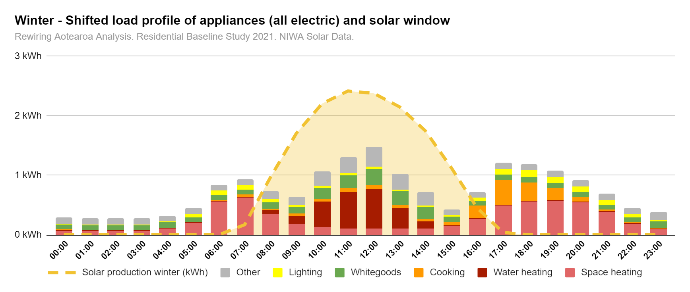

Ideal loads | Total daily | Load | 0:00:00 | 1:00:00 | 2:00:00 | 3:00:00 | 4:00:00 | 5:00:00 | 6:00:00 | 7:00:00 | 8:00:00 | 9:00:00 | 10:00:00 | 11:00:00 | 12:00:00 | 13:00:00 | 14:00:00 | 15:00:00 | 16:00:00 | 17:00:00 | 18:00:00 | 19:00:00 | 20:00:00 | 21:00:00 | 22:00:00 | 23:00:00
Winter |  | Solar production winter (kWh) | 0.000 | 0.000 | 0.000 | 0.000 | 0.000 | 0.000 | 0.002 | 0.171 | 0.968 | 1.704 | 2.203 | 2.414 | 2.374 | 2.147 | 1.744 | 1.127 | 0.452 | 0.042 | 0.000 | 0.000 | 0.000 | 0.000 | 0.000 | 0.000
Winter |  | Winter appliance load | 0.289 | 0.277 | 0.276 | 0.279 | 0.326 | 0.447 | 0.843 | 0.939 | 0.738 | 0.640 | 1.060 | 1.304 | 1.476 | 1.026 | 0.718 | 0.430 | 0.720 | 1.208 | 1.191 | 1.077 | 0.916 | 0.694 | 0.455 | 0.390 |  | Average winter day | kWh | % of daily needs
Winter |  | Space heating | 0.072 | 0.066 | 0.068 | 0.074 | 0.114 | 0.203 | 0.563 | 0.632 | 0.349 | 0.181 | 0.127 | 0.109 | 0.107 | 0.105 | 0.106 | 0.144 | 0.271 | 0.489 | 0.564 | 0.577 | 0.543 | 0.384 | 0.188 | 0.094 |  | Appliance load | 17.7 | 100%
Winter |  | Water heating | 0.012 | 0.013 | 0.012 | 0.008 | 0.009 | 0.008 | 0.009 | 0.013 | 0.067 | 0.143 | 0.430 | 0.615 | 0.664 | 0.352 | 0.116 | 0.012 | 0.012 | 0.012 | 0.012 | 0.012 | 0.013 | 0.013 | 0.014 | 0.014 |  | Solar generation | 15.4 | 87%
Winter |  | Cooking | 0.008 | 0.005 | 0.004 | 0.004 | 0.004 | 0.005 | 0.013 | 0.028 | 0.026 | 0.034 | 0.040 | 0.055 | 0.062 | 0.052 | 0.045 | 0.063 | 0.208 | 0.423 | 0.307 | 0.196 | 0.081 | 0.030 | 0.014 | 0.009 |  | Solar export | 7.3 | 41%
Winter |  | Whitegoods | 0.083 | 0.082 | 0.081 | 0.082 | 0.081 | 0.081 | 0.081 | 0.083 | 0.112 | 0.111 | 0.195 | 0.224 | 0.279 | 0.225 | 0.197 | 0.084 | 0.085 | 0.085 | 0.085 | 0.084 | 0.085 | 0.084 | 0.084 | 0.112 |  | Solar self consumption | 8.1 | 45%
Winter |  | Lighting | 0.014 | 0.011 | 0.009 | 0.011 | 0.017 | 0.047 | 0.077 | 0.084 | 0.050 | 0.038 | 0.034 | 0.033 | 0.032 | 0.031 | 0.029 | 0.031 | 0.047 | 0.099 | 0.121 | 0.106 | 0.091 | 0.077 | 0.050 | 0.025
Winter |  | Other | 0.101 | 0.101 | 0.102 | 0.102 | 0.101 | 0.102 | 0.099 | 0.099 | 0.135 | 0.132 | 0.234 | 0.267 | 0.332 | 0.262 | 0.225 | 0.097 | 0.097 | 0.100 | 0.102 | 0.102 | 0.103 | 0.105 | 0.105 | 0.136
Winter |  | EV | 0.000 | 0.000 | 0.000 | 0.000 | 0.000 | 0.000 | 0.000 | 0.000 | 0.000 | 0.722 | 1.156 | 2.312 | 2.745 | 3.034 | 3.034 | 1.156 | 0.144 | 0.144 | 0.000 | 0.000 | 0.000 | 0.000 | 0.000 | 0.000

Winter |  | Grid import | 0.289 | 0.277 | 0.276 | 0.279 | 0.326 | 0.447 | 0.840 | 0.768 | 0 | 0 | 0 | 0 | 0 | 0 | 0 | 0 | 0.268 | 1.166 | 1.191 | 1.077 | 0.916 | 0.694 | 0.455 | 0.390
Winter |  | Grid export | 0 | 0 | 0 | 0 | 0 | 0 | 0 | 0 | 0.23046462667 | 1.0637050532 | 1.1434462769 | 1.1106362879 | 0.89849331542 | 1.1206658335 | 1.0262177356 | 0.69777730533 | 0 | 0 | 0 | 0 | 0 | 0 | 0 | 0
Winter |  | Solar self consumption | 0.000 | 0.000 | 0.000 | 0.000 | 0.000 | 0.000 | 0.002 | 0.171 | 0.738 | 0.640 | 1.060 | 1.304 | 1.476 | 1.026 | 0.718 | 0.430 | 0.452 | 0.042 | 0.000 | 0.000 | 0.000 | 0.000 | 0.000 | 0.000


 |  | Load | 0:00:00 | 1:00:00 | 2:00:00 | 3:00:00 | 4:00:00 | 5:00:00 | 6:00:00 | 7:00:00 | 8:00:00 | 9:00:00 | 10:00:00 | 11:00:00 | 12:00:00 | 13:00:00 | 14:00:00 | 15:00:00 | 16:00:00 | 17:00:00 | 18:00:00 | 19:00:00 | 20:00:00 | 21:00:00 | 22:00:00 | 23:00:00
Summer |  | Solar production summer (kWh) | 0.000 | 0.000 | 0.000 | 0.000 | 0.002 | 0.077 | 0.565 | 1.390 | 2.262 | 3.026 | 3.617 | 3.964 | 4.020 | 3.774 | 3.258 | 2.522 | 1.641 | 0.778 | 0.279 | 0.054 | 0.002 | 0.000 | 0.000 | 0.000
Summer |  | Summer appliance load | 0.22 | 0.22 | 0.22 | 0.23 | 0.24 | 0.27 | 0.28 | 0.26 | 0.35 | 0.43 | 0.84 | 0.95 | 1.07 | 0.81 | 0.70 | 0.50 | 0.68 | 0.56 | 0.50 | 0.38 | 0.33 | 0.27 | 0.23 | 0.28 |  | Average summer day | kWh | % of daily needs
Summer |  | Space heating | 0.02 | 0.02 | 0.02 | 0.02 | 0.02 | 0.03 | 0.02 | 0.02 | 0.02 | 0.02 | 0.02 | 0.03 | 0.04 | 0.07 | 0.11 | 0.14 | 0.15 | 0.13 | 0.12 | 0.08 | 0.07 | 0.04 | 0.03 | 0.02 |  | Appliance load | 10.8 | 100%
Summer |  | Water heating | 0.01 | 0.01 | 0.01 | 0.01 | 0.01 | 0.01 | 0.01 | 0.01 | 0.04 | 0.11 | 0.33 | 0.36 | 0.37 | 0.21 | 0.10 | 0.01 | 0.01 | 0.01 | 0.01 | 0.01 | 0.01 | 0.01 | 0.01 | 0.01 |  | Solar generation | 31.2 | 289%
Summer |  | Cooking | 0.00 | 0.00 | 0.00 | 0.00 | 0.00 | 0.01 | 0.03 | 0.03 | 0.04 | 0.04 | 0.06 | 0.08 | 0.05 | 0.05 | 0.06 | 0.15 | 0.33 | 0.21 | 0.16 | 0.07 | 0.03 | 0.01 | 0.01 | 0.01 |  | Solar export | 23.4 | 216%
Summer |  | Whitegoods | 0.08 | 0.08 | 0.08 | 0.08 | 0.08 | 0.08 | 0.08 | 0.08 | 0.10 | 0.11 | 0.18 | 0.21 | 0.26 | 0.21 | 0.18 | 0.08 | 0.08 | 0.08 | 0.08 | 0.08 | 0.08 | 0.08 | 0.08 | 0.10 |  | Solar self consumption | 7.8 | 73%
Summer |  | Lighting | 0.01 | 0.01 | 0.01 | 0.01 | 0.02 | 0.04 | 0.04 | 0.03 | 0.02 | 0.02 | 0.02 | 0.02 | 0.02 | 0.02 | 0.02 | 0.02 | 0.02 | 0.03 | 0.04 | 0.05 | 0.05 | 0.04 | 0.02 | 0.01
Summer |  | Other | 0.10 | 0.10 | 0.10 | 0.10 | 0.10 | 0.10 | 0.10 | 0.10 | 0.13 | 0.13 | 0.23 | 0.26 | 0.33 | 0.26 | 0.23 | 0.10 | 0.10 | 0.10 | 0.10 | 0.10 | 0.09 | 0.09 | 0.09 | 0.13
Summer |  | EV | 0.00 | 0.00 | 0.00 | 0.00 | 0.00 | 0.00 | 0.00 | 0.00 | 0.00 | 0.72 | 1.16 | 2.31 | 2.75 | 3.03 | 3.03 | 1.16 | 0.14 | 0.14 | 0.00 | 0.00 | 0.00 | 0.00 | 0.00 | 0.00

Summer |  | Grid import | 0.22 | 0.22 | 0.22 | 0.23 | 0.24 | 0.19 | 0 | 0 | 0 | 0 | 0 | 0 | 0 | 0 | 0 | 0 | 0 | 0 | 0.22 | 0.33 | 0.33 | 0.27 | 0.23 | 0.28
Summer |  | Grid export | 0 | 0 | 0 | 0 | 0 | 0 | 0.28823394687 | 1.1312423531 | 1.9155508317 | 2.598568126 | 2.7765321549 | 3.0091796583 | 2.9471654394 | 2.9597843651 | 2.554980542 | 2.0242536298 | 0.95877686278 | 0.21930145234 | 0 | 0 | 0 | 0 | 0 | 0
Summer |  | Solar self consumption | 0.000 | 0.000 | 0.000 | 0.000 | 0.002 | 0.077 | 0.28 | 0.26 | 0.35 | 0.43 | 0.84 | 0.95 | 1.07 | 0.81 | 0.70 | 0.50 | 0.68 | 0.56 | 0.279 | 0.054 | 0.002 | 0.000 | 0.000 | 0.000

 |  | Load | 0:00:00 | 1:00:00 | 2:00:00 | 3:00:00 | 4:00:00 | 5:00:00 | 6:00:00 | 7:00:00 | 8:00:00 | 9:00:00 | 10:00:00 | 11:00:00 | 12:00:00 | 13:00:00 | 14:00:00 | 15:00:00 | 16:00:00 | 17:00:00 | 18:00:00 | 19:00:00 | 20:00:00 | 21:00:00 | 22:00:00 | 23:00:00
Average |  | Solar production average (kWh) | 0.000 | 0.000 | 0.000 | 0.000 | 0.000 | 0.040 | 0.293 | 0.877 | 1.730 | 2.452 | 2.970 | 3.228 | 3.218 | 2.951 | 2.475 | 1.767 | 0.980 | 0.340 | 0.101 | 0.014 | 0.000 | 0.000 | 0.000 | 0.000
Average | 27.614 | Average total appliance load | 0.239 | 0.235 | 0.235 | 0.241 | 0.273 | 0.347 | 0.495 | 0.499 | 0.478 | 0.494 | 0.915 | 1.090 | 1.228 | 0.878 | 0.671 | 0.431 | 0.653 | 0.793 | 0.751 | 0.644 | 0.533 | 0.418 | 0.308 | 0.316 |  | Average day | kWh | % of daily needs
Average | 2.662 | Space heating | 0.035 | 0.034 | 0.035 | 0.038 | 0.060 | 0.103 | 0.226 | 0.230 | 0.123 | 0.067 | 0.050 | 0.050 | 0.054 | 0.060 | 0.074 | 0.094 | 0.139 | 0.213 | 0.241 | 0.241 | 0.220 | 0.152 | 0.078 | 0.045 |  | Appliance load | 13.2 | 100%
Average | 2.074 | Water heating | 0.010 | 0.010 | 0.010 | 0.010 | 0.010 | 0.010 | 0.010 | 0.010 | 0.052 | 0.124 | 0.373 | 0.477 | 0.498 | 0.270 | 0.104 | 0.010 | 0.010 | 0.010 | 0.010 | 0.010 | 0.010 | 0.010 | 0.010 | 0.010 |  | Solar generation | 23.4 | 178%

Average | 1.627 | Cooking | 0.005 | 0.004 | 0.004 | 0.004 | 0.004 | 0.009 | 0.023 | 0.029 | 0.031 | 0.036 | 0.048 | 0.061 | 0.057 | 0.049 | 0.054 | 0.123 | 0.290 | 0.332 | 0.242 | 0.135 | 0.052 | 0.020 | 0.010 | 0.007 |  | Solar export | 15.3 | 116%
Average | 2.70 | Whitegoods | 0.081 | 0.081 | 0.081 | 0.081 | 0.081 | 0.081 | 0.081 | 0.081 | 0.108 | 0.108 | 0.189 | 0.216 | 0.270 | 0.216 | 0.189 | 0.081 | 0.081 | 0.081 | 0.081 | 0.081 | 0.081 | 0.081 | 0.081 | 0.108 |  | Solar self consumption | 8.1 | 62%
Average | 0.85 | Lighting | 0.010 | 0.008 | 0.008 | 0.010 | 0.020 | 0.046 | 0.057 | 0.052 | 0.034 | 0.029 | 0.027 | 0.026 | 0.025 | 0.023 | 0.023 | 0.025 | 0.034 | 0.060 | 0.079 | 0.079 | 0.072 | 0.056 | 0.031 | 0.016
Average | 3.25 | Other | 0.098 | 0.098 | 0.098 | 0.098 | 0.098 | 0.098 | 0.098 | 0.098 | 0.130 | 0.130 | 0.228 | 0.260 | 0.325 | 0.260 | 0.228 | 0.098 | 0.098 | 0.098 | 0.098 | 0.098 | 0.098 | 0.098 | 0.098 | 0.130
Average | 14.4 | EV | 0.000 | 0.000 | 0.000 | 0.000 | 0.000 | 0.000 | 0.000 | 0.000 | 0.000 | 0.722 | 1.156 | 2.312 | 2.745 | 3.034 | 3.034 | 1.156 | 0.144 | 0.144 | 0.000 | 0.000 | 0.000 | 0.000 | 0.000 | 0.000

Average |  | Grid import | 0.239 | 0.235 | 0.235 | 0.241 | 0.273 | 0.308 | 0.202 | 0 | 0 | 0 | 0 | 0 | 0 | 0 | 0 | 0 | 0 | 0.453 | 0.650 | 0.630 | 0.533 | 0.418 | 0.308 | 0.316
Average |  | Grid export | 0 | 0 | 0 | 0 | 0 | 0 | 0 | 0.37731976913 | 1.2522304819 | 1.9572737717 | 2.0546290575 | 2.1372227214 | 1.9897942691 | 2.072867698 | 1.8037389866 | 1.3359788918 | 0.32711174077 | 0 | 0 | 0 | 0 | 0 | 0 | 0
Average |  | Solar self consumption | 0.000 | 0.000 | 0.000 | 0.000 | 0.000 | 0.040 | 0.293 | 0.499 | 0.478 | 0.494 | 0.915 | 1.090 | 1.228 | 0.878 | 0.671 | 0.431 | 0.653 | 0.340 | 0.101 | 0.014 | 0.000 | 0.000 | 0.000 | 0.000

%
Average | 2.662 | Space heating | 1% | 1% | 1% | 1% | 2% | 4% | 8% | 9% | 5% | 3% | 2% | 2% | 2% | 2% | 3% | 4% | 5% | 8% | 9% | 9% | 8% | 6% | 3% | 2%
Average | 2.074 | Water heating | 0.50% | 0.50% | 0.50% | 0.50% | 0.50% | 0.50% | 0.50% | 0.50% | 2.50% | 6.00% | 18% | 23% | 24% | 13% | 5% | 0.50% | 0.50% | 0.50% | 0.50% | 0.50% | 0.50% | 0.50% | 0.50% | 0.50%
Average | 1.627 | Cooking | 0.32% | 0.24% | 0.22% | 0.22% | 0.24% | 0.54% | 1.39% | 1.80% | 1.89% | 2.19% | 2.92% | 3.76% | 3.48% | 3.00% | 3.31% | 7.56% | 17.85% | 20.40% | 14.85% | 8.27% | 3.21% | 1.25% | 0.63% | 0.45%
Average | 2.70 | Whitegoods | 3% | 3% | 3% | 3% | 3% | 3% | 3% | 3% | 4% | 4% | 7% | 8% | 10% | 8% | 7% | 3% | 3% | 3% | 3% | 3% | 3% | 3% | 3% | 4%
Average | 0.85 | Lighting | 1.15% | 0.97% | 0.95% | 1.14% | 2.32% | 5.43% | 6.73% | 6.07% | 4.05% | 3.39% | 3.20% | 3.05% | 2.95% | 2.70% | 2.75% | 2.99% | 4.01% | 7.05% | 9.28% | 9.32% | 8.47% | 6.59% | 3.63% | 1.83%
Average | 3.25 | Other | 3% | 3% | 3% | 3% | 3% | 3% | 3% | 3% | 4% | 4% | 7% | 8% | 10% | 8% | 7% | 3% | 3% | 3% | 3% | 3% | 3% | 3% | 3% | 4%
Average | 14.4 | EV | 0% | 0% | 0% | 0% | 0% | 0% | 0% | 0% | 0% | 5% | 8% | 16% | 19% | 21% | 21% | 8% | 1% | 1% | 0% | 0% | 0% | 0% | 0% | 0%

Load pivot




Average loads | 00:00 | 01:00 | 02:00 | 03:00 | 04:00 | 05:00 | 06:00 | 07:00 | 08:00 | 09:00 | 10:00 | 11:00 | 12:00 | 13:00 | 14:00 | 15:00 | 16:00 | 17:00 | 18:00 | 19:00 | 20:00 | 21:00 | 22:00 | 23:00
Cooking | 0.32% | 0.24% | 0.22% | 0.22% | 0.24% | 0.54% | 1.39% | 1.80% | 1.89% | 2.19% | 2.92% | 3.76% | 3.48% | 3.00% | 3.31% | 7.56% | 17.85% | 20.40% | 14.85% | 8.27% | 3.21% | 1.25% | 0.63% | 0.45%
Lighting | 1.15% | 0.97% | 0.95% | 1.14% | 2.32% | 5.43% | 6.73% | 6.07% | 4.05% | 3.39% | 3.20% | 3.05% | 2.95% | 2.70% | 2.75% | 2.99% | 4.01% | 7.05% | 9.28% | 9.32% | 8.47% | 6.59% | 3.63% | 1.83%
Other | 2.84% | 2.63% | 2.55% | 2.49% | 2.53% | 2.67% | 3.55% | 4.15% | 4.00% | 4.01% | 4.31% | 4.49% | 4.61% | 4.70% | 4.67% | 4.55% | 4.50% | 5.01% | 5.75% | 6.49% | 6.49% | 5.57% | 4.20% | 3.24%
Space heating & cooling | 1.32% | 1.27% | 1.31% | 1.44% | 2.26% | 3.89% | 8.49% | 8.63% | 4.60% | 2.53% | 1.89% | 1.87% | 2.01% | 2.27% | 2.77% | 3.53% | 5.23% | 7.98% | 9.06% | 9.05% | 8.26% | 5.73% | 2.92% | 1.69%
Water heating | 1.72% | 1.65% | 1.47% | 1.92% | 2.70% | 3.75% | 6.67% | 8.34% | 6.47% | 5.72% | 5.66% | 5.11% | 4.15% | 3.41% | 2.96% | 3.19% | 3.92% | 5.27% | 5.91% | 5.48% | 5.06% | 4.30% | 3.03% | 2.14%
Whitegoods | 3.92% | 3.47% | 3.29% | 3.29% | 3.28% | 3.31% | 3.62% | 4.22% | 4.69% | 4.82% | 4.80% | 4.53% | 4.42% | 4.34% | 4.26% | 4.19% | 4.16% | 4.20% | 4.35% | 4.39% | 4.86% | 4.76% | 4.47% | 4.36%
Grand Total | 1.88% | 1.70% | 1.63% | 1.75% | 2.22% | 3.27% | 5.07% | 5.53% | 4.28% | 3.78% | 3.80% | 3.80% | 3.60% | 3.40% | 3.46% | 4.33% | 6.61% | 8.32% | 8.20% | 7.17% | 6.06% | 4.70% | 3.15% | 2.28%
EV's | 5.0% | 8.0% | 6.0% | 4.0% | 3.5% | 2.5% | 3.0% | 3.5% | 4.0% | 3.0% | 2.5% | 2.5% | 3.0% | 4.0% | 1.8% | 1.8% | 1.8% | 2.0% | 3.0% | 4.5% | 6.0% | 9.5% | 8.5% | 6.6%

Ideal loads | 00:00 | 01:00 | 02:00 | 03:00 | 04:00 | 05:00 | 06:00 | 07:00 | 08:00 | 09:00 | 10:00 | 11:00 | 12:00 | 13:00 | 14:00 | 15:00 | 16:00 | 17:00 | 18:00 | 19:00 | 20:00 | 21:00 | 22:00 | 23:00
Cooking | 0.32% | 0.24% | 0.22% | 0.22% | 0.24% | 0.54% | 1.39% | 1.80% | 1.89% | 2.19% | 2.92% | 3.76% | 3.48% | 3.00% | 3.31% | 7.56% | 17.85% | 20.40% | 14.85% | 8.27% | 3.21% | 1.25% | 0.63% | 0.45% | 100.00%
Lighting | 1.15% | 0.97% | 0.95% | 1.14% | 2.32% | 5.43% | 6.73% | 6.07% | 4.05% | 3.39% | 3.20% | 3.05% | 2.95% | 2.70% | 2.75% | 2.99% | 4.01% | 7.05% | 9.28% | 9.32% | 8.47% | 6.59% | 3.63% | 1.83% | 100.00%
Other | 3% | 3% | 3% | 3% | 3% | 3% | 3% | 3% | 4% | 4% | 7% | 8% | 10% | 8% | 7% | 3% | 3% | 3% | 3% | 3% | 3% | 3% | 3% | 4% | 100%
Space heating & cooling | 1% | 1% | 1% | 1% | 2% | 4% | 8% | 9% | 5% | 3% | 2% | 2% | 2% | 2% | 3% | 4% | 5% | 8% | 9% | 9% | 8% | 6% | 3% | 2% | 100%
Water heating | 0.50% | 0.50% | 0.50% | 0.50% | 0.50% | 0.50% | 0.50% | 0.50% | 2.50% | 6.00% | 18% | 23% | 24% | 13% | 5% | 0.50% | 0.50% | 0.50% | 0.50% | 0.50% | 0.50% | 0.50% | 0.50% | 0.50% | 100.00%
Whitegoods | 3% | 3% | 3% | 3% | 3% | 3% | 3% | 3% | 4% | 4% | 7% | 8% | 10% | 8% | 7% | 3% | 3% | 3% | 3% | 3% | 3% | 3% | 3% | 4% | 100%
Solar | 0% | 0% | 0% | 0% | 0% | 0% | 1% | 4% | 7% | 10% | 13% | 14% | 14% | 13% | 11% | 8% | 4% | 1% | 0% | 0% | 0% | 0% | 0% | 0% | 100%
9 kW
32.4
EV's | 0% | 0% | 0% | 0% | 0% | 0% | 0% | 0% | 0% | 5% | 8% | 16% | 19% | 21% | 21% | 8% | 1% | 1% | 0% | 0% | 0% | 0% | 0% | 0% | 100%

Average loads x kWh | 00:00 | 01:00 | 02:00 | 03:00 | 04:00 | 05:00 | 06:00 | 07:00 | 08:00 | 09:00 | 10:00 | 11:00 | 12:00 | 13:00 | 14:00 | 15:00 | 16:00 | 17:00 | 18:00 | 19:00 | 20:00 | 21:00 | 22:00 | 23:00
Cooking | 0.0040 | 0.0030 | 0.0027 | 0.0027 | 0.0030 | 0.0068 | 0.0174 | 0.0225 | 0.0236 | 0.0275 | 0.0366 | 0.0471 | 0.0436 | 0.0376 | 0.0414 | 0.0946 | 0.2235 | 0.2554 | 0.1859 | 0.1035 | 0.0402 | 0.0156 | 0.0079 | 0.0056
Lighting | 0.0098 | 0.0083 | 0.0081 | 0.0097 | 0.0197 | 0.0461 | 0.0571 | 0.0515 | 0.0344 | 0.0288 | 0.0272 | 0.0259 | 0.0250 | 0.0229 | 0.0234 | 0.0254 | 0.0341 | 0.0598 | 0.0788 | 0.0792 | 0.0720 | 0.0559 | 0.0308 | 0.0155
...
Ideal loads | 00:00 | 01:00 | 02:00 | 03:00 | 04:00 | 05:00 | 06:00 | 07:00 | 08:00 | 09:00 | 10:00 | 11:00 | 12:00 | 13:00 | 14:00 | 15:00
Cooking | 0.0040 | 0.0030 | 0.0027 | 0.0027 | 0.0030 | 0.0068 | 0.0174 | 0.0225 | 0.0236 | 0.0275 | 0.0366 | 0.0471 | 0.0436 | 0.0376 | 0.0414 | 0.0946 | 0.2235 | 0.2554 | 0.1859 | 0.1035 | 0.0402 | 0.0156 | 0.0079 | 0.0056
Lighting | 0.0098 | 0.0083 | 0.0081 | 0.0097 | 0.0197 | 0.0461 | 0.0571 | 0.0515 | 0.0344 | 0.0288 | 0.0272 | 0.0259 | 0.0250 | 0.0229 | 0.0234 | 0.0254 | 0.0341 | 0.0598 | 0.0788 | 0.0792 | 0.0720 | 0.0559 | 0.0308 | 0.0155
Whitegoods | 0.0732 | 0.0732 | 0.0732 | 0.0732 | 0.0732 | 0.0732 | 0.0732 | 0.0732 | 0.0977 | 0.0977 | 0.1709 | 0.1953 | 0.2441 | 0.1953 | 0.1709 | 0.0732 | 0.0732 | 0.0732 | 0.0732 | 0.0732 | 0.0732 | 0.0732 | 0.0732 | 0.0977
Other | 0.0975 | 0.0975 | 0.0975 | 0.0975 | 0.0975 | 0.0975 | 0.0975 | 0.0975 | 0.1301 | 0.1301 | 0.2276 | 0.2601 | 0.3251 | 0.2601 | 0.2276 | 0.0975 | 0.0975 | 0.0975 | 0.0975 | 0.0975 | 0.0975 | 0.0975 | 0.0975 | 0.1301
Space heating & cooling | 0.1231 | 0.1183 | 0.1217 | 0.1340 | 0.2110 | 0.3621 | 0.7911 | 0.8035 | 0.4288 | 0.2359 | 0.1758 | 0.1743 | 0.1873 | 0.2113 | 0.2580 | 0.3292 | 0.4871 | 0.7438 | 0.8439 | 0.8431 | 0.7695 | 0.5335 | 0.2717 | 0.1572
Water heating | 0.0327 | 0.0327 | 0.0327 | 0.0327 | 0.0327 | 0.0327 | 0.0327 | 0.0327 | 0.1634 | 0.3920 | 1.1761 | 1.5028 | 1.5682 | 0.8494 | 0.3267 | 0.0327 | 0.0327 | 0.0327 | 0.0327 | 0.0327 | 0.0327 | 0.0327 | 0.0327 | 0.0327
Solar | 0 | 0 | 0 | 0 | 0 | 0.05508 | 0.405 | 1.21176 | 2.39112 | 3.38904 | 4.10508 | 4.46148 | 4.44852 | 4.07916 | 3.42144 | 2.44296 | 1.35432 | 0.4698 | 0.13932 | 0.01944 | 0 | 0 | 0 | 0
EV's | 0.00 | 0.00 | 0.00 | 0.00 | 0.00 | 0.00 | 0.00 | 0.00 | 0.00 | 0.72 | 1.16 | 2.31 | 2.75 | 3.03 | 3.03 | 1.16 | 0.14 | 0.14 | 0.00 | 0.00 | 0.00 | 0.00 | 0.00 | 0.00
Label |  |  |  |  |  |  |  | Peak start |  |  |  | Peak end |  |  |  |  |  | Peak start |  |  |  | Peak end

Embedded emissions
...
 | Emissions |  |  | km/year | https://agrilink.co.nz/casestudy/life-cycle-assessment-nz-fuel-and-electricity/
4680 | 7020 | Our estimate is likely conservative as four of the world’s largest solar manufacturers (Longi, Jinko, First Solar, and Hanwha Q-Cells) have signed up to RE100, committing to 100% renewable electricity supplies for their operations. Other manufacturers are taking a similar approach. Solar powered solar. (From Etude article)

Batteries | same as EV batteries (?)

Appliances | Heat pump | Gas
Water heating |  | 7kg CO2e/kg
Space heating | 2563-5600kg CO2e
Space heating | 60.49 kg CO2e/m^2
https://sustain.ubc.ca/sites/default/files/2020-26_Assessing_Embodied_Emissions_of_buildings_Tolia.pdf
https://www.sciencedirect.com/science/article/pii/S0378778817323101

https://library.mitsubishielectric.co.uk/pdf/download_full/4851

https://www.ncbi.nlm.nih.gov/pmc/articles/PMC10550614/

https://environment.govt.nz/assets/publications/Measuring-Emissions-Guidance_DetailedGuide_2023_ME1764.pdf

 | year | EV | ICE
 | 1 | 8.96 | 7.9
 | 2 | 9.22 | 10.5
 | 3 | 9.48 | 13.0
 | 4 | 9.73 | 15.6
 | 5 | 9.99 | 18.1
 | 6 | 10.25 | 20.7
 | 7 | 10.51 | 23.2
 | 8 | 10.77 | 25.8
 | 9 | 11.03 | 28.3
 | 10 | 11.29 | 30.9
 | 11 | 11.54 | 33.4
 | 12 | 11.80 | 36.0
 | 13 | 12.06 | 38.5
 | 14 | 12.32 | 41.1
 | 15 | 12.58 | 43.6

 | total energy use
 | 4933 | 183.152424

