Introduction
Energy Intensity Calculator - Wood processing & manufacturing |  | 
Introduction
The most important step in energy management and conservation is measuring and accounting for energy consumption. EECA works with the industry to help businesses to know what to measure and how to measure. A measurement of current energy use will allow users to identify their potential energy and cost savings opportunities and will highlight success post optimisation. This calculator is designed for individual site use only to support with their energy usage. Note: multiple factors influence energy intensity such as geographic area, fuel type and type of produce. This tool is only designed to support sites in understanding a basic energy measurement.

Instructions
Steps
1 | In the Energy Calculator tab, enter your site details

2 | Enter your energy usage. This can be found in your energy bills - the amount of energy consumed within that given month. The tool has inputs for many different types of fuel.
 | Enter the total consumed under the relevant fuel type. If you have coal or biomass use, please select the type using the dropdowns
 | Note it is important that you enter under the correct fuel type as the energy intensity in kWh and emissions factors are different for each different fuel type.

3 | Total emissions per month will be displayed to the right of the fuel consumption | Key

4 | Select the unit that you use to measure production, and then fill in the monthly production data. | Data Entry
 | If the unit that you use is not shown, then select N/A | Drop down selection
 |  | Calculated Values
5 | The energy intensity for the given month will be displayed in GREEN (follow the example tab) | Final Metrics
 | This will show the energy used per unit of production for that month
 | tCO₂e emissions per unit production are also displayed.

6 | Repeat steps for each month and the tool will calculate the average annual energy intensity along with displaying the month.
 | This helps display variations in season and other anomalies.

7 | Go to the Summary Graphs tab to see your energy consumption and tCO²e graphed across the year

 | Notes:
 | Moving cells or changing calculations will cause inaccurate results
 | Do not change anything on the parameters tab, this will affect results

Summary Graphs
Summary Graphs for:

Energy Use per Month
 | Electricity | Diesel | LPG | Natural Gas | Coal: Sub-bituminous | Biomass: Pellets
0 | 0.0 | 0.0 | 0.0 | 0.0 | 0.0 | 0.0
Feb-00 | 0.0 | 0.0 | 0.0 | 0.0 | 0.0 | 0.0
Mar-00 | 0.0 | 0.0 | 0.0 | 0.0 | 0.0 | 0.0
Apr-00 | 0.0 | 0.0 | 0.0 | 0.0 | 0.0 | 0.0
May-00 | 0.0 | 0.0 | 0.0 | 0.0 | 0.0 | 0.0
Jun-00 | 0.0 | 0.0 | 0.0 | 0.0 | 0.0 | 0.0
Jul-00 | 0.0 | 0.0 | 0.0 | 0.0 | 0.0 | 0.0
Aug-00 | 0.0 | 0.0 | 0.0 | 0.0 | 0.0 | 0.0
Sep-00 | 0.0 | 0.0 | 0.0 | 0.0 | 0.0 | 0.0
Oct-00 | 0.0 | 0.0 | 0.0 | 0.0 | 0.0 | 0.0
Nov-00 | 0.0 | 0.0 | 0.0 | 0.0 | 0.0 | 0.0
Dec-00 | 0.0 | 0.0 | 0.0 | 0.0 | 0.0 | 0.0
Energy Intensity per Month
 | Energy intensity
0 | -
Feb-00 | -
Mar-00 | -
Apr-00 | -
May-00 | -
Jun-00 | -
Jul-00 | -
Aug-00 | -
Sep-00 | -
Oct-00 | -
Nov-00 | -
Dec-00 | -

 | Energy intensity (kWh/kg)

Energy Use Breakdown by Fuel
Electricity | 0.000
Diesel | 0.000
LPG | 0.000
Natural Gas | 0.000
Coal: Sub-bituminous | 0.000
Biomass: Pellets | 0.000
Total Carbon Emissions per Month
 | Electricity | Diesel | LPG | Natural Gas | Coal: Sub-bituminous | Biomass: Pellets
0 | 0.000 | 0.000 | 0.000 | 0.000 | 0.000 | 0.000
Feb-00 | 0.000 | 0.000 | 0.000 | 0.000 | 0.000 | 0.000
Mar-00 | 0.000 | 0.000 | 0.000 | 0.000 | 0.000 | 0.000
Apr-00 | 0.000 | 0.000 | 0.000 | 0.000 | 0.000 | 0.000
May-00 | 0.000 | 0.000 | 0.000 | 0.000 | 0.000 | 0.000
Jun-00 | 0.000 | 0.000 | 0.000 | 0.000 | 0.000 | 0.000
Jul-00 | 0.000 | 0.000 | 0.000 | 0.000 | 0.000 | 0.000
Aug-00 | 0.000 | 0.000 | 0.000 | 0.000 | 0.000 | 0.000
Sep-00 | 0.000 | 0.000 | 0.000 | 0.000 | 0.000 | 0.000
Oct-00 | 0.000 | 0.000 | 0.000 | 0.000 | 0.000 | 0.000
Nov-00 | 0.000 | 0.000 | 0.000 | 0.000 | 0.000 | 0.000
Dec-00 | 0.000 | 0.000 | 0.000 | 0.000 | 0.000 | 0.000
 | 0.000 | 0.000 | 0.000 | 0.000 | 0.000 | 0.000

Help
Enter the start date for data entry. Date will change respectively to reflect start date entered

Select the best production unit for the site from the dropdown selection.
Energy intensity calculate the energy in kWh required to produce 1 . This enables a benchmark
Emissions intensity calculate the emissions for scope 1 and 2 in tCO₂e required to produce 1 unit . This enables a benchmark

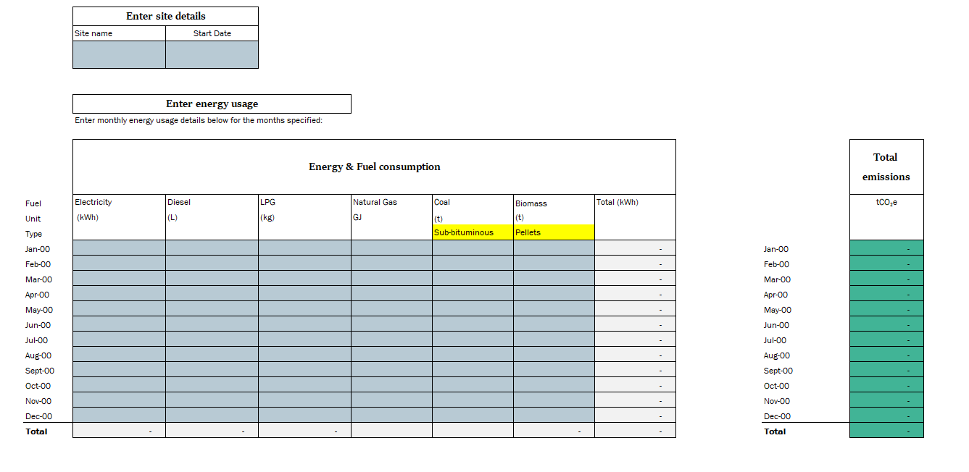
Enter site name for your own reference

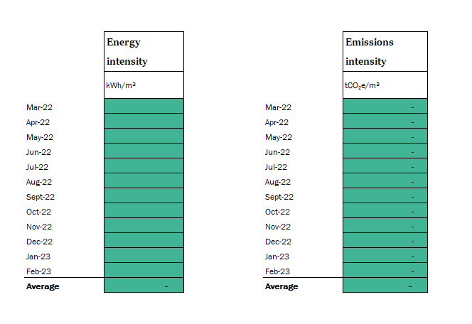

Enter energy and fuel use over each month.
These can be found on invoices or bills

There is an input location for combustion. This may be used in items such as forklifts, off road equipment and cars.
This should not include third party freight
The grey cells sum up the total in kWh of the inputs. Each input is converted to kWh using the units in the parameters tab.
The teal cells sum up the total in tCO₂e of the inputs. Each input is converted to tCO₂e using the units in the parameters tab. Note any onsite electricity generation in calculated as zero emissions.
Enter the monthly production data for the site based on the selected production unit.
The average cell calculates the monthly average, excluding any months with no production. This will demonstrate the months that see a higher consumption.
The average cell calculate the monthly average, excluding any months with no production. This will demonstrate the months that see a higher consumption.

