Introduction
 Energy Intensity Calculator - Poultry Sector
Introduction
The most important step in energy management and conservation is measuring and accounting for energy consumption. EECA works with the industry to help businesses know what to measure and how to measure. A measurement of current energy use will allow users to identify their potential energy and cost savings opportunities and will highlight success post optimisation. This calculator is designed for individual site use only to support with their energy usage. Note: multiple factors influence energy intensity such as geographic area, fuel type and type of produce. This tool is only designed to support sites in understanding a basic energy measurement.

Instructions
Steps

1 | In the Energy Calculator tab, enter your site name and region and the start date for data entry

2 | Enter the total poultry floor space of each of your production houses, up to four. Fill in your monthly production data, selecting the unit at the top.

3 | Enter your Energy usage. This can be found in your energy bills - the amount of energy consumed within that given month. The tool has inputs for many different types of fuel. Enter the total consumed under the relevant your fuel type.
 | Note it is important that you enter under the correct fuel type as the energy intensity in MJ and emissions factors are different for each different fuel type.

4 | Input total money spent each month for the different fuel types

5 | The cost, energy and CO2 intensity for the given month will be displayed in GREEN (follow the example tab)
 | This will show the energy used and CO2 produced used per unit of production and per unit floor area for that month | Key
 | Total tons of CO2 emissions are also displayed. | Data Entry
 |  | Drop down selection
 | Repeat steps for each month and the tool will calculate the annual energy intensity along with displaying the month. | Calculated Values
 |  | Final Metrics

Summary Graphs
Summary Graphs for:
Total Energy Consumption per Month
 |  | OAT
0 | - | #N/A
Feb-00 | - | #N/A
Mar-00 | - | #N/A
Apr-00 | - | #N/A
May-00 | - | #N/A
Jun-00 | - | #N/A
Jul-00 | - | #N/A
Aug-00 | - | #N/A
Sep-00 | - | #N/A
Oct-00 | - | #N/A
Nov-00 | - | #N/A
Dec-00 | - | #N/A

Total Carbon Emissions per Month
 | Electricity | Diesel | LPG | Natural Gas (GJ)
0 | 0.00 | 0.00 | 0.00 | 0.00
Feb-00 | 0.00 | 0.00 | 0.00 | 0.00
Mar-00 | 0.00 | 0.00 | 0.00 | 0.00
Apr-00 | 0.00 | 0.00 | 0.00 | 0.00
May-00 | 0.00 | 0.00 | 0.00 | 0.00
Jun-00 | 0.00 | 0.00 | 0.00 | 0.00
Jul-00 | 0.00 | 0.00 | 0.00 | 0.00
Aug-00 | 0.00 | 0.00 | 0.00 | 0.00
Sep-00 | 0.00 | 0.00 | 0.00 | 0.00
Oct-00 | 0.00 | 0.00 | 0.00 | 0.00
Nov-00 | 0.00 | 0.00 | 0.00 | 0.00
Dec-00 | 0.00 | 0.00 | 0.00 | 0.00

Emission Breakdown by GHG Contributor
Electricity | 0
Diesel | 0
LPG | 0
Natural Gas (GJ) | 0
Total

Example
Enter start date for data entry. Date will change to reflect start date entered
Select region site is located. This will pull the average weather data for comparison in the summary graphs
Enter total area of poultry floor space. option to have 4 separate houses
The grey cell calculates the total area by summing up each house floor area

Cost cells calculate the cost per m2 and per unit selected. This helps understand the exact cost per unit.
Energy intensity calculates the energy in kWh required to produce 1 unit and also per foot print of storage. This enables a benchmark
Emissions intensity calculates the emissions for scope 1 and 3 in kg CO2-e required to produce 1 unit and also per foot print of storage. This enables a benchmark
Select the best production unit for the site from the dropdown selection.

Enter site name for your own reference
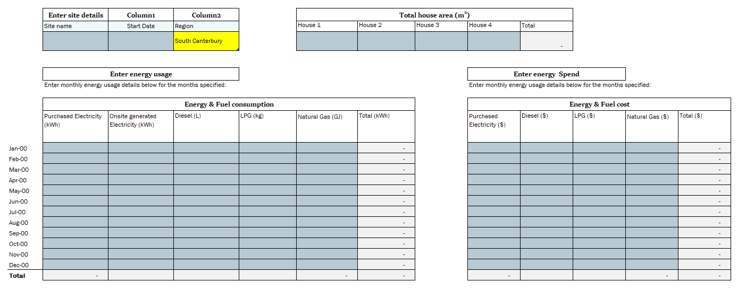

Enter energy and fuel use over each month.
These can be found on invoices or bills

Input the amount of purchased electricity and electricity generated on site (for example solar)
Input the amount of fuel used to heat the house. Only fill in the column relevant to the heating source and leave the rest blank.
The grey cells sum up the total in kWh of the inputs. Each input is converted to kWh using the units in the parameters tab.
Input total $ spent each month for the different fuel types
The grey cells sum up the total in $ of the inputs.
Enter the monthly production data for the site based on the selected production unit.
The teal cells sum up the total in CO2-e of the inputs. Each input is converted to CO2-e using the units in the parameters tab. Note any onsite electricity generation in calculated as zero emissions.
The average cell calculates the monthly average. This will demonstrate the months that see a higher consumption.

