Introduction
Energy Intensity Calculator - Orchards |  | 
Introduction
The most important step in energy management and conservation is measuring and accounting for energy consumption. EECA works with the industry to help businesses know what to measure and how to measure. A measurement of current energy use will allow users to identify their potential energy and cost savings opportunities and will highlight success post optimisation. This calculator is designed for individual site use only to support with their energy usage. Note: multiple factors influence energy intensity such as geographic area, fuel type and type of produce. This tool is only designed to support sites in understanding a basic energy measurement.

Instructions
Steps
1 | In the Energy Calculator tab, enter your site details and total growing area in metres squared

2 | Enter your energy usage. This can be found in your energy bills - the amount of energy consumed within that given month. The tool has inputs for many different types of fuel.
 | Enter the total consumed under the relevant fuel type.
 | Note it is important that you enter under the correct fuel type as the energy intensity in kWh and emissions factors are different for each different fuel type.

3 | Total emissions per month will be displayed to the right of the fuel consumption

4 | Select the unit that you use to measure production, and then fill in the monthly production data.

5 | The energy intensity for the given month will be displayed in GREEN (follow the example tab)
 | This will show the energy used per metre squared and per unit of production for that month
 | CO₂e emissions per metre squared and per unit production are also displayed.

6 | Repeat steps for each month and the tool will calculate the annual energy intensity along with displaying the month.
 | This helps display variations in season and other anomalies. | Key

7 | Go to the Summary Graphs tab to see your energy consumption and tCO²e graphed across the year | Data Entry
 |  | Drop down selection
 | Notes: | Calculated Values
 | Moving cells or changing calculations will cause inaccurate results | Final Metrics
 | Do not change anything on the parametres tab, this will affect results

Summary Graphs
Summary Graphs for:

Total Energy Consumption per Month
 |  | OAT
0 | - | #N/A
Feb-00 | - | #N/A
Mar-00 | - | #N/A
Apr-00 | - | #N/A
May-00 | - | #N/A
Jun-00 | - | #N/A
Jul-00 | - | #N/A
Aug-00 | - | #N/A
Sep-00 | - | #N/A
Oct-00 | - | #N/A
Nov-00 | - | #N/A
Dec-00 | - | #N/A

Total Carbon Emissions per Month
 | Electricity | Diesel | LPG | Petrol
0 | 0.00 | 0.00 | 0.00 | 0.00
Feb-00 | 0.00 | 0.00 | 0.00 | 0.00
Mar-00 | 0.00 | 0.00 | 0.00 | 0.00
Apr-00 | 0.00 | 0.00 | 0.00 | 0.00
May-00 | 0.00 | 0.00 | 0.00 | 0.00
Jun-00 | 0.00 | 0.00 | 0.00 | 0.00
Jul-00 | 0.00 | 0.00 | 0.00 | 0.00
Aug-00 | 0.00 | 0.00 | 0.00 | 0.00
Sep-00 | 0.00 | 0.00 | 0.00 | 0.00
Oct-00 | 0.00 | 0.00 | 0.00 | 0.00
Nov-00 | 0.00 | 0.00 | 0.00 | 0.00
Dec-00 | 0.00 | 0.00 | 0.00 | 0.00

Emission Breakdown by GHG Contributor
Electricity | 0
Diesel | 0
LPG | 0
Petrol | 0

Example
Enter start date for data entry. Date will change respectively to reflect start date entered
Select region site is located. This will pull the average weather data for comparison in the summary graphs
Enter total orchard production area and select area units

Select the best production unit for the site from the dropdown selection.
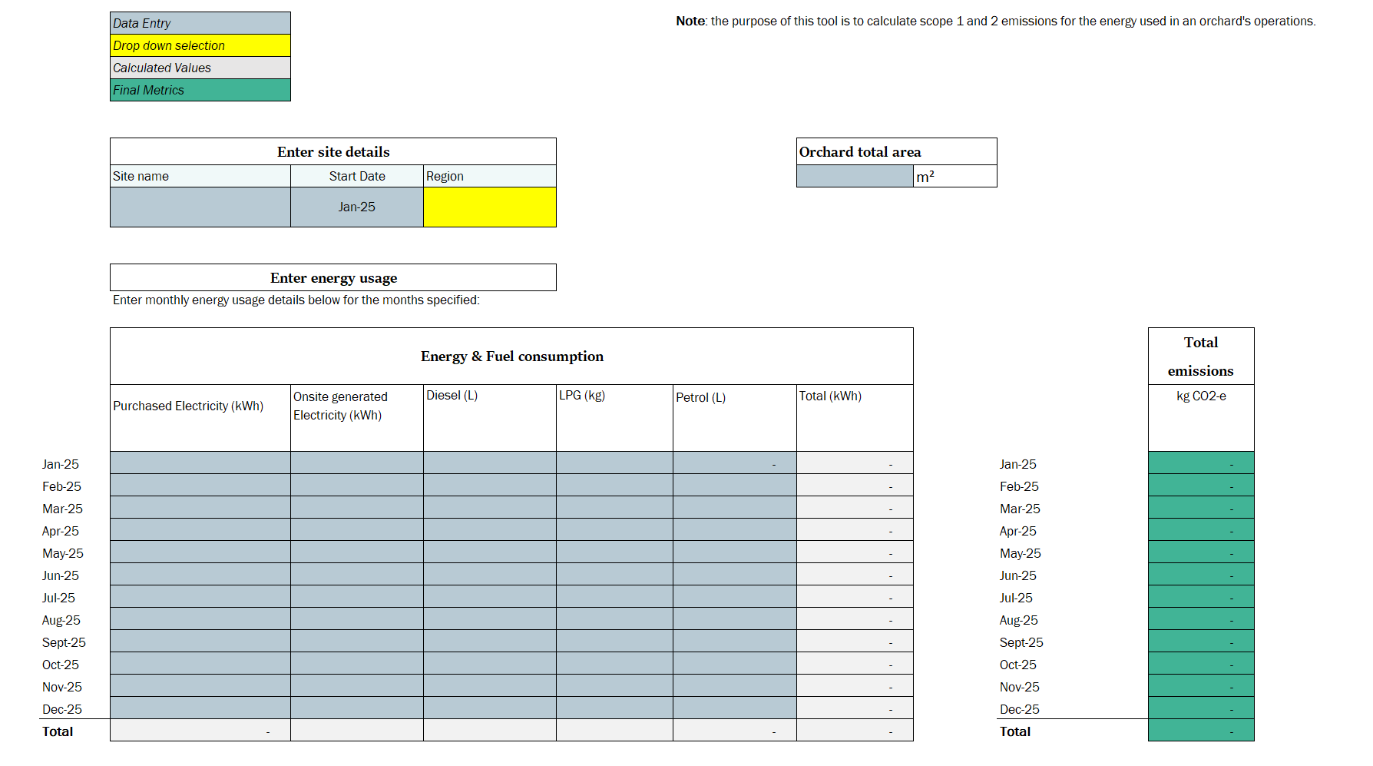
Energy intensity calculates the energy in kWh required to produce 1 unit . This enables a benchmark
Emissions intensity calculates the emission for scope 1 and 3 in kg CO2-e required to produce 1 unit. This enables a benchmark

Enter site name for your own reference

Enter energy and fuel use over each month.
These can be found on invoices or bills

There is an input location for both purchased electricity and electricity generated on site (for example solar)
There is an input location for combustion. This may be used in items such as forklifts, off road equipment and cars.
This should not include third party freight
The grey cells sum up the total in kWh of the inputs. Each input is converted to kWh using the units in the parameters tab.
The average cell calculate the monthly average. This will demonstrate the months that see a higher consumption.
The average cell calculate the monthly average. This will demonstrate the months that see a higher consumption.
The teal cells sum up the total in CO2-e of the inputs. Each input is converted to CO2-e using the units in the parameters tab. Note any onsite electricity generation in calculated as zero emissions.
Enter the monthly production data for the site based on the selected production unit.

