Introduction
 Energy Intensity Calculator - Hotel Sector
Introduction
The most important step in energy management and conservation is measuring and accounting for energy consumption. EECA works with Hospitality NZ, Hotels Council Aotearoa and Tourism Industry Aotearoa to help members know what to measure and how to measure. A measurement of current energy use will allow users to identify their potential energy and cost savings opportunities and will highlight success post optimisation. This calculator is designed for individual site use only to support with their energy usage. Note: multiple factors influence energy intensity such as geographic area, fuel type and type of produce. This tool is only designed to support sites in understanding a basic energy measurement.

Instructions

Steps

1 | In the Energy calculator tab, enter your site details

2 | Enter your energy and fuel consumption. This can be found in your energy bills - the amount of energy consumed within that given month. The tool has inputs for many different types of fuel. Enter the total consumed under the relevant your fuel type.
 | Select the relevant units using the dropdowns in yellow. For biomass and coal, select the type that you use, with the yellow dropdowns
 | Note it is important that you enter under the correct fuel type as the energy intensity in MJ and emissions factors are different for each different fuel type.

3 | Total emissions per month will be displayed to the right of the fuel consumption

4 | Enter your hotel floor area in m². Below that, enter the number of guest rooms your hotel has, and then then your average occupancy rates each month

5 | The energy intensity and emissions intensity for each month will be displayed in teal
 | This will show the energy used and emissions produced per total area and per room for each month

 |  | Key
 |  | Editable
 |  | Drop down selections
 |  | Total sum of cells
 | Notes: | Calculation output
 | Moving cells or changing calculations will cause inaccurate results
 | Do not change anything on the parameters tab, this will affect results

Summary Graphs
Summary Graphs for:
Energy Use per Month
 | Electricity | Natural Gas | LPG | Diesel | Biomass: Pellets | Coal: Sub-bituminous | OAT
0 | 0.0 | 0.0 | 0.0 | 0.0 | 0.0 | 0.0 | #N/A
Feb-00 | 0.0 | 0.0 | 0.0 | 0.0 | 0.0 | 0.0 | #N/A
Mar-00 | 0.0 | 0.0 | 0.0 | 0.0 | 0.0 | 0.0 | #N/A
Apr-00 | 0.0 | 0.0 | 0.0 | 0.0 | 0.0 | 0.0 | #N/A
May-00 | 0.0 | 0.0 | 0.0 | 0.0 | 0.0 | 0.0 | #N/A
Jun-00 | 0.0 | 0.0 | 0.0 | 0.0 | 0.0 | 0.0 | #N/A
Jul-00 | 0.0 | 0.0 | 0.0 | 0.0 | 0.0 | 0.0 | #N/A
Aug-00 | 0.0 | 0.0 | 0.0 | 0.0 | 0.0 | 0.0 | #N/A
Sep-00 | 0.0 | 0.0 | 0.0 | 0.0 | 0.0 | 0.0 | #N/A
Oct-00 | 0.0 | 0.0 | 0.0 | 0.0 | 0.0 | 0.0 | #N/A
Nov-00 | 0.0 | 0.0 | 0.0 | 0.0 | 0.0 | 0.0 | #N/A
Dec-00 | 0.0 | 0.0 | 0.0 | 0.0 | 0.0 | 0.0 | #N/A

Occupied Room Energy Intensity per month
 | Energy intensity
0 | #N/A
Feb-00 | #N/A
Mar-00 | #N/A
Apr-00 | #N/A
May-00 | #N/A
Jun-00 | #N/A
Jul-00 | #N/A
Aug-00 | #N/A
Sep-00 | #N/A
Oct-00 | #N/A
Nov-00 | #N/A
Dec-00 | #N/A

Energy Use Breakdown by Fuel
Electricity | 0.000
Natural Gas | 0.000
LPG | 0.000
Diesel | 0.000
Biomass: Pellets | 0.000
Coal: Sub-bituminous | 0.000
Total Carbon Emissions per Month
 | Electricity | Natural Gas | LPG | Diesel | Biomass: Pellets | Coal: Sub-bituminous
0 | 0.0 | 0.0 | 0.0 | 0.0 | 0.0 | 0.0
Feb-00 | 0.0 | 0.0 | 0.0 | 0.0 | 0.0 | 0.0
Mar-00 | 0.0 | 0.0 | 0.0 | 0.0 | 0.0 | 0.0
Apr-00 | 0.0 | 0.0 | 0.0 | 0.0 | 0.0 | 0.0
May-00 | 0.0 | 0.0 | 0.0 | 0.0 | 0.0 | 0.0
Jun-00 | 0.0 | 0.0 | 0.0 | 0.0 | 0.0 | 0.0
Jul-00 | 0.0 | 0.0 | 0.0 | 0.0 | 0.0 | 0.0
Aug-00 | 0.0 | 0.0 | 0.0 | 0.0 | 0.0 | 0.0
Sep-00 | 0.0 | 0.0 | 0.0 | 0.0 | 0.0 | 0.0
Oct-00 | 0.0 | 0.0 | 0.0 | 0.0 | 0.0 | 0.0
Nov-00 | 0.0 | 0.0 | 0.0 | 0.0 | 0.0 | 0.0
Dec-00 | 0.0 | 0.0 | 0.0 | 0.0 | 0.0 | 0.0

Help
Example:
Note this is an example only designed for the purpose of demonstrating the tool and the information does not reflect a true site

Enter the details of the site. Understanding the foot print helps benchmarking. This example has rooms at 450m² and other areas at 300m² this includes entrance, conference and dinning
Enter the starting month and year from the bills or invoice you wish to track. This will populate the dates throughout the spreadsheet.

The teal columns calculate the energy and emissions intensity. This is the energy and emissions used per occupancy rate and footprint. This helps benchmarking and show areas where energy might be used more.

Enter name of site for reference. Fill in a different spreadsheet for each site.
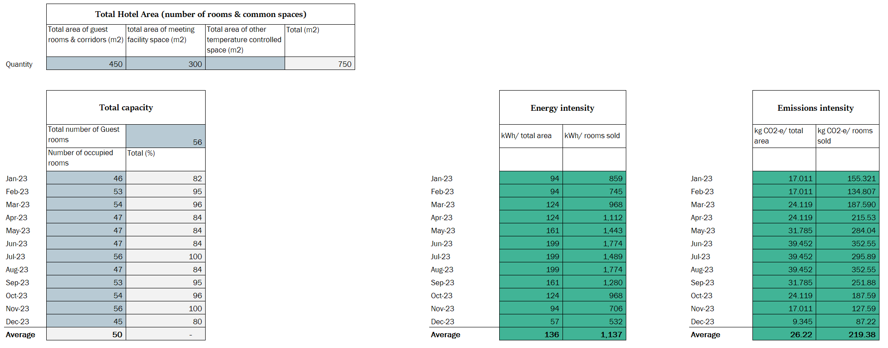
From the drop down select your region. This will grab the weather data for that region in the summary graph tab.
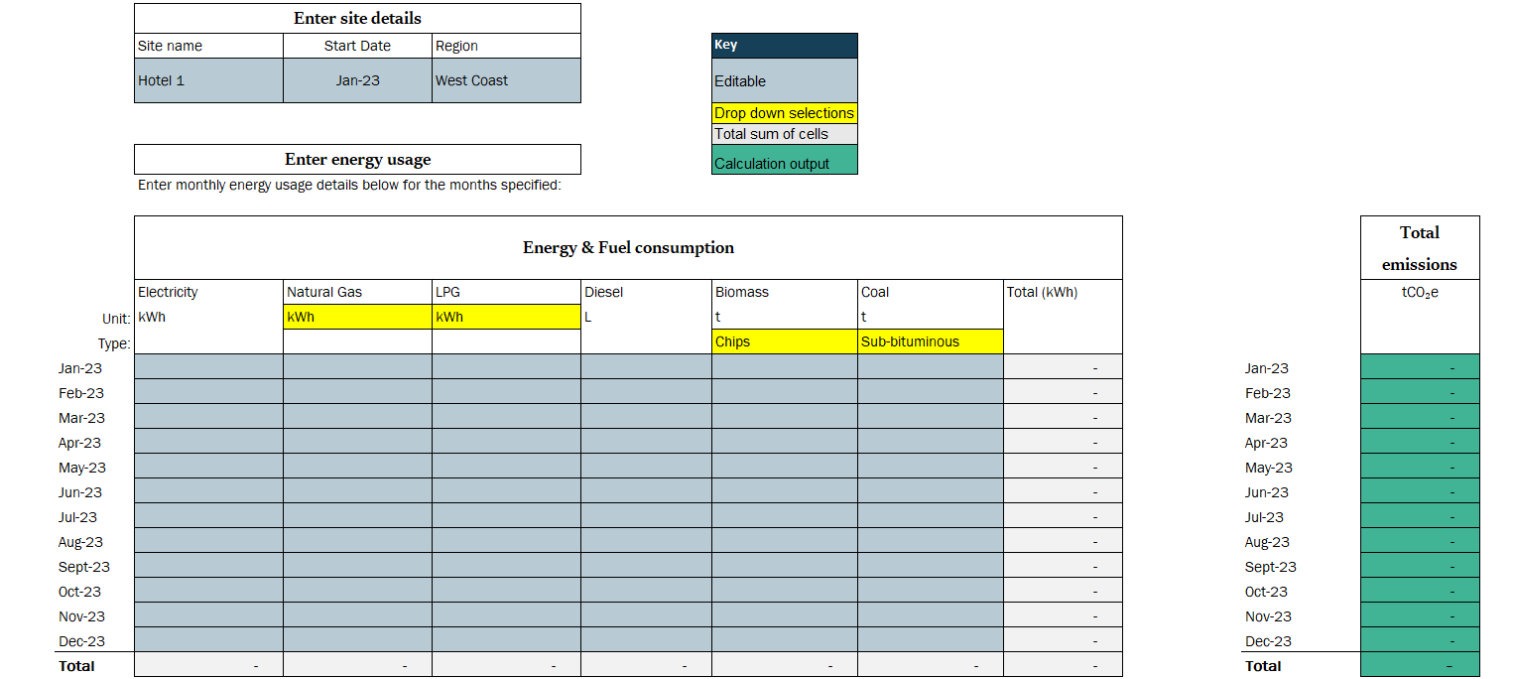

Select the units on your energy bill

Select the type of coal or biomass used

Dates will populate once a start date is entered.
Enter the occupancy rates for each month.

From your retailer enter the monthly electrical use for that site in kWh.
The grey cell will show the total electricity used
From your retailer enter the monthly gas use for that site in GJ.
The grey cell will show the total electricity used
The teal column converts the information entered into emissions with the emissions factors in the parameters tab.
The grey total column converts all energy into kWh and sums up the information that has been entered.

